Sheet1
Global Annual Investment in Power Grids, by Region, 2021–2025
Grid investment rose from USD 323 billion in 2021 to USD 483 billion in 2025, with the fastest growth occurring in Europe, the Middle East and Africa
Source: BloombergNEF, ‘Energy Transition Investment Trends’, 2026, https://about.bnef.com/energy-transition-investment.

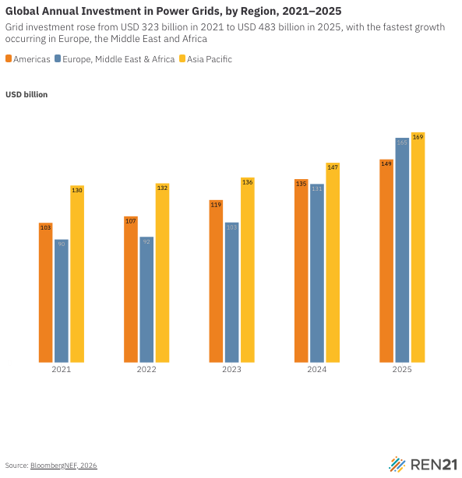
Year | Americas (USD billion) | Europe, Middle East & Africa (USD billion) | Asia Pacific (USD billion)
2021 | 102.5 | 90.3 | 129.9
2022 | 107.3 | 92.2 | 131.5
2023 | 119.3 | 102.8 | 135.8
2024 | 134.6 | 131 | 146.6
2025 | 149.1 | 164.9 | 169

