Sheet1
Electricity Curtailment and Variable Renewable Electricity Share, Selected Countries, 2010–2025
Higher shares of variable renewables are associated with rising curtailment, but wide variation across countries highlights the role of system flexibility, grid capacity and integration strategies
Source: International Energy Agency, ‘Annual VRE shares in generation and technical curtailment for selected countries and regions’, 7 October 2025, https://www.iea.org/data-and-statistics/charts/annual-vre-shares-in-generation-and-technical-curtailment-for-selected-countries-and-regions.

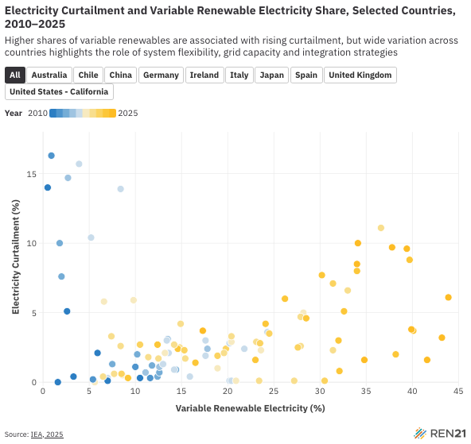
Country | Year | Variable Renewable Electricity (%) | Electricity Curtailment (%) | Absolute Curtailment (GWh)
Australia | 2017 | 7 | 0.3 | 66.59
Australia | 2018 | 8.6 | 0.5 | 143.67
Australia | 2019 | 11.4 | 1.8 | 692.32
Australia | 2020 | 14.8 | 2.5 | 1191.03
Australia | 2021 | 18.9 | 1.9 | 1123.15
Australia | 2022 | 23 | 1.6 | 1099.02
Chile | 2017 | 8.4 | 13.9 | 1188.2
Chile | 2018 | 9.8 | 5.9 | 545.48
Chile | 2019 | 12.5 | 1.7 | 193.52
Chile | 2020 | 15.4 | 1.7 | 226.21
Chile | 2021 | 19.8 | 2.4 | 447.05
Chile | 2022 | 26.2 | 6 | 1569.57
Chile | 2023 | 30.2 | 7.7 | 2295.82
Chile | 2024 | 34.1 | 10 | 3388.89
China | 2011 | 0.5 | 14 | 12487.67
China | 2012 | 0.9 | 16.3 | 20767.41
China | 2013 | 1.8 | 10 | 16292.22
China | 2014 | 2 | 7.6 | 15074.16
China | 2015 | 2.7 | 14.7 | 38786.98
China | 2016 | 3.9 | 15.7 | 57248.2
China | 2017 | 5.2 | 10.4 | 49028.57
China | 2018 | 6.6 | 5.8 | 33414.65
China | 2019 | 7.4 | 3.3 | 21475.59
China | 2020 | 8.4 | 2.6 | 19422.59
China | 2021 | 10.5 | 2.7 | 27271.94
China | 2022 | 12.4 | 2.7 | 33019.92
China | 2023 | 14.6 | 2.4 | 36148.03
China | 2024 | 17.3 | 3.7 | 70146.31
Germany | 2010 | 7 | 0.1 | 50.56
Germany | 2011 | 10.5 | 0.3 | 210.18
Germany | 2012 | 11.6 | 0.3 | 235.97
Germany | 2013 | 12.4 | 0.4 | 334.78
Germany | 2014 | 14.4 | 0.9 | 853.23
Germany | 2015 | 17.8 | 2.4 | 2918.85
Germany | 2016 | 17.6 | 1.9 | 2275.35
Germany | 2017 | 21.8 | 2.4 | 3552.05
Germany | 2018 | 23.6 | 2.3 | 3631.74
Germany | 2019 | 27.9 | 2.6 | 4567.62
Germany | 2020 | 31.4 | 2.3 | 4275.36
Germany | 2021 | 27.6 | 2.5 | 4192.31
Germany | 2022 | 32 | 3 | 5725.05
Germany | 2023 | 40.1 | 3.7 | 7634.37
Germany | 2024 | 43.2 | 3.2 | 6758.02
Germany | 2025 | 34.8 | 1.6 | 3669.11
Ireland | 2016 | 20.2 | 2.8 | 177.16
Ireland | 2017 | 24.3 | 3.6 | 278.22
Ireland | 2018 | 28.2 | 5 | 455.79
Ireland | 2019 | 33 | 6.6 | 710.17
Ireland | 2020 | 36.6 | 11.1 | 1449.62
Ireland | 2021 | 31.4 | 7.1 | 753.56
Ireland | 2022 | 34 | 8 | 987.83
Ireland | 2023 | 39.7 | 8.8 | 1189.74
Ireland | 2024 | 39.4 | 9.6 | 1317.88
Ireland | 2025 | 43.9 | 6.1 | 859.46
Italy | 2010 | 2.6 | 5.1 | 592.76
Italy | 2011 | 5.9 | 2.1 | 442.95
Italy | 2012 | 10 | 1.1 | 358.92
Italy | 2013 | 11.8 | 1.2 | 443.2
Italy | 2014 | 12.6 | 0.7 | 264.28
Italy | 2015 | 12.6 | 1.1 | 420.2
Italy | 2016 | 13 | 1.3 | 524.08
Italy | 2017 | 13.6 | 2.1 | 903.49
Italy | 2018 | 13.2 | 2.1 | 865.96
Italy | 2019 | 14.2 | 2.7 | 1217.91
Italy | 2020 | 14.9 | 4.2 | 1915.87
Italy | 2021 | 15.3 | 2.3 | 1082.2
Italy | 2022 | 16.5 | 1.4 | 690.2
Japan | 2018 | 5.6 | 0 | 0
Japan | 2019 | 6.5 | 0.4 | 300.76
Japan | 2020 | 7.7 | 0.6 | 509.03
Japan | 2021 | 8.5 | 0.6 | 565.71
Japan | 2022 | 9.2 | 0.3 | 302.38
Spain | 2016 | 20.2 | 0.1 | 62.6
Spain | 2017 | 20.4 | 0.1 | 63.59
Spain | 2018 | 20.9 | 0.1 | 63.69
Spain | 2019 | 23.4 | 0.1 | 70.82
Spain | 2020 | 27.2 | 0.1 | 77.19
Spain | 2021 | 30.5 | 0.1 | 89.25
Spain | 2022 | 32.1 | 0.8 | 794.35
Spain | 2023 | 38.2 | 2 | 2318.37
Spain | 2024 | 41.6 | 1.6 | 1976.1
Spain | 2025 | 39.9 | 3.8 | 4805.7
United Kingdom | 2010 | 1.6 | 0 | 0
United Kingdom | 2011 | 3.3 | 0.4 | 65.06
United Kingdom | 2012 | 5.4 | 0.2 | 42.46
United Kingdom | 2013 | 7.5 | 1.3 | 400.54
United Kingdom | 2014 | 10.2 | 2 | 734.69
United Kingdom | 2015 | 13.5 | 3.1 | 1529.21
United Kingdom | 2016 | 13.4 | 3 | 1471.24
United Kingdom | 2017 | 17.6 | 3 | 1890
United Kingdom | 2018 | 20.4 | 2.9 | 2078.08
United Kingdom | 2019 | 23.1 | 2.9 | 2277.59
United Kingdom | 2020 | 27.9 | 4.7 | 4345.9
United Kingdom | 2021 | 24.5 | 3.5 | 2793.11
United Kingdom | 2022 | 28.5 | 4.6 | 4523.82
United Kingdom | 2023 | 32.6 | 5.1 | 5166.64
United Kingdom | 2024 | 34 | 8.5 | 9276.61
United Kingdom | 2025 | 37.8 | 9.7 | 11346.74
United States - California | 2015 | 11.1 | 0.7 | 1619.59
United States - California | 2016 | 14.2 | 0.9 | 2559.78
United States - California | 2017 | 15.9 | 0.4 | 1331.65
United States - California | 2018 | 18.9 | 1 | 3697.27
United States - California | 2019 | 19.6 | 2.1 | 8639.6
United States - California | 2020 | 20.4 | 3.3 | 15993.57
United States - California | 2021 | 23.5 | 2.8 | 15631.03
United States - California | 2022 | 24.1 | 4.2 | 28030.84

