Feuil1
Global Renewable Power Capacity and Annual Additions, by Technology, 2025
Solar PV dominates new capacity additions by a wide margin, while wind continues to expand and hydropower growth remains comparatively limited, reinforcing a shift toward faster-deploying technologies
Note: Data for 2025 are compiled from multiple technology-specific sources. Solar PV additions and total capacity are based on direct current (DC) values. "Other renewable power" includes concentrated solar thermal power (CSP), bio-power, geothermal and ocean power. CSP additions are based on personal communication, indicating around 900 MW of new CSP capacity additions in China in 2025. Bio-power additions of 3.25 GW and geothermal additions of 259 MW are based on the cited IRENA data. No new ocean power capacity additions were identified for 2025. Total renewable power capacity additions for 2025 therefore amount to around 885 GW, bringing cumulative global renewable power capacity to around 5655 GW by the end of 2025.
Source: Historical renewable power capacity values are based on REN21, ‘REN21 Capacity Database’, 2026. Annual additions for 2025 are compiled from multiple technology-specific sources, as follows: Solar PV additions and total capacity are based on direct current (DC) values reported in International Energy Agency, Photovoltaic Power Systems Programme, ‘Snapshot of Global PV Markets 2026’, 2026, https://iea-pvps.org/wp-content/uploads/2026/04/Snapshot-of-Global-PV-Markets-2026.pdf. Wind power data are based on Global Wind Energy Council, ‘Global Wind Report 2026’, 2026, https://www.gwec.net/reports/globalwindreport. Hydropower data are derived from International Renewable Energy Agency (IRENA), ‘Renewable Energy Capacity Statistics 2026', 2026, https://www.irena.org/-/media/Files/IRENA/Agency/Publication/2026/Mar/IRENA_DAT_RE_capacity_statistics_2026.pdf. “Other renewable power” includes concentrated solar thermal power (CSP), bio-power, geothermal and ocean power. CSP additions are based on direct communication with CSP Guru, indicating around 900 megawatts of new CSP capacity additions in China in 2025. Bio-power additions of 3.25 GW and geothermal additions of 259 MW are based on IRENA, op. cit. this note. No new ocean power capacity additions were identified for 2025. Total renewable power capacity additions for 2025 therefore amount to around 885 GW, bringing cumulative global renewable power capacity to around 5,655 GW by the end of 2025.

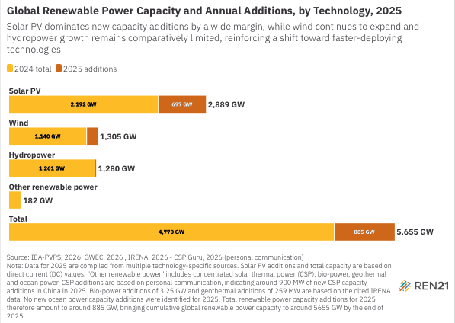
Renewable Energy Technology | 2024 total | 2025 additions
Solar PV | 2192 | 697
Wind | 1140 | 165
Hydropower | 1261 | 18.5
Other renewable power | 177 | 4.5
Total | 4770 | 885

