Sheet1
Net Energy Importers and Exporters, by Country, 2023
Of the countries covered, most countries remain net energy importers: 92 countries import more energy than they produce, compared with only 36 net exporters.
Note: Please note that some countries are lacking comprehensive energy imports and export data.
Source: International Energy Agency, ‘World Energy Balances 2023’, 2025, https://www.iea.org/data-and-statistics/data-product/world-energy-balances

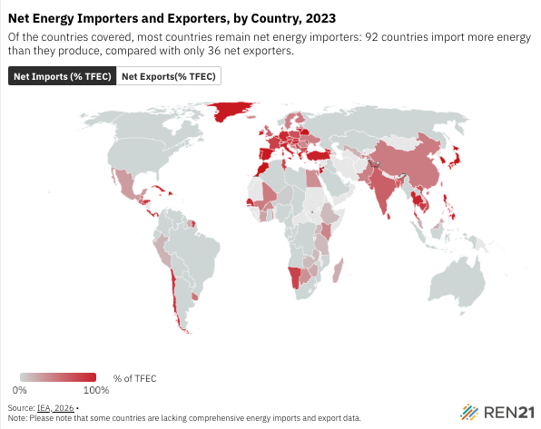
Country | ISO Code | TFEC (TJ) | Total Exports (TJ) | Total Imports (TJ) | Net Imports (% TFEC) | Net Exports(% TFEC)
Morocco | MAR | 683115.764 | -1661.854 | 889775.533 | 1.300092 | -1.3
Angola | AGO | 547658.385 | -2457385.11 | 159835.122 | -4.19522 | 4.2
Albania | ALB | 78704.681 | -37954.477 | 58340.123 | 0.259014 | -0.26
United Arab Emirates | ARE | 2526805.6 | -7913754.913 | 2251119.858 | -2.24103 | 2.24
Argentina | ARG | 2232786.589 | -493097.988 | 386094.031 | -0.04792 | 0.05
Armenia | ARM | 116237.928 | -4610.487 | 129827.581 | 1.077248 | -1.08
Australia | AUS | 3227247.761 | -13935874.39 | 2139446.158 | -3.65526 | 3.66
Austria | AUT | 981141.494 | -207359.405 | 1016541.914 | 0.824736 | -0.82
Azerbaijan | AZE | 465926.467 | -2098305.318 | 213417.399 | -4.04546 | 4.05
Belgium | BEL | 1245561.776 | -1633606.759 | 3415319.654 | 1.430449 | -1.43
Burkina Faso | BFA | 245095.071 | 0 | 90903.345 | 0.37089 | -0.37
Bangladesh | BGD | 1369920.696 | -431.14 | 941571.713 | 0.687004 | -0.69
Bulgaria | BGR | 391487.806 | -186268.207 | 473967.749 | 0.734888 | -0.73
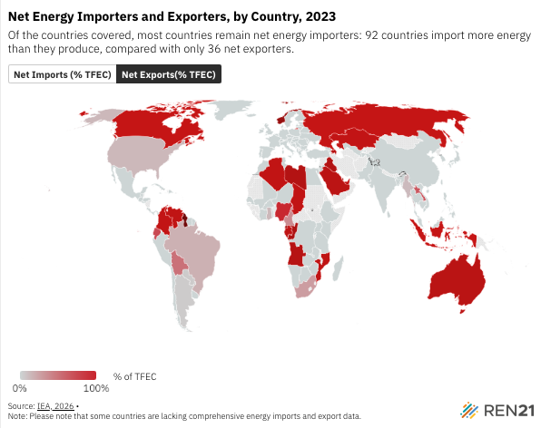
Bahrain | BHR | 226319.27 | -802753.699 | 494680.267 | -1.36123 | 1.36
Bosnia and Herzegovina | BIH | 173252.782 | -55114.014 | 127296.987 | 0.416634 | -0.42
Belarus | BLR | 676402.351 | -446617.989 | 1248786.624 | 1.185934 | -1.19
Plurinational State of Bolivia | BOL | 341249.631 | -288246.141 | 113261.95 | -0.51277 | 0.51
Brazil | BRA | 9966079.834 | -4347816.273 | 2556428.763 | -0.17975 | 0.18
Brunei Darussalam | BRN | 44056.127 | -629817.217 | 308248.231 | -7.29908 | 7.3
Botswana | BWA | 86243.897 | -20699.711 | 50026.419 | 0.340044 | -0.34
Canada | CAN | 7149579.998 | -14078151.89 | 3043836.14 | -1.54335 | 1.54
Switzerland | CHE | 674791.396 | -141132.343 | 624696.857 | 0.716613 | -0.72
Chile | CHL | 1216694.655 | -56642.434 | 1101973.619 | 0.859157 | -0.86
China, People's Republic of | CHN | 88968785.05 | -3624973.061 | 43973433.55 | 0.453513 | -0.45
Côte d'Ivoire | CIV | 418289.392 | -152986.66 | 254155.675 | 0.241864 | -0.24
Cameroon | CMR | 363718.172 | -208326.493 | 74337.605 | -0.36839 | 0.37
Congo, Democratic Republic | COD | 1158414.785 | -48243.801 | 55542.022 | 0.0063 | -0.01
Republic of the Congo | COG | 90380.866 | -558565.292 | 11595.23 | -6.05183 | 6.05
Colombia | COL | 1353471.94 | -3044835.759 | 362036.925 | -1.98216 | 1.98
Costa Rica | CRI | 164447.895 | -646.886 | 133050.898 | 0.805143 | -0.81
Cuba | CUB | 204055.521 | -8603.82 | 245315.108 | 1.160034 | -1.16
Curaçao/Netherlands Antilles | CUW | 14443.631 | 0 | 104098.774 | 7.207244 | -7.21
Cyprus | CYP | 65539.481 | 0 | 109848.251 | 1.676062 | -1.68
Czech Republic | CZE | 929486.737 | -237600.234 | 907627.303 | 0.720857 | -0.72
Germany | DEU | 7467985.129 | -1424850.855 | 8622202.437 | 0.963761 | -0.96
Denmark | DNK | 524370.951 | -639899.329 | 910591.545 | 0.516223 | -0.52
Dominican Republic | DOM | 315255.003 | -127.79 | 459514.698 | 1.457191 | -1.46
Algeria | DZA | 1745103.206 | -3799224.189 | 40943.22 | -2.15362 | 2.15
Ecuador | ECU | 565673.859 | -779507.258 | 361100.204 | -0.73966 | 0.74
Egypt | EGY | 2580279.384 | -620425.233 | 1522241.852 | 0.349503 | -0.35
Spain | ESP | 3185662.75 | -1410106.633 | 4984841.179 | 1.122132 | -1.12
Estonia | EST | 107611.566 | -92634.725 | 99318.148 | 0.062107 | -0.06
Ethiopia | ETH | 1677825.881 | -6406.202 | 220617.146 | 0.127672 | -0.13
Finland | FIN | 903664.585 | -386193.761 | 801386.504 | 0.459454 | -0.46
France | FRA | 5271064.933 | -1423925.463 | 5654834.381 | 0.802667 | -0.8
Gabon | GAB | 179189.358 | -471601.211 | 13925.393 | -2.55415 | 2.55
Gibraltar | GBR | 4421266.071 | -2649795.261 | 5336975.602 | 0.607785 | -0.61
Georgia | GEO | 202435.904 | -21108.862 | 211367.198 | 0.939845 | -0.94
Ghana | GHA | 362949.606 | -288320.574 | 239092.418 | -0.13563 | 0.14
Equatorial Guinea | GNQ | 40286.546 | -318796.689 | 10949.801 | -7.64143 | 7.64
Greece | GRC | 617381.881 | -785275.216 | 1514401.491 | 1.180997 | -1.18
Greenland | GRL | 8749.822 | 0 | 9717.219 | 1.110562 | -1.11
Guatemala | GTM | 572377.821 | -20358.248 | 312109.741 | 0.509718 | -0.51
Guyana | GUY | 42574.56 | -818137.074 | 53188.638 | -17.9673 | 17.97
Honduras | HND | 189346.142 | -14451.209 | 174692.92 | 0.84629 | -0.85
Croatia | HRV | 289054.893 | -158547.878 | 365672.47 | 0.716558 | -0.72
Hungary | HUN | 688788.024 | -168189.136 | 799655.953 | 0.91678 | -0.92
Indonesia | IDN | 6512675.486 | -12863140.83 | 2563682.419 | -1.58145 | 1.58
India | IND | 27905183.8 | -2812008.682 | 19741631.53 | 0.606684 | -0.61
Ireland | IRL | 450359.397 | -51743.602 | 522415.339 | 1.045103 | -1.05
Iraq | IRQ | 1291014.379 | -7174890.376 | 596513.22 | -5.09551 | 5.1
Iceland | ISL | 127212.602 | 0 | 45551.367 | 0.358073 | -0.36
Israel | ISR | 598293 | -640401.071 | 779700.445 | 0.232828 | -0.23
Italy | ITA | 4404881.682 | -1308086.885 | 5826067.936 | 1.025676 | -1.03
Jamaica | JAM | 76572.122 | -5998.37 | 133239.082 | 1.661711 | -1.66
Jordan | JOR | 261521.382 | -721.44 | 309717.416 | 1.181532 | -1.18
Japan | JPN | 9387326.58 | -552012.657 | 14380500.26 | 1.473102 | -1.47
Kazakhstan | KAZ | 1768852.461 | -3848457.868 | 146365.073 | -2.09293 | 2.09
Kenya | KEN | 708821.664 | -121.681 | 282620.606 | 0.398547 | -0.4
Cambodia | KHM | 318953.238 | -565.218 | 273465.828 | 0.855613 | -0.86
Korea | KOR | 5282878.533 | -2744926.529 | 12520464 | 1.850419 | -1.85
Lao People's Democratic Republic | LAO | 163363.343 | -156561.601 | 46971.973 | -0.67083 | 0.67
Lebanon | LBN | 154558.573 | -1.507 | 171903.874 | 1.112215 | -1.11
Libya | LBY | 475530.28 | -2457048.55 | 209188.593 | -4.72706 | 4.73
Sri Lanka | LKA | 351606.053 | -732.485 | 271606.567 | 0.770391 | -0.77
Lithuania | LTU | 217869.244 | -387297.778 | 596663.501 | 0.96097 | -0.96
Luxembourg | LUX | 122786.891 | -4903.522 | 145322.635 | 1.1436 | -1.14
Latvia | LVA | 157677.685 | -85456.532 | 146074.165 | 0.38444 | -0.38
Republic of Moldova | MDA | 103293.037 | -4294.175 | 112605.179 | 1.04858 | -1.05
Madagascar | MDG | 274467.47 | 0 | 52967.613 | 0.192983 | -0.19
Mexico | MEX | 4664944.61 | -2784199.823 | 4109539.707 | 0.284106 | -0.28
Mali | MLI | 210767.942 | -3509.359 | 99933.247 | 0.457488 | -0.46
Myanmar | MMR | 807232.088 | -359051.067 | 251343.196 | -0.13343 | 0.13
Montenegro | MNE | 31834.267 | -26043.713 | 36992.986 | 0.343946 | -0.34
Mozambique | MOZ | 358760.063 | -1024051.279 | 114597.234 | -2.53499 | 2.53
Malaysia | MYS | 2215867.141 | -2166310.564 | 2592714.18 | 0.192432 | -0.19
Namibia | NAM | 66095.898 | -10923.834 | 62519.797 | 0.780623 | -0.78
Niger | NER | 167878.882 | -4653.122 | 10843.314 | 0.036873 | -0.04
Nigeria | NGA | 2394623.509 | -3290813.027 | 954748.255 | -0.97555 | 0.98
Netherlands | NLD | 1583454.681 | -5255484.405 | 7481740.923 | 1.405949 | -1.41
Norway | NOR | 778460.429 | -8440479.131 | 494123.41 | -10.2078 | 10.21
New Zealand | NZL | 510591.041 | -71272.081 | 323375.315 | 0.493748 | -0.49
Pakistan | PAK | 3171397.025 | -30326.341 | 1392896.77 | 0.429644 | -0.43
Panama | PAN | 162049.944 | -1376.85 | 326453.597 | 2.006028 | -2.01
Peru | PER | 930289.04 | -315727.337 | 463889.464 | 0.159265 | -0.16
Philippines | PHL | 1488447.133 | -210977.29 | 1784186.591 | 1.056947 | -1.06
Poland | POL | 2861779.979 | -671312.575 | 2650393.019 | 0.691556 | -0.69
Portugal | PRT | 650714.541 | -195934.139 | 829913.914 | 0.974282 | -0.97
Paraguay | PRY | 259980.908 | -113151.188 | 99109.846 | -0.05401 | 0.05
Qatar | QAT | 849605.372 | -7304835.761 | 33410.086 | -8.55859 | 8.56
Romania | ROU | 964369.053 | -305598.556 | 664033.032 | 0.371678 | -0.37
Russian Federation | RUS | 18669527.08 | -25248843.87 | 698297.904 | -1.31501 | 1.32
Rwanda | RWA | 141130.836 | -4155.964 | 28213.037 | 0.170459 | -0.17
Saudi Arabia | SAU | 4673714.13 | -16934216.38 | 1004820.415 | -3.40829 | 3.41
Senegal | SEN | 160647.19 | -2671.978 | 154738.694 | 0.946588 | -0.95
El Salvador | SLV | 130239.349 | -2016.999 | 133016.369 | 1.005836 | -1.01
Serbia | SRB | 385982.072 | -51621.511 | 332223.112 | 0.726981 | -0.73
Suriname | SUR | 29860.312 | -7684.005 | 13176.965 | 0.183955 | -0.18
Slovak Republic | SVK | 383499.928 | -214291.879 | 616058.019 | 1.04763 | -1.05
Slovenia | SVN | 187015.404 | -138363.139 | 264091.876 | 0.672291 | -0.67
Sweden | SWE | 1250992.385 | -776131.161 | 1301209.204 | 0.419729 | -0.42
Chad | TCD | 131092.279 | -302813.726 | 1268.349 | -2.30025 | 2.3
Togo | TGO | 104998.811 | 0 | 38804.983 | 0.369575 | -0.37
Thailand | THA | 3181498.115 | -462754.561 | 3659160.791 | 1.004686 | -1
Tajikistan | TJK | 142498.676 | -15332.237 | 67763.358 | 0.367941 | -0.37
Tunisia | TUN | 341793.287 | -79337.783 | 343719.784 | 0.773514 | -0.77
Republic of Türkiye | TUR | 4609888.42 | -491296.939 | 5248104.392 | 1.03187 | -1.03
United Republic of Tanzania | TZA | 954644.673 | -41327.731 | 163466.426 | 0.127942 | -0.13
Uganda | UGA | 763755.147 | -1758.456 | 99321.338 | 0.127741 | -0.13
Ukraine | UKR | 1315084.251 | -21173.133 | 583331.612 | 0.42747 | -0.43
Uruguay | URY | 222148.748 | -1256.057 | 110243.853 | 0.490607 | -0.49
United States | USA | 58821555.06 | -29548686.61 | 21472075.16 | -0.13731 | 0.14
Uzbekistan | UZB | 1398762.104 | -113844.648 | 355035.226 | 0.172431 | -0.17
Bolivarian Republic of Venezuela | VEN | 755462.52 | -2056839.535 | 304636.977 | -2.31938 | 2.32
Vietnam | VNM | 2773610.258 | -212570.602 | 2153279.953 | 0.699705 | -0.7
South Africa | ZAF | 2263446.802 | -2204553.988 | 1562877.086 | -0.2835 | 0.28
Zambia | ZMB | 464901.987 | -17066.971 | 76067.859 | 0.12691 | -0.13
Zimbabwe | ZWE | 265546.487 | -30400.97 | 84064.266 | 0.202086 | -0.2

