Feuil1
Policies Regulating Renewable Energy Siting and Permitting, 1965-2025
Renewables siting and permitting are mostly governed by wider infrastructure regulations
Note: From a sample of 199 policies in 132 countries, across all continents.
Source: REN21, ‘REN21 Policy Database’, 2026.

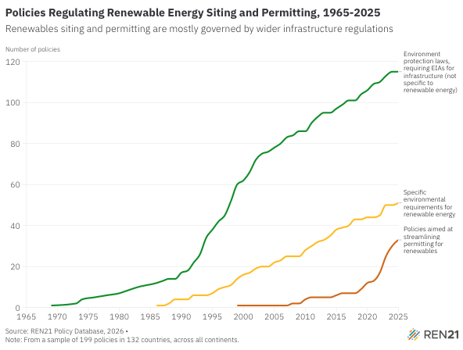
Year | Environment protection laws, requiring EIAs for infrastructure (not specific to renewable energy) | Specific environmental requirements for renewable energy | Policies aimed at streamlining permitting for renewables
1969 | 1
1973 | 2
1974 | 4
1976 | 5
1978 | 6
1980 | 7
1981 | 8
1983 | 10
1986 | 12 | 1
1987 | 13 | 1
1988 | 14 | 2
1989 | 14 | 4
1990 | 17 | 4
1991 | 18 | 4
1992 | 22 | 6
1993 | 26 | 6
1994 | 34 | 6
1995 | 38 | 7
1996 | 42 | 9
1997 | 45 | 10
1998 | 52 | 11
1999 | 60 | 14 | 1
2000 | 62 | 16 | 1
2001 | 66 | 17 | 1
2002 | 72 | 19 | 1
2003 | 75 | 20 | 1
2004 | 76 | 20 | 1
2005 | 78 | 22 | 1
2006 | 80 | 23 | 1
2007 | 83 | 25 | 1
2008 | 84 | 25 | 2
2009 | 86 | 25 | 2
2010 | 86 | 28 | 4
2011 | 90 | 30 | 5
2012 | 93 | 32 | 5
2013 | 95 | 33 | 5
2014 | 95 | 35 | 5
2015 | 97 | 38 | 6
2016 | 99 | 39 | 7
2017 | 101 | 40 | 7
2018 | 101 | 43 | 7
2019 | 104 | 43 | 9
2020 | 106 | 44 | 12
2021 | 109 | 44 | 13
2022 | 110 | 45 | 17
2023 | 113 | 50 | 25
2024 | 115 | 50 | 30
2025 | 115 | 51 | 33

