Feuil1
Recycling Rates of Selected Metals and Minerals, Across all Sectors, as of 2021
Established metal industries such as aluminium achieve higher recycling rates
Note: Recycling rates refer to the percentage of the metals that are actually recycled, not their potential recyclability
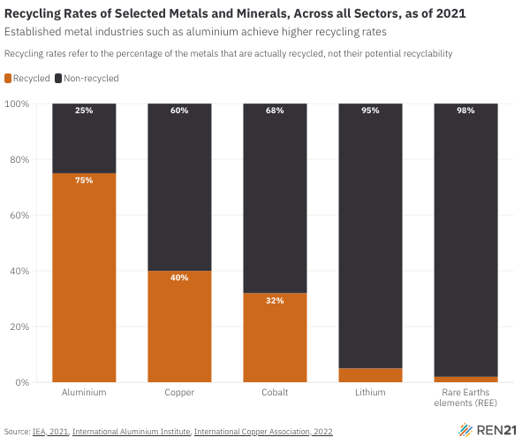
Source: International Energy Agency, ‘End-of-life recycling rates for selected metals’, 2021, https://www.iea.org/data-and-statistics/charts/end-of-life-recycling-rates-for-selected-metals; International Aluminium Institute, ‘Recycling’, https://international-aluminium.org/work-areas/recycling; International Copper Association, ‘Copper Recycling’, 2022, https://internationalcopper.org/wp-content/uploads/2022/02/ICA-RecyclingBrief-202201-A4-R2.pdf.

Material / Product | Recycled | Non-recycled
Aluminium | 75% | 25%
Copper | 40% | 60%
Cobalt | 32% | 68%
Lithium | 5% | 95%
Rare Earths elements (REE) | 2% | 98%

