Feuil1
Renewables Consumption, Fossil Fuel Consumption and Energy-Related CO₂ Emissions, 2010-2025
Rapid renewable energy growth has not yet reversed rising fossil fuel use and global CO₂ emissions
Source: International Energy Agency (IEA), ‘World Energy Balances 2023’, 2025, https://www.iea.org/data-and-statistics/data-product/world-energy-balances; IEA, ‘Global Energy Review 2025 – CO2 Emissions’, 2025, http://www.iea.org/reports/global-energy-review-2025/co2-emissions

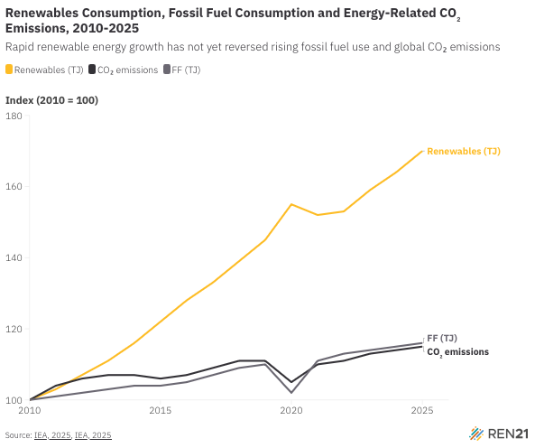
Year | Renewables (TJ) | CO₂ emissions | Fossil Fuels (TJ)
2010 | 100 | 100 | 100
2011 | 103 | 104 | 101
2012 | 107 | 106 | 102
2013 | 111 | 107 | 103
2014 | 116 | 107 | 104
2015 | 122 | 106 | 104
2016 | 128 | 107 | 105
2017 | 133 | 109 | 107
2018 | 139 | 111 | 109
2019 | 145 | 111 | 110
2020 | 155 | 105 | 102
2021 | 152 | 110 | 111
2022 | 153 | 111 | 113
2023 | 159 | 113 | 114
2024 | 164 | 114 | 115
2025 | 170 | 115 | 116

