Feuil1
Primary Sector Linked to Renewables in National Adaptation Plans, as of 2026
Climate-vulnerable countries across different regions most frequently co-mention renewables and agriculture in their NAPs
Note: All NAPs submitted as of March 2026 were analysed using multilingual keywords to identify sentences where renewables and key sectors are mentioned together. The main sector shown reflects the most frequent co-occurrence in each document and indicates presence in the document, not necessarily policy strength.
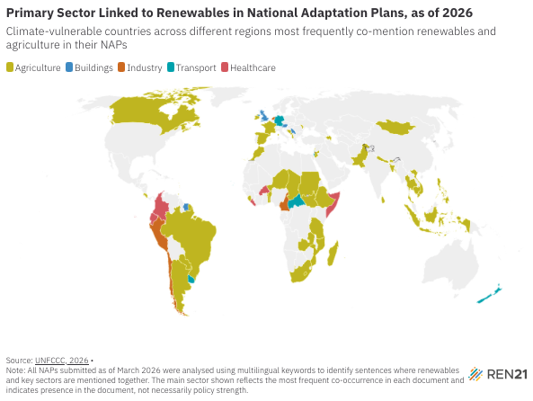
Source: United Nations Climate Change, ‘National Adaptation Plans’, 2026, https://unfccc.int/national-adaptation-plans.

Country | Most referenced sector in RE context
Albania | Agriculture
Antigua and Barbuda | Buildings
Argentina | Agriculture
Austria | Buildings
Azerbaijan | Agriculture
Bahrain | Agriculture
Bangladesh | Agriculture
Benin | Agriculture
Bhutan | Agriculture
Bosnia and Herzegovina | Agriculture
Brazil | Agriculture
Brunei Darussalam | Industry
Cabo Verde | Transport
Burkina Faso | Healthcare
Cambodia | Agriculture
Cameroon | Industry
Canada | Agriculture
Central African Republic | Transport
Chad | Agriculture
Chile | Industry
Colombia | Healthcare
Costa Rica | Agriculture
DRC | Agriculture
Ecuador | Healthcare
Ethiopia | Agriculture
France | Agriculture
Germany | Transport
Grenada | Agriculture
Grenada Updated | Agriculture
Indonesia | Agriculture
Ireland | Agriculture
Israel | Transport
Jordan | Agriculture
Kiribati | Healthcare
Lao PDR | Industry
Lebanon | Agriculture
Lesotho | Agriculture
Liberia | Healthcare
Madagascar | Agriculture
Marshall Islands | Transport
Moldova | Agriculture
Mongolia | Agriculture
Montenegro | Agriculture
Morocco | Agriculture
Mozambique | Agriculture
Nepal | Agriculture
Netherlands | Industry
New Zealand | Transport
Niger | Agriculture
Pakistan | Agriculture
Palestine | Industry
Paraguay | Agriculture
Peru | Industry
Philippines | Agriculture
Saint Lucia | Agriculture
Saint Vincent and the Grenadines | Healthcare
Serbia | Buildings
Sierra Leone | Agriculture
Somalia | Healthcare
South Africa | Agriculture
South Sudan | Agriculture
Spain | Agriculture
Sri Lanka | Agriculture
Sudan | Agriculture
Suriname | Buildings
Tanzania | Agriculture
Thailand | Agriculture
Timor Leste | Agriculture
Togo | Agriculture
Tonga | Agriculture
Trinidad and Tobago | Agriculture
Tuvalu | Buildings
United Kingdom | Buildings
Uruguay | Transport
Vietnam | Agriculture
Zambia | Agriculture

