Feuil1
Primary Sector Linked to Renewables in Third NDCs, as of 2026
African countries most often mention renewables together with agriculture, while in Europe and the Americas, they are more frequently linked to transport and industry
Note: All Third NDCs submitted as of March 2026 were analysed using multilingual keywords to identify sentences where renewables and key sectors are mentioned together. The main sector shown reflects the most frequent co-occurrence in each document and indicates presence in the document, not necessarily policy strength. To qualify as a new submission in the third round of NDCs, an NDC must define its contribution with a 2035 time frame.
Source: United Nations Climate Change, ‘NDC Registry’, 2026, https://unfccc.int/fr/NDCREG.
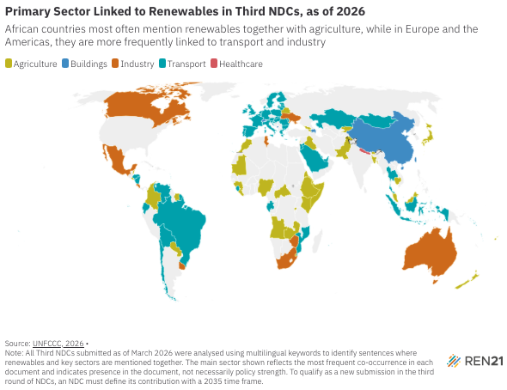
Country | Most referenced sector in RE context
Angola | Agriculture
Andorra | Buildings
Armenia | Agriculture
Australia | Industry
Austria | Transport
Azerbaijan | Buildings
Bahamas | Transport
Bahrain | Agriculture
Bangladesh | Agriculture
Barbados | Agriculture
Belarus | Agriculture
Belgium | Transport
Belize | Agriculture
Bhutan | Agriculture
Bolivia | Transport
Brazil | Transport
Bulgaria | Transport
Cabo Verde | Transport
Cambodia | Agriculture
Canada | Industry
Central African Republic | Agriculture
Chile | Transport
China | Buildings
Colombia | Agriculture
Congo | Agriculture
Costa Rica | Industry
Côte d'Ivoire | Agriculture
Croatia | Transport
Cyprus | Transport
Czechia | Transport
Denmark | Transport
Djibouti | Agriculture
Ecuador | Transport
El Salvador | Agriculture
Eritrea | Agriculture
Estonia | Transport
Eswatini | Agriculture
Ethiopia | Agriculture
Fiji | Agriculture
Finland | Transport
France | Transport
Gabon | Transport
Georgia | Agriculture
Germany | Transport
Greece | Transport
Guinea | Agriculture
Honduras | Transport
Hungary | Transport
Indonesia | Transport
Iraq | Agriculture
Ireland | Transport
Italy | Transport
Japan | Agriculture
Jordan | Transport
Kazakhstan | Transport
Kenya | Agriculture
Kyrgyzstan | Agriculture
Latvia | Transport
Lebanon | Agriculture
Liberia | Agriculture
Liechtenstein | Buildings
Lithuania | Transport
Luxembourg | Transport
Malaysia | Agriculture
Maldives | Transport
Malta | Transport
Marshall Islands | Transport
Mauritania | Agriculture
Mauritius | Transport
Mexico | Industry
Micronesia | Transport
Moldova | Transport
Monaco | Buildings
Mongolia | Transport
Montenegro | Buildings
Morocco | Agriculture
Mozambique | Transport
Nauru | Transport
Nepal | Healthcare
Netherlands | Transport
New Zealand | Agriculture
Nicaragua | Transport
Nigeria | Agriculture
Niue | Transport
Pakistan | Agriculture
Palau | Transport
Paraguay | Agriculture
Poland | Transport
Portugal | Transport
Qatar | Transport
Republic of Korea | Industry
Romania | Transport
Rwanda | Agriculture
Saint Lucia | Transport
Saint Vincent and the Grenadines | Agriculture
Samoa | Transport
Sao Tome and Principe | Agriculture
Saudi Arabia | Transport
Seychelles | Buildings
Sierra Leone | Transport
Singapore | Industry
Slovakia | Transport
Slovenia | Transport
Solomon Islands | Transport
Somalia | Agriculture
South Africa | Industry
Spain | Transport
SriLanka | Agriculture
Suriname | Agriculture
Sweden | Transport
Switzerland | Buildings
Thailand | Transport
Tonga | Transport
Trinidad and Tobago | Transport
Tunisia | Industry
Türkiye | Agriculture
Tuvalu | Transport
Ukraine | Industry
United Arab Emirates | Transport
United Kingdom | Transport
Uruguay | Industry
Vanuatu | Transport
Venezuela | Transport
Zambia | Agriculture
Zimbabwe | Industry

