Feuil1
European Renewable Energy Communities (REC), by Technology Type, as of 2022
Solar PV represents the most widely adopted technology for local energy generation across European REC
Note: Based on HVL ENBP 2022 Inventory data for 2018-2022. Represents the proportional share of each technology within the REC portfolio.
Source: Western Norway University of Applied Sciences, ‘ENBP Inventory ‘Energy by people’ – First Europe-wide inventory on energy communities’, 2022, https://dataverse.no/dataset.xhtml?persistentId=doi:10.18710/2CPQHQ.

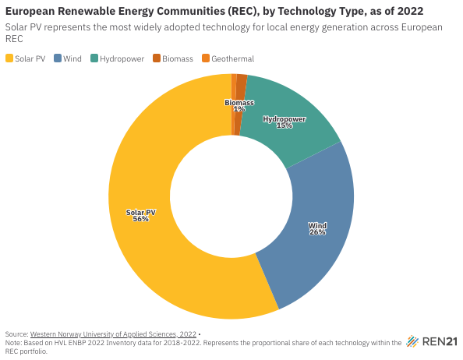
Technology | Technology Share (%) in European Renewable Energy Communities (REC)
Solar PV | 56.38
Wind | 26.06
Hydropower | 15.43
Biomass | 1.43
Geothermal | 0.7

