Feuil1
Legally Registered European Renewable Energy Communities for Energy Production, as of 2022
Western Europe dominates the sector, led by the Netherlands with 846 legal registrations
Note: Based on HVL ENBP 2022 Inventory data for 2018-2022. Data represent legally registered, EU-compliant Renewable Energy Communities (RECs) with verified legal forms and GLEIF identifiers; they include primary energy production from solar, wind, hydropower, biomass and geothermal sources, and exclude co-generation. These communities represent a narrow subset of the broader energy community landscape.
Source: Western Norway University of Applied Sciences, ‘ENBP Inventory ‘Energy by people’ – First Europe-wide inventory on energy communities’, 2022, https://dataverse.no/dataset.xhtml?persistentId=doi:10.18710/2CPQHQ. The 2018-2022 timeframe represents the inventory’s reporting period following the adoption of the EU Renewable Energy Directive (RED II) and captures a cumulative snapshot of the market as of 2022. The legal formalisation of the sector during this time allowed both existing co-operatives and new groups to achieve legal status as renewable energy communities, causing a sharp increase in numbers. Therefore, the data are highly sensitive to the timing of specific national policy transpositions.

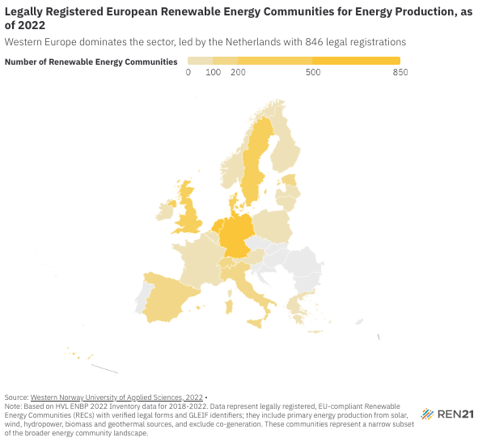
Country | Number of Renewable Energy Communities (REC)
Austria | 57
Belgium | 61
Bulgaria | 0
Croatia | 0
Cyprus | 0
Czechia | 0
Denmark | 364
Estonia | 125
Finland | 13
France | 98
Germany | 759
Greece | 39
Hungary | 0
Ireland | 53
Italy | 105
Latvia | 3
Lithuania | 18
Luxembourg | 14
Malta | 0
Netherlands | 846
Norway | 11
Poland | 30
Portugal | 0
Romania | 0
Slovakia | 0
Slovenia | 0
Spain | 170
Sweden | 207
Switzerland | 133
United Kingdom | 239

