Feuil1
National Citizen Engagement and Community Energy Policies, as of 2026
Regulatory frameworks dominate citizen engagement and community energy policy globally, with fewer countries having financial incentives in place — and Europe accounting for the majority of both
Note: This map reflects policies that support community energy, citizen engagement, and benefit sharing. For EU countries, this map reflects both independently adopted national policies and national policies transposing EU definitions, enabling frameworks and national support schemes for renewable energy communities, as introduced in the EU's Renewable Energy Directive and the International Electricity Market Directive.
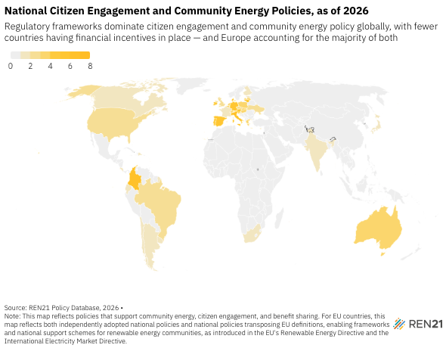
Source: European Commission, ‘Renewable Energy Directive’, https://energy.ec.europa.eu/topics/renewable-energy/renewable-energy-directive-targets-and-rules/renewable-energy-directive_en.

Country | Number of policies | Policy instruments
Argentina | 1 | Regulation for collective self-consumption
Australia | 3 | Regulation for citizen engagement; Regulation for collective self-consumption
Austria | 5 | Financial incentives for community energy; Legal framework for energy communities
Belgium | 3 | Legal framework for energy communities; Regulation for citizen engagement
Brazil | 2 | Regulation for collective self-consumption
Canada | 1 | Regulation for citizen engagement
Chile | 1 | Capacity building for citizen engagement
Colombia | 6 | Financial incentives for community energy; Legal framework for energy communities; Regulation for collective self-consumption
Costa Rica | 1 | Financial incentives for community energy
Croatia | 1 | Legal framework for energy communities
Cyprus | 2 | Legal framework for energy communities
Czech Republic | 2 | Financial incentives for community energy; Legal framework for energy communities
Denmark | 8 | Financial incentives for community energy; Local benefit-sharing and compensation from renewable energy projects; Legal framework for energy communities; Regulation for collective self-consumption
Dominican Republic | 1 | Financial incentives for community energy
Ecuador | 1 | Financial incentives for community energy
Estonia | 1 | Legal framework for energy communities
Finland | 1 | Legal framework for energy communities
France | 1 | Legal framework for energy communities
Germany | 5 | Financial incentives for community energy; Legal framework for energy communities; Local benefit-sharing and compensation from renewable energy projects; Regulation for collective self-consumption
Greece | 3 | Financial incentives for community energy; Legal framework for energy communities
Hungary | 3 | Financial incentives for community energy; Legal framework for energy communities
Ireland | 4 | Financial incentives for community energy
Italy | 6 | Financial incentives for community energy; Legal framework for energy communities; Regulation for collective self-consumption
India | 1 | Regulation for collective self-consumption
Japan | 1 | Regulation for citizen engagement
Latvia | 3 | Legal framework for energy communities; Regulation for collective self-consumption
Lithuania | 5 | Financial incentives for community energy; Legal framework for energy communities
Luxembourg | 3 | Financial incentives for community energy; Legal framework for energy communities
Malta | 1 | Legal framework for energy communities
Netherlands | 3 | Financial incentives for community energy; Legal framework for energy communities
Poland | 3 | Financial incentives for community energy; Legal framework for energy communities
Portugal | 5 | Financial incentives for community energy; Legal framework for energy communities; Regulation for collective self-consumption
Slovakia | 3 | Legal framework for energy communities; Regulation for collective self-consumption
Slovenia | 4 | Financial incentives for community energy; Legal framework for energy communities; Regulation for collective self-consumption
South Africa | 1 | Regulation for collective self-consumption
Spain | 5 | Capacity building for energy communities; Financial incentives for community energy; Legal framework for energy communities; Regulation for collective self-consumption
Switzerland | 3 | Legal framework for energy communities; Regulation for collective self-consumption
Ukraine | 2 | Financial incentives for community energy; Legal framework for energy communities
United Kingdom | 2 | Capacity building for citizen engagement; Financial incentives for community energy; Regulation for citizen engagement
United States of America | 2 | Capacity building for energy communities; Financial incentives for community energy
Uruguay | 1 | Capacity building for energy communities
Russia | 0

