Feuil1
Compensation Mechanisms for Distributed Renewable Energy, by Country and Policy Type, as of 2025
A diverse mix of policy approaches is used globally to support distributed renewables, with feed-in tariffs, net metering and net billing reflecting different market designs and stages of system integration
Note: Net metering typically credits surplus electricity at the full retail rate, offsetting consumption on a one-to-one basis, whereas net billing compensates exports at a lower rate – such as the wholesale or avoided cost – and separates billing for consumption and generation.
Source: REN21, ‘REN21 Policy Database’, 2026.

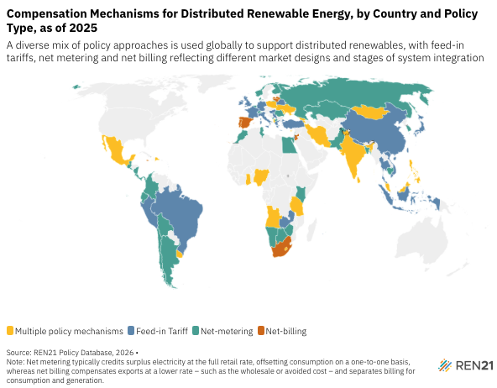
Country | Policy type | Year enacted
Albania | Multiple policy mechanisms | Feed-in tariff since 2017; Net metering since 2019
Angola | Multiple policy mechanisms | Feed-in tariff since 2021; Net metering since 2021
Armenia | Multiple policy mechanisms | Feed-in tariff since 2011; Net metering since 2015
Cyprus | Multiple policy mechanisms | Net metering since 2013; Net billing since 2026
Dominican Republic | Multiple policy mechanisms | Feed-in tariff since 2007; Net metering since 2011
Georgia | Multiple policy mechanisms | Feed-in tariff since 2020; Net metering since 2016
Ghana | Multiple policy mechanisms | Feed-in tariff since 2014; Net metering since 2022
India | Multiple policy mechanisms | Feed-in tariff since 2009; Net metering since 2009
Iran | Multiple policy mechanisms | Feed-in tariff since 2011; Net metering since 2016
Lesotho | Multiple policy mechanisms | Feed-in tariff N/A; Net billing since 2013
Malaysia | Multiple policy mechanisms | Feed-in tariff since 2016; Net metering since 2024
Maldives | Multiple policy mechanisms | Feed-in tariff since 2011; Net metering since 2020
Mexico | Multiple policy mechanisms | Net metering since 2007; Net billing since 2017
Mongolia | Multiple policy mechanisms | Feed-in tariff since 2007; Net metering since 2025
Nigeria | Multiple policy mechanisms | Feed-in tariff since 2012; Net metering since 2023
Palestine, State of | Multiple policy mechanisms | Net metering since 2015; Net billing since 2025
Philippines | Multiple policy mechanisms | Feed-in tariff since 2025; Net metering since 2013
Poland | Multiple policy mechanisms | Feed-in tariff since 2024; Net billing since 2021
Republic of Moldova | Multiple policy mechanisms | Feed-in tariff since 2016; Net billing since 2023
Sri Lanka | Multiple policy mechanisms | Feed-in tariff since 2007; Net metering since 2010
Tanzania, the United Republic of | Multiple policy mechanisms | Feed-in tariff since 2008; Net metering since 2018
Ukraine | Multiple policy mechanisms | Feed-in tariff since 2024; Net metering since 2023
Uruguay | Multiple policy mechanisms | Feed-in tariff since 2010; Net metering since 2010
Barbados | Feed-in Tariff | Feed-in tariff since 2022
Antigua and Barbuda | Net-metering | Net metering since 2015
Argentina | Net-metering | Net metering since 2015
Bahrain | Net-metering | Net metering since 2021
Bangladesh | Net-metering | Net metering since 2018
Belarus | Feed-in Tariff | Feed-in tariff since 2011
Belgium | Net-metering | Net metering since 2011
Bolivia | Net-metering | Net metering since 2021
Botswana | Net-metering | Net metering since 2020
Brazil | Feed-in Tariff | Feed-in tariff since 2022
Cambodia | Net-metering | Net metering since 2023
Chile | Net-metering | Net metering since 2014
China | Feed-in Tariff | Feed-in tariff since 2009
Colombia | Net-metering | Net metering since 2014
Costa Rica | Net-metering | Net metering since 2014
Denmark | Net-metering | Net metering since 2015
Ecuador | Net-metering | Net metering since 2018
Egypt | Net-metering | Net metering since 2013
El Salvador | Net-metering | Net metering since 2012
Finland | Net-metering | Net metering since 2021
France | Feed-in Tariff | Feed-in tariff since 2016
Germany | Feed-in Tariff | Feed-in tariff since 2000
Greece | Feed-in Tariff | Feed-in tariff since 2024
Guatemala | Net-metering | Net metering since 2008
Hungary | Feed-in Tariff | Feed-in tariff since 2022
Indonesia | Feed-in Tariff | Feed-in tariff since 2009
Ireland | Feed-in Tariff | Feed-in tariff since 2023
Israel | Feed-in Tariff | Feed-in tariff since 2023
Italy | Feed-in Tariff | Feed-in tariff since 2007
Jamaica | Net-billing | Net billing since 2012
Japan | Feed-in Tariff | Feed-in tariff since 2012
Jordan | Net-billing | Net billing since 2014
Kazakhstan | Net-metering | Net metering since 2014
Kenya | Net-metering | Net metering since 2022
Latvia | Net-billing | Net billing since 2014
Lebanon | Net-metering | Net metering since 2011
Lithuania | Net-billing | Net billing since 2015
Macedonia, North | Net-metering | Net metering since 2019
Mauritius | Net-metering | Net metering since 2015
Montenegro | Net-metering | Net metering since 2021
Morocco | Net-metering | Net metering since 2015
Namibia | Net-metering | Net metering since 2017
Nepal | Feed-in Tariff | Feed-in tariff since 2017
Netherlands (Kingdom of the) | Feed-in Tariff | Feed-in tariff since 2024
Nicaragua | Net-metering | Net metering since 2017
Norway | Net-metering | Net metering since 2016
Pakistan | Net-metering | Net metering since 2017
Panama | Net-metering | Net metering since 2008
Peru | Feed-in Tariff | Feed-in tariff since 2008
Portugal | Net-billing | Net billing since 2019
Republic of Korea | Net-metering | Net metering since 2005
Romania | Net-metering | Net metering since 2018
Russian Federation | Net-metering | Net metering since 2021
Saint Vincent and the Grenadines | Net-metering | Net metering since 2014
Serbia | Feed-in Tariff | Feed-in tariff since 2023
Seychelles | Net-metering | Net metering since 2014
Singapore | Net-metering | Net metering since 2008
South Africa | Net-billing | Net billing since 2024
Spain | Net-billing | Net billing since 2019
Switzerland | Net-metering | Net metering since 2018
Taiwan | Feed-in Tariff | Feed-in tariff since 2023
Thailand | Feed-in Tariff | Feed-in tariff since 2022
Tunisia | Net-metering | Net metering since 2020
Türkiye | Feed-in Tariff | Feed-in tariff since 2023
United Kingdom | Feed-in Tariff | Feed-in tariff since 2010
Viet Nam | Feed-in Tariff | Feed-in tariff since 2023
Zambia | Feed-in Tariff | Feed-in tariff since 2017
Zimbabwe | Net-metering | Net metering since 2022

