Feuil1
Global Pay-As-You-Go and Cash Sales of Solar Energy Kits, 2021-2025
PAYGo and cash sales reach near-parity in 2025 as PAYGo hits a record high and cash sales fall to a four-year low
Note: Solar energy kits include lanterns, multi-light systems and solar home systems. Data on sales type are unavailable for some regions and are therefore not reflected in this figure.
Source: GOGLA, ‘Global Off-Grid Solar Market Data’, 2026

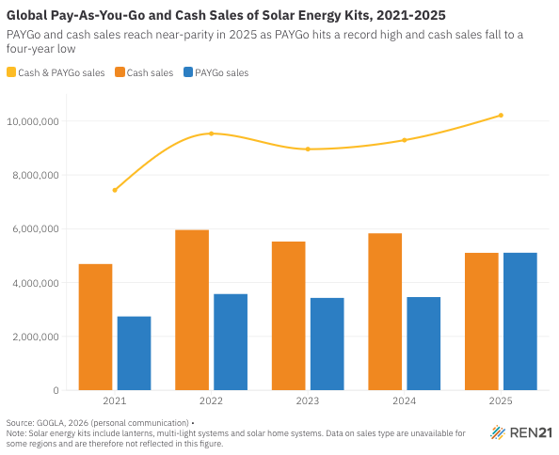
Year | Cash & PAYGo sales | Cash sales | PAYGo sales
2021 | 7433324 | 4690839 | 2742485
2022 | 9533199 | 5956826 | 3576373
2023 | 8957071 | 5525538 | 3431533
2024 | 9291456 | 5829397 | 3462059
2025 | 10214938 | 5105663 | 5109275

