Feuil1
Newly Installed Solar PV Capacity, by Region, 2021-2025
Centralised solar PV leads in 2025, yet distributed installations represent a substantial global share; Asia Pacific, led by China, dominates global deployment
Note: Distributed solar PV includes both decentralised and off-grid solar PV. IEA PVPS regional data covers a selection of countries per region, not all. Middle East and Africa, for example, is based on data from Algeria, Egypt and South Africa. IEA PVPS supplements reported data with expert estimates to account for incomplete reporting, DC/AC measurement differences and registration delays.
Source: International Energy Agency, Photovoltaic Power Systems Programme, ‘Snapshot of Global PV Markets 2026’, 2026, https://iea-pvps.org/wp-content/uploads/2026/04/Snapshot-of-Global-PV-Markets-2026.pdf.

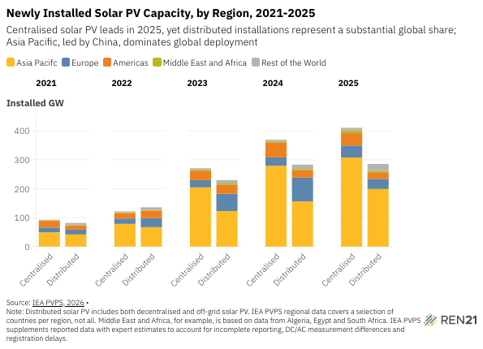
Year | Region | Asia Pacifc | Europe | Americas | Middle East and Africa | Rest of the World
2021 | Centralised | 49.3 | 16.4 | 23.4 | 1.3 | 2.6
2021 | Distributed | 41.9 | 16.9 | 14.1 | 1.4 | 7.6
2022 | Centralised | 78.6 | 18.5 | 19.1 | 2.6 | 3.1
2022 | Distributed | 67.2 | 31.0 | 26.7 | 1.9 | 9.2
2023 | Centralised | 204.9 | 25.1 | 32.4 | 4.5 | 4.2
2023 | Distributed | 122.7 | 60.0 | 30.5 | 5.2 | 11.4
2024 | Centralised | 279.6 | 28.9 | 50.2 | 4.8 | 6.0
2024 | Distributed | 156.1 | 82.8 | 24.8 | 5.0 | 15.0
2025 | Centralised | 308.1 | 41.4 | 42.9 | 9.5 | 9.0
2025 | Distributed | 199.3 | 34.9 | 20.9 | 7.2 | 23.8

Year | Total installed solar PV capacity
2022 | 9533199
2023 | 8957071
2024 | 9291456
2025 | 10214938

