Feuil1
Electricity Access Targets and Policies with Renewables in Countries Without Universal Electricity Access, as of 2026
Distributed renewable energy solutions are the primary pathway to meet universal electricity access targets
Note: Distributed renewable energy solutions include stand-alone solar systems, and mini-grids/micro-grids. 'Without universal electricity access' refers to countries where only 98% or less of the population had access to electricity as of 2023.
Source: REN21, ‘REN21 Policy Database’, 2026.
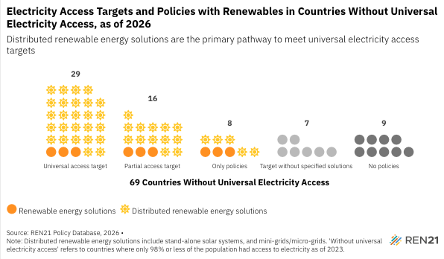
69 Countries Without Universal Electricity Access | Policy type | Number of Countries
No policies | N/A | 9
Target without specified solutions | Targets only | 7
Only policies | Renewable energy solutions | 3
Only policies | Distributed renewable energy solutions | 5
Partial access target | Renewable energy solutions | 3
Partial access target | Distributed renewable energy solutions | 13
Universal access target | Renewable energy solutions | 3
Universal access target | Distributed renewable energy solutions | 26

