Feuil1
Electricity Access Policies in Countries Without Universal Electricity Access, as of 2026
Policies to expand electricity access in countries without universal coverage are centred on renewable energy, particularly distributed solutions
Note: Distributed renewable energy solutions include decentralised renewables, stand-alone solar systems, and mini-grids/micro-grids. This figure only includes measures implemented to increase electricity access and does not include targets. 'Without universal electricity access' refers to countries where only 98% or less of the population had access to electricity as of 2023.
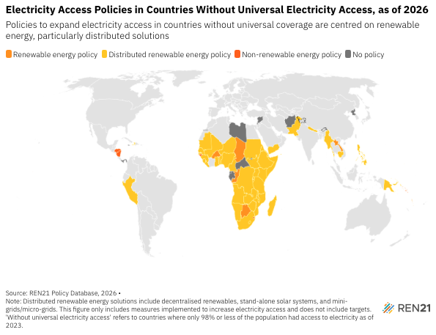
Source: REN21, ‘REN21 Policy Database’, 2026.

Country | Access rate | Policy Type | Instrument
Afghanistan | 85.3 | No policy | No policy
Angola | 51.1 | fiscal/financial policy; strategy/roadmap; target | Distributed renewable energy policy
Benin | 57 | fiscal/financial policy; strategy/roadmap; target | Distributed renewable energy policy
Botswana | 76 | fiscal/financial policy; target | Renewable energy policy
Burkina Faso | 21.7 | strategy/roadmap; target | Renewable energy policy
Burundi | 11.6 | fiscal/financial policy; target | Distributed renewable energy policy
Cambodia | 95 | fiscal/financial policy | Distributed renewable energy policy
Cameroon | 72 | strategy/roadmap; target | Distributed renewable energy policy
Central African Republic | 17.6 | No policy | No policy
Chad | 12 | fiscal/financial policy; strategy/roadmap; target | Renewable energy policy
Comoros | 89.8 | strategy/roadmap; target | Distributed renewable energy policy
Cote d'Ivoire | 72.4 | fiscal/financial policy; regulation/mandate; strategy/roadmap; target | Distributed renewable energy policy
Democratic Republic of the Congo | 22.1 | fiscal/financial policy; strategy/roadmap; target | Distributed renewable energy policy
Djibouti | 65.2 | strategy/roadmap; target | Distributed renewable energy policy
Equatorial Guinea | 66.9 | No policy | No policy
Eritrea | 54.4 | strategy/roadmap; target | Distributed renewable energy policy
Eswatini | 86.4 | target | Non-renewable energy policy
Ethiopia | 55.4 | fiscal/financial policy; strategy/roadmap; target | Distributed renewable energy policy
Federated States of Micronesia | 86.9 | strategy/roadmap; target | Distributed renewable energy policy
Gabon | 94.1 | No policy | No policy
Ghana | 89.5 | strategy/roadmap; target | Distributed renewable energy policy
Grenada | 94.4 | strategy/roadmap | Renewable energy policy
Guinea | 51.1 | strategy/roadmap; target | Distributed renewable energy policy
Guinea-Bissau | 40.5 | strategy/roadmap; target | Non-renewable energy policy
Haiti | 51.3 | fiscal/financial policy; regulation/mandate; strategy/roadmap | Distributed renewable energy policy
Honduras | 95.6 | target | Non-renewable energy policy
Jamaica | 97.7 | No policy | No policy
Kenya | 76.2 | fiscal/financial policy; guideline; regulation/mandate; strategy/roadmap; target | Distributed renewable energy policy
Kiribati | 95.9 | strategy/roadmap | Renewable energy policy
Laos | 96.5 | strategy/roadmap | Renewable energy policy
Lesotho | 57.3 | strategy/roadmap; target | Distributed renewable energy policy
Liberia | 32.5 | standard; strategy/roadmap; target | Distributed renewable energy policy
Libya | 73.2 | No policy | No policy
Madagascar | 39.4 | fiscal/financial policy; regulation/mandate; standard; strategy/roadmap; target | Distributed renewable energy policy
Malawi | 15.6 | fiscal/financial policy; strategy/roadmap; target | Distributed renewable energy policy
Mali | 54.5 | fiscal/financial policy; target | Distributed renewable energy policy
Mauritania | 50.3 | strategy/roadmap; target | Distributed renewable energy policy
Mozambique | 36 | regulation/mandate; strategy/roadmap; target | Distributed renewable energy policy
Myanmar | 76.8 | strategy/roadmap; target | Distributed renewable energy policy
Namibia | 56.7 | strategy/roadmap; target | Distributed renewable energy policy
Nepal | 94 | fiscal/financial policy; target | Distributed renewable energy policy
Nicaragua | 88.3 | target | Non-renewable energy policy
Niger | 20.1 | strategy/roadmap; target | Distributed renewable energy policy
Nigeria | 61.2 | fiscal/financial policy; strategy/roadmap; target | Distributed renewable energy policy
North Korea | 57.5 | No policy | No policy
Pakistan | 95.6 | strategy/roadmap | Distributed renewable energy policy
Panama | 97 | No policy | No policy
Papua New Guinea | 20.5 | regulation/mandate; target | Distributed renewable energy policy
Peru | 96.2 | strategy/roadmap; target | Distributed renewable energy policy
Philippines | 98 | fiscal/financial policy; guideline; regulation/mandate | Distributed renewable energy policy
Republic of the Congo | 51.3 | strategy/roadmap; target | Renewable energy policy
Rwanda | 63.9 | fiscal/financial policy; standard; strategy/roadmap; target | Distributed renewable energy policy
São Tomé and Principe | 81.3 | strategy/roadmap; target | Distributed renewable energy policy
Senegal | 74.2 | regulation/mandate; strategy/roadmap; target | Distributed renewable energy policy
Sierra Leone | 35.5 | fiscal/financial; strategy/roadmap; target | Distributed renewable energy policy
Solomon Islands | 81.3 | target | Non-renewable energy policy
Somalia | 50.3 | fiscal/financial; strategy/roadmap; target | Distributed renewable energy policy
South Africa | 87.7 | fiscal/financial; strategy/roadmap; target | Distributed renewable energy policy
South Sudan | 5.4 | target | Distributed renewable energy policy
Sudan | 66 | strategy/roadmap | Distributed renewable energy policy
Syria | 88.4 | No policy | No policy
Tanzania | 48.3 | fiscal/financial policy; strategy/roadmap; target | Distributed renewable energy policy
The Gambia | 66.9 | fiscal/financial policy; target | Distributed renewable energy policy
Togo | 59.2 | fiscal/financial policy; strategy/roadmap; target | Distributed renewable energy policy
Uganda | 51.5 | strategy/roadmap; target | Distributed renewable energy policy
Vanuatu | 61.6 | strategy/roadmap; target | Renewable energy policy
Yemen | 83.6 | fiscal/financial policy; target | Distributed renewable energy policy
Zambia | 51.1 | strategy/roadmap; regulation/mandate; target | Distributed renewable energy policy
Zimbabwe | 62 | fiscal/financial policy; target | Distributed renewable energy policy

