Feuil1
Policies Supporting Reskilling for the Renewables and Energy Transition Sectors, by Country, as of 2026
South Africa stands out globally for its number of energy transition reskilling policies
Note: This map focuses on national-level policies and excludes EU-wide measures, such as the Net-Zero Industry Act and its Net-Zero Industry Academies. It includes Territorial Just Transition Plans because, although part of an EU framework, these are Member State plans that identify affected territories, assess transition needs, define actions and governance arrangements, and enable access to the EU Just Transition Fund.
Source: REN21, ‘REN21 Policy Database’, 2026.

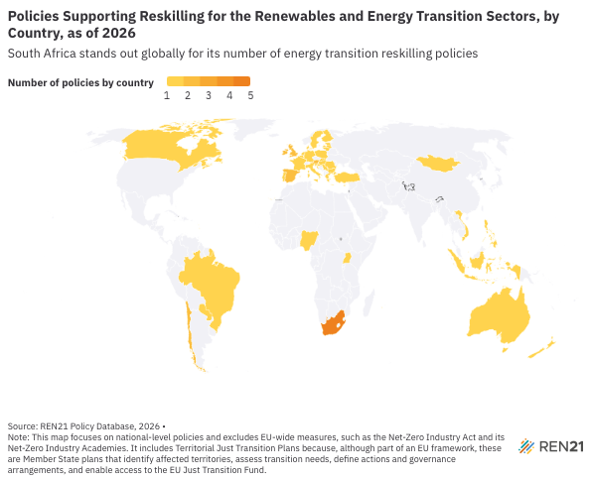
Country | Number of enacted reskilling policies, as of 2026 | Policy Type | Policy Titles
Australia | 1 | Strategy/Roadmap | National Net Zero Authority
Austria | 2 | Strategy/Roadmap | Just Transition Action Plan on Training and Reskilling; Territorial Just Transition Plan
Belgium | 1 | Strategy/Roadmap | Territorial Just Transition Plan
Brazil | 1 | Strategy/Roadmap | Energy Transition Acceleration Program (Programa de Aceleração da Transição Energética/PATEN)
Bulgaria | 1 | Strategy/Roadmap | Territorial Just Transition Plan
Canada | 1 | Regulation/Mandate | Canadian Sustainable Jobs Act
Chile | 2 | Strategy/Roadmap | National Strategy for a Socio-Ecological Just Transition; 2022-2026 Energy Agenda
Croatia | 1 | Strategy/Roadmap | Territorial Just Transition Plan
Cyprus | 1 | Strategy/Roadmap | Territorial Just Transition Plan
Czech Republic | 1 | Strategy/Roadmap | Territorial Just Transition Plan
Denmark | 1 | Strategy/Roadmap | Territorial Just Transition Plan
Estonia | 1 | Strategy/Roadmap | Territorial Just Transition Plan
Finland | 1 | Strategy/Roadmap | Territorial Just Transition Plan
France | 1 | Strategy/Roadmap | Territorial Just Transition Plan
Germany | 1 | Strategy/Roadmap | Territorial Just Transition Plan
Greece | 1 | Strategy/Roadmap | Territorial Just Transition Plan
Hungary | 1 | Strategy/Roadmap | Territorial Just Transition Plan
Indonesia | 1 | Strategy/Roadmap | Green Workforce Development Roadmap
Ireland | 2 | Guideline; Strategy/Roadmap | Climate Action and Low Carbon Development (Amendment) Act 2021; Territorial Just Transition Plan
Italy | 1 | Strategy/Roadmap | Territorial Just Transition Plan
Latvia | 1 | Strategy/Roadmap | Territorial Just Transition Plan
Lithuania | 1 | Strategy/Roadmap | Territorial Just Transition Plan
Luxembourg | 1 | Strategy/Roadmap | Territorial Just Transition Plan
Malta | 1 | Strategy/Roadmap | Territorial Just Transition Plan
Mongolia | 1 | Strategy/Roadmap | Just Energy Transition Framework
Netherlands | 1 | Strategy/Roadmap | Territorial Just Transition Plan
New Zealand | 1 | Strategy/Roadmap | New Zealand's Second Emissions Reduction Plan 2026–30
Nigeria | 1 | Strategy/Roadmap | National Integrated Electricity Policy
Paraguay | 1 | Strategy/Roadmap | National Strategy for the Green Hydrogen Economy in Paraguay
Philippines | 1 | Strategy/Roadmap | National Green Jobs Human Resource Development Plan 2020–2030
Poland | 1 | Strategy/Roadmap | Social Contract for the Mining Industry; Territorial Just Transition Plan
Portugal | 1 | Strategy/Roadmap | Territorial Just Transition Plan
Romania | 1 | Strategy/Roadmap | Territorial Just Transition Plan
Serbia | 1 | Strategy/Roadmap | Just Energy Transition Plan of The Republic of Serbia until 2030
Slovakia | 1 | Strategy/Roadmap | Territorial Just Transition Plan
Slovenia | 1 | Strategy/Roadmap | Territorial Just Transition Plan
South Africa | 5 | Fiscal/financial policy; Regulation/Mandate; Strategy/Roadmap | Climate Change Act No. 50966; Just Energy Transition Implementation Plan 2023–2027; Just Energy Transition Investment Plan; Just Energy Transition Portfolio; Just Energy Transition Skilling for Employment Programme
Spain | 2 | Strategy/Roadmap | Just Transition Strategy; Territorial Just Transition Plan
Sweden | 1 | Strategy/Roadmap | Territorial Just Transition Plan
Türkiye | 1 | Strategy/Roadmap | 2030 Industry and Technology Strategy
Uganda | 1 | Strategy/Roadmap | Uganda Energy Transition Plan
United Kingdom | 2 | Fiscal/financial policy; Strategy/Roadmap | Clean Energy Jobs Plan; Heat Training Grant
Viet Nam | 1 | Strategy/Roadmap | Global Coal-to-Clean Power Transition Statement

