Feuil1
Women’s Share of Full-Time Employment in Renewable Energy, by Activity, as of 2025
At 32%, women's share of renewable energy jobs exceeds the oil and gas sector average (23%) but falls short of the global economy average (43%); representation is highest in policy and administration
Source: International Renewable Energy Agency, ‘Renewable Energy – A Gender Perspective’, 2025, https://www.irena.org/-/media/Files/IRENA/Agency/Publication/2025/Oct/IRENA_ SOC_Renewable_energy_gender_perspective_2Ed_2025.pdf.
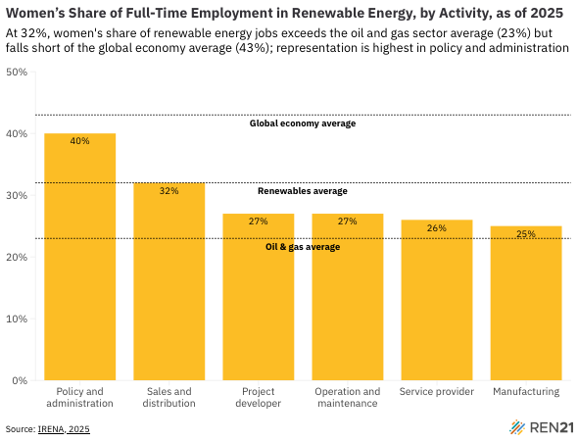
Type of roles | Women's Share
Policy and administration | 40
Sales and distribution | 32
Project developer | 27
Operation and maintenance | 27
Service provider | 26
Manufacturing | 25

