Feuil1
Global Renewable Energy Employment, by Technology, 2017-2024
Employment in renewable energy continues to grow, reaching 16.6 million jobs in 2024, driven largely by solar PV, with steady contributions from bioenergy, hydropower and wind energy
Note: 'Other' refers to jobs across geothermal energy, concentrated solar power, heat pumps (ground based), municipal and industrial waste, and ocean energy.
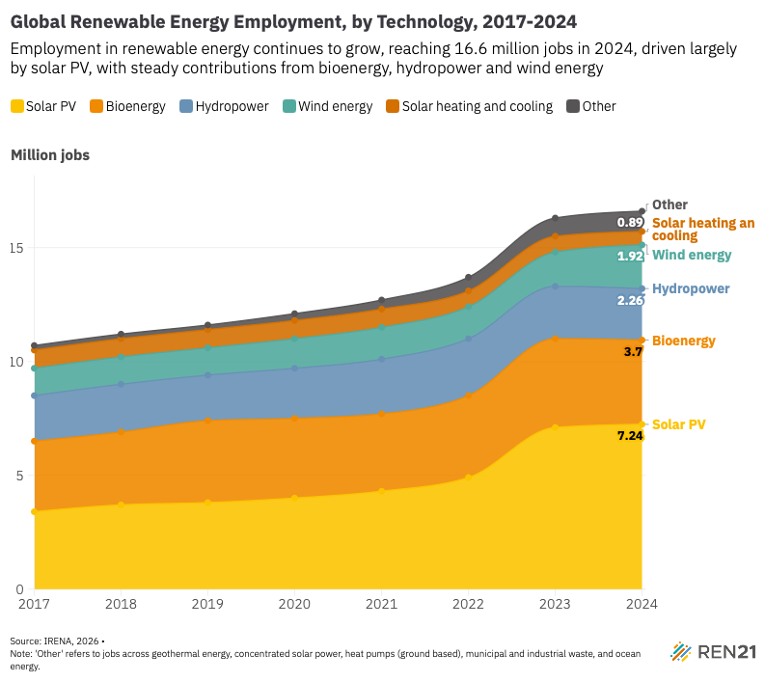
Source: International Renewable Energy Agency, ‘Renewable Energy and Jobs – Annual Review 2025’, 2026, https://www.irena.org/-/media/Files/IRENA/Agency/Publication/2026/Jan/IRENA_SOC_RE_and_jobs_2026.pdf.

Year | Solar PV | Bioenergy | Hydropower | Wind energy | Solar heating and cooling | Other
2017 | 3.4 | 3.1 | 2 | 1.2 | 0.8 | 0.2
2018 | 3.7 | 3.2 | 2.1 | 1.2 | 0.8 | 0.2
2019 | 3.8 | 3.6 | 2 | 1.2 | 0.8 | 0.2
2020 | 4 | 3.5 | 2.2 | 1.3 | 0.8 | 0.3
2021 | 4.3 | 3.4 | 2.4 | 1.4 | 0.8 | 0.4
2022 | 4.9 | 3.6 | 2.5 | 1.4 | 0.7 | 0.6
2023 | 7.1 | 3.9 | 2.3 | 1.5 | 0.7 | 0.8
2024 | 7.24 | 3.7 | 2.26 | 1.92 | 0.59 | 0.89

