Feuil1
Cost of Capital for Renewable Energy Deployment in High- and Low-Income Economies, 2015–2025
Financing costs remain consistently higher in lower-income economies, reflecting structural risk and access barriers that shape the pace of renewable energy deployment
Note: Higher cost of capital reflects perceived risk, currency volatility and limited access to finance.
Source: L. Hatton et. al, ‘Historical and future projected costs of capital for ten energy technologies across 176 countries’, Scientific Data 12/1912 (2025), https://doi.org/10.1038/s41597-025-06177-0.

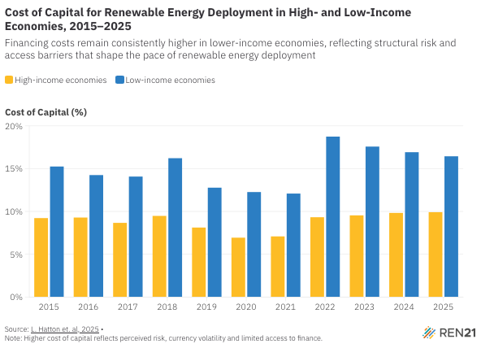
Year | High-income economies | Low-income economies
2015 | 9.225 | 15.25
2016 | 9.288889 | 14.25
2017 | 8.666667 | 14.075
2018 | 9.480556 | 16.22222
2019 | 8.119444 | 12.77778
2020 | 6.936111 | 12.26667
2021 | 7.086111 | 12.08889
2022 | 9.325 | 18.74444
2023 | 9.541667 | 17.57778
2024 | 9.830556 | 16.92222
2025 | 9.913889 | 16.44444

