Feuil1
Global Investment in Renewables and Low-Emission Technologies, 2021-2025
Investment is rising across most technologies, but renewable energy investment has declined in 2025
Note: Investment in electrified transport includes spending on all types of electric vehicles (electric cars, two- and three-wheelers, buses and trucks and fuel cell vehicles) and charging infrastructure (includes home and public charging but not private charging investment for commercial vehicles). Investment in clean industry includes bioplastics, circular economy, clean ammonia and clean steel. Clean shipping includes vessels with combustion engines that can use methanol, ammonia or hydrogen. Battery storage includes only utility-scale. Investment for “clean” hydrogen is captured here as defined by BNEF.
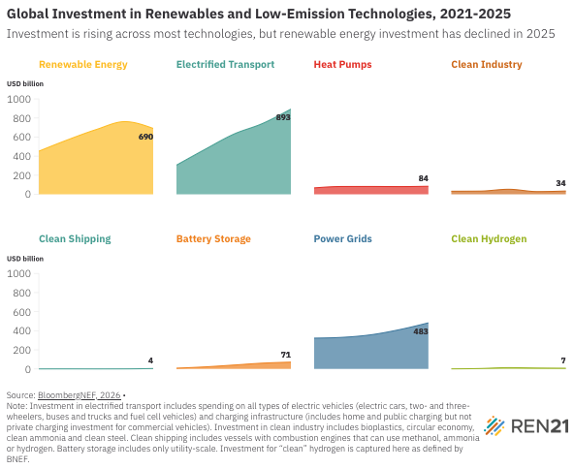
Source: BloombergNEF, ‘Energy Transition Investment Trends’, 2026, https://about.bnef.com/energy-transition-investment.

Year | Renewable Energy | Electrified Transport | Heat Pumps | Clean Industry | Clean Shipping | Battery Storage | Power Grids | Clean Hydrogen
2021 | 452.0569336 | 304.9409129 | 67.00839569 | 32.2951105 | 0.110322692 | 7.670568654 | 322.6484234 | 0.652860975
2022 | 570.5507702 | 470.7198963 | 81.95266496 | 33.60778073 | 0.472440755 | 21.22418394 | 331.0579306 | 4.004250503
2023 | 678.7335203 | 629.9455863 | 82.18305831 | 52.70614962 | 0.142826923 | 40.32679601 | 358.0087903 | 13.23560568
2024 | 761.8658052 | 741.1089172 | 81.03989167 | 28.42979402 | 0.532121509 | 60.19005949 | 412.2245657 | 9.140369014
2025 | 689.7880885 | 893.127677 | 84.40416832 | 34.4592851 | 4.153089388 | 70.95463864 | 482.9982159 | 7.250403441

