Feuil1
Direct Fossil Fuel Subsidies versus Renewable Energy Subsidies in Selected Countries, 2020-2024
Fossil fuel subsidies remain consistently higher than support for renewables, with a sharp increase in 2022 and continued gap across major economies
Note: The figure includes estimated subsidies for fossil fuels that are consumed directly by end-users or consumed as inputs to electricity generation. It does not include indirect or implicit subsidies to fossil fuels.
Source: Based on data from International Energy Agency, ‘Fossil Fuel Subsidies Database’, accessed March 16, 2026, https://www.iea.org/data-and-statistics/data-product/fossil-fuel-subsidies-database, and from renewable energy support data provided by International Institute for Sustainable Development, personal communication with REN21, 21 March 2026.

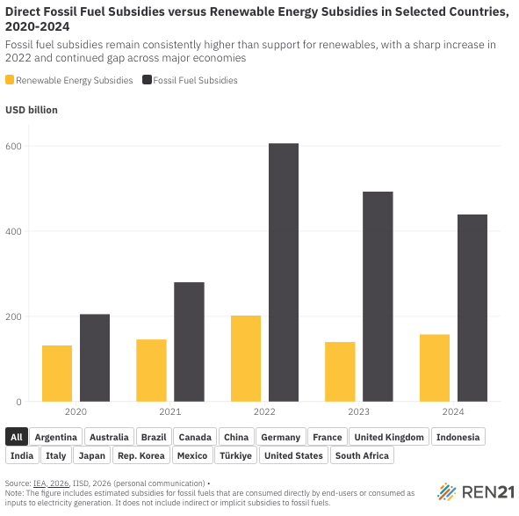
Country | Renewable Energy Subsidies | Fossil Fuel Subsidies | Year
All | 132500.5 | 205000 | 2020
All | 145676.3 | 280000 | 2021
All | 201981.2 | 606000 | 2022
All | 139696.7 | 493000 | 2023
All | 157503.1 | 440000 | 2024
Argentina | 244 | 6000 | 2020
Argentina | 421.6 | 8000 | 2021
Argentina | 396.9 | 15000 | 2022
Argentina | 378.6 | 12000 | 2023
Argentina | 61.9 | 10000 | 2024
Australia | 2,422.40 | 7000 | 2020
Australia | 146 | 8000 | 2021
Australia | 139.6 | 10000 | 2022
Australia | 3,002.80 | 9000 | 2023
Australia | 426 | 9000 | 2024
Brazil | 2,050.00 | 5000 | 2020
Brazil | 2,200.00 | 6000 | 2021
Brazil | 2,707.00 | 9000 | 2022
Brazil | 9,113.80 | 8000 | 2023
Brazil | 2,320.00 | 7000 | 2024
Canada | 8.1 | 14000 | 2020
Canada | 1,042.30 | 15000 | 2021
Canada | 904.1 | 22000 | 2022
Canada | 1,151.90 | 18000 | 2023
Canada | 2,691.70 | 17000 | 2024
China | 13,631.60 | 30000 | 2020
China | 26,612.30 | 45000 | 2021
China | 66,296.40 | 90000 | 2022
China | 15,307.70 | 70000 | 2023
China | 14,749.10 | 65000 | 2024
Germany | 50,180.20 | 12000 | 2020
Germany | 48,149.90 | 18000 | 2021
Germany | 42,855.20 | 35000 | 2022
Germany | 20,836.80 | 28000 | 2023
Germany | 23,841.20 | 25000 | 2024
France | 9,424.60 | 10000 | 2020
France | 6,593.70 | 14000 | 2021
France | 3,392.00 | 28000 | 2022
France | 3,226.60 | 22000 | 2023
France | 6,146.20 | 20000 | 2024
United Kingdom | 4,517.30 | 8000 | 2020
United Kingdom | 5,064.30 | 10000 | 2021
United Kingdom | 7,578.30 | 20000 | 2022
United Kingdom | 6,828.90 | 16000 | 2023
United Kingdom | 5,973.90 | 14000 | 2024
Indonesia | 483.8 | 25000 | 2020
Indonesia | 551.5 | 35000 | 2021
Indonesia | 502.7 | 95000 | 2022
Indonesia | 579.9 | 80000 | 2023
Indonesia | 514.9 | 70000 | 2024
India | 1,289.90 | 20000 | 2020
India | 1,121.00 | 30000 | 2021
India | 1,941.90 | 85000 | 2022
India | 2,108.80 | 70000 | 2023
India | 3,215.90 | 60000 | 2024
Italy | 17,985.00 | 9000 | 2020
Italy | 18,878.10 | 13000 | 2021
Italy | 16,598.40 | 25000 | 2022
Italy | 8,039.10 | 20000 | 2023
Italy | 6,059.90 | 18000 | 2024
Japan | - | 11000 | 2020
Japan | 2,957.10 | 15000 | 2021
Japan | 25,245.60 | 30000 | 2022
Japan | 14,160.30 | 24000 | 2023
Japan | 40,828.10 | 22000 | 2024
Rep. Korea | 1,239.80 | 7000 | 2020
Rep. Korea | 1,367.20 | 10000 | 2021
Rep. Korea | 1,474.10 | 22000 | 2022
Rep. Korea | 1,243.00 | 18000 | 2023
Rep. Korea | 735.8 | 16000 | 2024
Mexico | 36.5 | 10000 | 2020
Mexico | 929.7 | 12000 | 2021
Mexico | 26.7 | 30000 | 2022
Mexico | 16 | 25000 | 2023
Mexico | 37.4 | 22000 | 2024
Türkiye | 6,611.20 | 8000 | 2020
Türkiye | 6,942.30 | 12000 | 2021
Türkiye | 7,943.50 | 25000 | 2022
Türkiye | 8,132.60 | 20000 | 2023
Türkiye | 8,455.80 | 18000 | 2024
United States | 21,990.00 | 20000 | 2020
United States | 22,420.00 | 25000 | 2021
United States | 23,632.30 | 55000 | 2022
United States | 45,230.90 | 45000 | 2023
United States | 40,639.80 | 40000 | 2024
South Africa | 386.1 | 3000 | 2020
South Africa | 279.3 | 4000 | 2021
South Africa | 346.5 | 10000 | 2022
South Africa | 339 | 8000 | 2023
South Africa | 805.5 | 7000 | 2024

