Feuil1
Number of Countries with Fiscal and Financial Renewable Energy Policies, by Type, as of 2026
Net metering and public grants lead policy coverage, while tax and market-based instruments remain selectively adopted
Note: Policies reflected in this figure refer to fiscal and financial policies that explicitly support renewable energy.
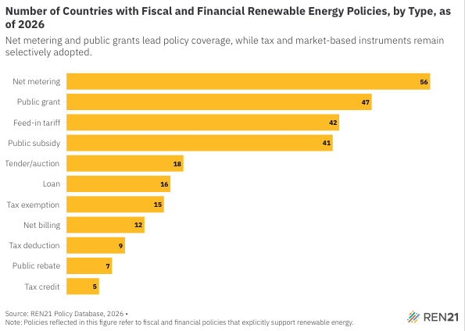
Source: REN21, ‘REN21 Policy Database’, 2026.

Policy type | Number of policies worldwide
Net metering | 56
Public grant | 47
Feed-in tariff | 42
Public subsidy | 41
Tender/auction | 18
Loan | 16
Tax exemption | 15
Net billing | 12
Tax deduction | 9
Public rebate | 7
Tax credit | 5

