Feuil1
Fiscal and Financial Policies for Renewable Energy, by Country, as of 2026
114 countries have fiscal or financial support measures for renewable energy in place
Note: Policies reflected in this map refer to fiscal and financial policies that explicitly support renewable energy. EU-level policies are not reflected. US policy tracking may be incomplete or inaccurate; the current federal administration has rolled back elements of the Inflation Reduction Act, and the status of individual policies, whether fully cancelled, partially rescinded, or still being applied, remains uncertain. China's low policy count reflects the deliberate phase-out of fiscal support instruments as the country's renewable energy market has matured.
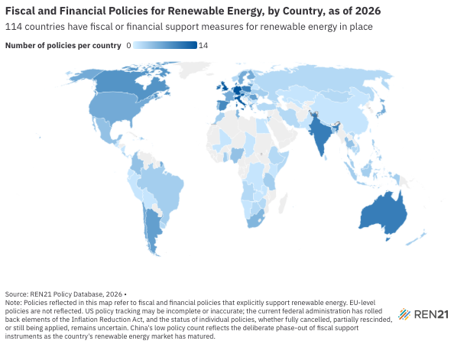
Source: REN21, ‘REN21 Policy Database’, 2026.

Country | Number of Policies | Policy Types
Albania | 2 | feed-in tariff; net metering
Angola | 2 | feed-in tariff; net metering
Antigua and Barbuda | 1 | net metering
Argentina | 7 | loan; net metering; public grant; tax exemption; tender/auction
Armenia | 2 | feed-in tariff; net metering
Australia | 10 | loan; public grant; public rebate; public subsidy; tender/auction
Austria | 13 | feed-in tariff; public grant; public subsidy; tax deduction; tax exemption
Bahrain | 1 | net metering
Bangladesh | 4 | net metering; tax exemption
Barbados | 1 | feed-in tariff
Belarus | 1 | feed-in tariff
Belgium | 2 | net metering; public grant
Bolivia | 1 | net metering
Botswana | 2 | net metering; public grant
Brazil | 3 | feed-in tariff; public subsidy; tax deduction
Bulgaria | 1 | public grant
Cambodia | 2 | net metering; public subsidy
Canada | 8 | public grant; public subsidy; tax credit
Chad | 1 | public grant
Chile | 6 | net metering; public grant; public subsidy; tax exemption
China | 1 | public subsidy
Colombia | 4 | net metering; public grant; public subsidy
Costa Rica | 3 | net metering; tax exemption
Côte d'Ivoire | 1 | loan
Croatia | 3 | public grant; tax exemption
Cyprus | 2 | net billing; public grant
Czechia | 6 | public grant; public rebate; public subsidy; tax exemption
Democratic Republic of the Congo | 1 | public grant
Denmark | 11 | net metering; public grant; public subsidy; tax credit; tax exemption; tender/auction
Dominica | 1 | loan
Dominican Republic | 3 | feed-in tariff; loan; net metering
Ecuador | 1 | net metering
Egypt | 1 | net metering
El Salvador | 1 | net metering
Estonia | 3 | public grant; public subsidy
Ethiopia | 2 | public grant
Finland | 6 | net metering; public grant; tax credit
France | 6 | feed-in tariff; public grant; public subsidy; tax deduction; tender/auction
Gambia | 1 | public grant
Georgia | 2 | feed-in tariff; net metering
Germany | 14 | feed-in tariff; loan; public grant; public rebate; public subsidy; tender/auction
Ghana | 3 | feed-in tariff; net metering; public grant
Greece | 6 | feed-in tariff; public grant; public subsidy; tender/auction
Guatemala | 1 | net metering
Haiti | 1 | public subsidy
Hungary | 4 | feed-in tariff; public grant
India | 10 | feed-in tariff; net metering; public subsidy; tax exemption; tender/auction
Indonesia | 3 | feed-in tariff; public subsidy
Iran | 2 | feed-in tariff; net metering
Ireland | 12 | feed-in tariff; public grant; public rebate; public subsidy
Israel | 1 | feed-in tariff
Italy | 14 | feed-in tariff; loan; public grant; public subsidy; tax credit; tax exemption; tender/auction
Jamaica | 1 | net billing
Japan | 6 | feed-in tariff; public subsidy
Jordan | 2 | net billing; public subsidy
Kazakhstan | 1 | net metering
Kenya | 1 | net metering
Latvia | 2 | net billing; public grant
Lebanon | 1 | net metering
Lithuania | 7 | loan; net billing; public grant; public subsidy
Luxembourg | 3 | public subsidy
Macedonia | 1 | net metering
Malaysia | 3 | feed-in tariff; public grant; public subsidy
Maldives | 2 | feed-in tariff; net metering
Mali | 1 | tax exemption
Malta | 3 | public grant; public subsidy
Mauritius | 1 | net metering
Mexico | 4 | net billing; net metering; tax deduction; tender/auction
Mongolia | 2 | feed-in tariff; net metering
Montenegro | 1 | net metering
Morocco | 3 | feed-in tariff; net metering; public subsidy
Namibia | 1 | net metering
Nepal | 2 | feed-in tariff; public subsidy
Netherlands | 9 | feed-in tariff; net metering; public grant; public rebate; public subsidy; tax exemption
New Zealand | 3 | public grant; public subsidy
Nicaragua | 1 | net metering
Nigeria | 4 | feed-in tariff; loan; net metering; public subsidy
Norway | 2 | net metering; public rebate
Pakistan | 1 | net metering
Palestine | 1 | net billing
Panama | 1 | net metering
Peru | 1 | feed-in tariff
Philippines | 3 | feed-in tariff; net metering; tender/auction
Poland | 10 | feed-in tariff; loan; net billing; public grant; public subsidy
Portugal | 5 | net billing; public grant; tax deduction
Republic of Korea | 2 | net metering; tender/auction
Republic of Moldova | 2 | feed-in tariff; net billing
Romania | 7 | net metering; public grant; public subsidy; tender/auction
Russia | 2 | net metering; public subsidy
Saint Vincent and the Grenadines | 1 | net metering
Serbia | 3 | feed-in tariff; public grant; public subsidy; tender/auction
Seychelles | 2 | loan; net metering
Singapore | 1 | net metering
Slovakia | 4 | loan; public grant; public subsidy
Slovenia | 1 | public grant
Somalia | 2 | public grant; tender/auction
South Africa | 5 | loan; net billing; public grant; public subsidy
Spain | 9 | net billing; public grant; public subsidy; tender/auction
Sri Lanka | 2 | feed-in tariff; net metering
Sweden | 6 | public grant; public subsidy; tax deduction; tender/auction
Switzerland | 3 | net metering; public grant; public rebate
Tanzania | 3 | feed-in tariff; loan; net metering
Thailand | 4 | feed-in tariff; public subsidy; tax deduction; tax exemption
Togo | 2 | public grant; tax exemption
Tunisia | 5 | loan; net metering; public subsidy; tender/auction
Türkiye | 2 | feed-in tariff; tax deduction
Ukraine | 3 | feed-in tariff; net metering; public grant
United Kingdom | 14 | feed-in tariff; public grant; public subsidy; tax exemption; tender/auction
United States of America | 6 | loan; public grant; tax credit
Uruguay | 2 | feed-in tariff; net metering
Uzbekistan | 1 | public subsidy
Viet Nam | 2 | feed-in tariff; tax deduction
Zambia | 1 | feed-in tariff
Zimbabwe | 2 | net metering; public subsidy

