Feuil1
Cumulative Number of Renewable Energy Manufacturing Policies, by Region, 2010-2025
Policy support for renewable energy manufacturing is expanding globally, led by Asia and Europe, while other regions are beginning to scale efforts more gradually
Source: REN21, ‘REN21 Policy Database’, 2026.

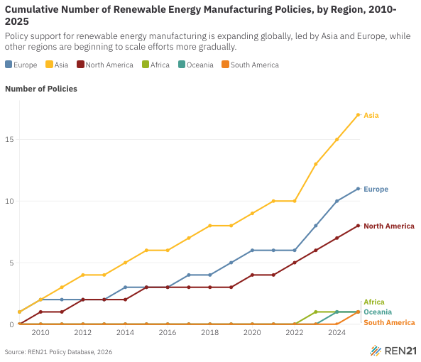
Year | Europe | Asia | North America | Africa | Oceania | South America
2009 | 1 | 1 | 0 | 0 | 0 | 0
2010 | 2 | 2 | 1 | 0 | 0 | 0
2011 | 2 | 3 | 1 | 0 | 0 | 0
2012 | 2 | 4 | 2 | 0 | 0 | 0
2013 | 2 | 4 | 2 | 0 | 0 | 0
2014 | 3 | 5 | 2 | 0 | 0 | 0
2015 | 3 | 6 | 3 | 0 | 0 | 0
2016 | 3 | 6 | 3 | 0 | 0 | 0
2017 | 4 | 7 | 3 | 0 | 0 | 0
2018 | 4 | 8 | 3 | 0 | 0 | 0
2019 | 5 | 8 | 3 | 0 | 0 | 0
2020 | 6 | 9 | 4 | 0 | 0 | 0
2021 | 6 | 10 | 4 | 0 | 0 | 0
2022 | 6 | 10 | 5 | 0 | 0 | 0
2023 | 8 | 13 | 6 | 1 | 0 | 0
2024 | 10 | 15 | 7 | 1 | 1 | 0
2025 | 11 | 17 | 8 | 1 | 1 | 1

