Feuil1
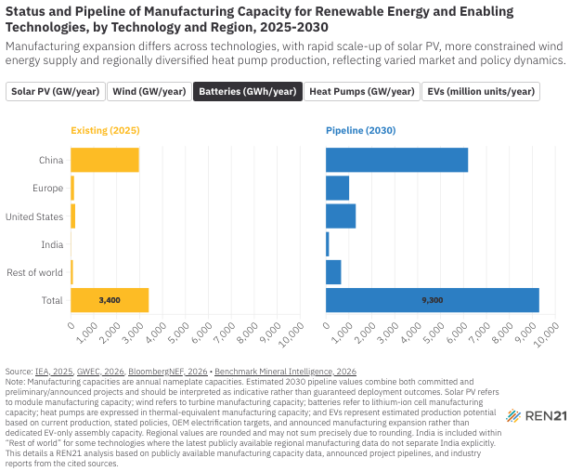
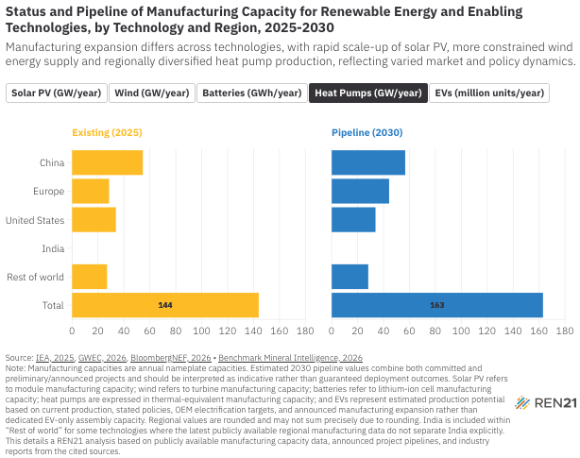
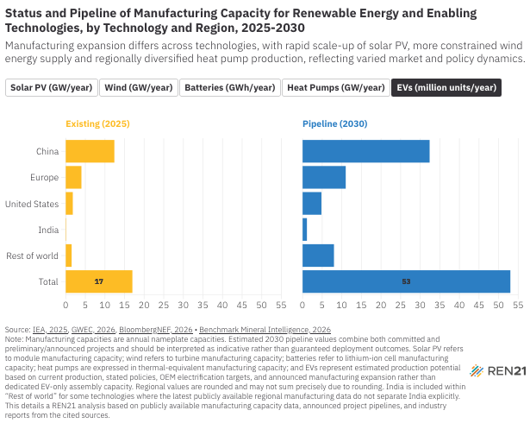
Status and Pipeline of Manufacturing Capacity for Renewable Energy and Enabling Technologies, by Technology and Region, 2025-2030
Manufacturing expansion differs across technologies, with rapid scale-up of solar PV, more constrained wind energy supply and regionally diversified heat pump production, reflecting varied market and policy dynamics
Note: Manufacturing capacities are annual nameplate capacities. Estimated 2030 pipeline values combine both committed and preliminary/announced projects and should be interpreted as indicative rather than guaranteed deployment outcomes. Solar PV refers to module manufacturing capacity; wind refers to turbine manufacturing capacity; batteries refer to lithium-ion cell manufacturing capacity; heat pumps are expressed in thermal-equivalent manufacturing capacity; and EVs represent estimated production potential based on current production, stated policies, OEM electrification targets, and announced manufacturing expansion rather than dedicated EV-only assembly capacity. Regional values are rounded and may not sum precisely due to rounding. India is included within “Rest of world” for some technologies where the latest publicly available regional manufacturing data do not separate India explicitly. This details a REN21 analysis based on publicly available manufacturing capacity data, announced project pipelines, and industry reports from the cited sources.
Source: Manufacturing capacities are annual nameplate capacities. Estimated 2030 pipeline values combine both committed and preliminary/announced projects and should be interpreted as indicative rather than guaranteed deployment outcomes. Solar PV refers to module manufacturing capacity; wind refers to turbine manufacturing capacity; batteries refer to lithium-ion cell manufacturing capacity; heat pumps are expressed in thermal-equivalent manufacturing capacity; and EVs represent estimated production potential based on current production, stated policies, OEM electrification targets and announced manufacturing expansion rather than dedicated EV-only assembly capacity. Regional values are rounded and may not sum precisely due to rounding. India is included within “Rest of world” for some technologies where the latest publicly available regional manufacturing data do not separate India explicitly. REN21 analysis based on publicly available manufacturing capacity data, announced project pipelines and industry reports from International Energy Agency (IEA), including Energy Technology Perspectives 2026, Global EV Outlook 2025 and Renewables 2024; Global Wind Energy Council (GWEC); Benchmark Mineral Intelligence; BloombergNEF; S&P Global Commodity Insights; company announcements; and sectoral industry associations.

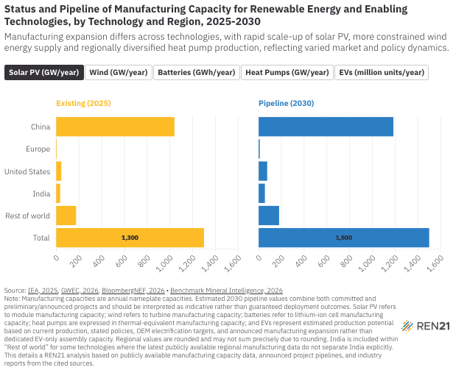
Region | Existing (2025) | Pipeline (2030) | Technology
China | 1040 | 1185 | Solar PV (GW/year)
Europe | 5 | 10 | Solar PV (GW/year)
United States | 45 | 75 | Solar PV (GW/year)
India | 35 | 55 | Solar PV (GW/year)
Rest of world | 175 | 180 | Solar PV (GW/year)
Total | 1300 | 1500 | Solar PV (GW/year)
China | 217 | 246 | Wind (GW/year)
Europe | 24 | 28 | Wind (GW/year)
United States | 14 | 14 | Wind (GW/year)
India |  |  | Wind (GW/year)
Rest of world | 29 | 82 | Wind (GW/year)
Total | 284 | 370 | Wind (GW/year)
China | 2970 | 6200 | Batteries (GWh/year)
Europe | 140 | 1010 | Batteries (GWh/year)
United States | 190 | 1300 | Batteries (GWh/year)
India | 10 | 130 | Batteries (GWh/year)
Rest of world | 90 | 660 | Batteries (GWh/year)
Total | 3400 | 9300 | Batteries (GWh/year)
China | 54.6 | 56.7 | Heat Pumps (GW/year)
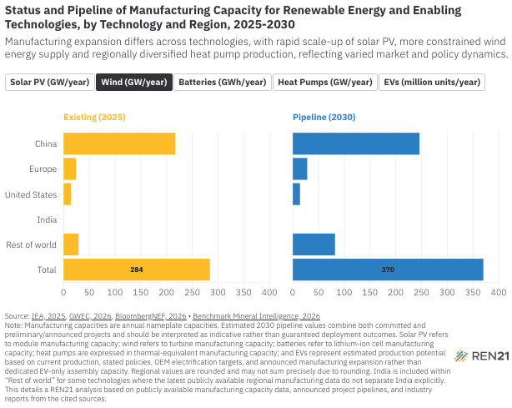
Europe | 28.6 | 44.3 | Heat Pumps (GW/year)
United States | 33.8 | 33.8 | Heat Pumps (GW/year)
India |  |  | Heat Pumps (GW/year)
Rest of world | 27 | 28.2 | Heat Pumps (GW/year)
Total | 144 | 163 | Heat Pumps (GW/year)
China | 12.4 | 32.4 | EVs (million units/year)
Europe | 4 | 11 | EVs (million units/year)
United States | 1.8 | 4.8 | EVs (million units/year)
India | 0.1 | 1.1 | EVs (million units/year)
Rest of world | 1.5 | 8 | EVs (million units/year)
Total | 17 | 53 | EVs (million units/year)

