Feuil1
Countries with Targets for Renewable Energy Share, as of 2025
Renewable energy targets are most common in the power sector, while targets for renewable heat and fuels remain less widespread
Note: National level targets expressed as shares of renewables in final energy consumption (economy-wide and transport for fuel blends). US policy tracking may be incomplete or inaccurate; the current federal administration has rolled back elements of the Inflation Reduction Act, and the status of individual policies, whether fully cancelled, partially rescinded, or still being applied, remains uncertain. The figure populates targets with diverse target years, ranging from 2026 to 2070. When a country has progressive targets over time, the figure shows the most. ambitious target per country. Policies for which the target year was before 2026 are not included.
Source: REN21, ‘REN21 Policy Database’, 2026.

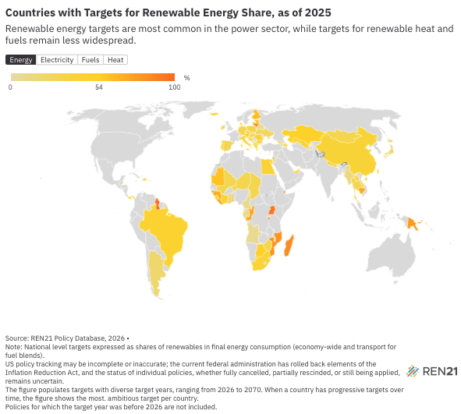
Country | Energy | Electricity | Fuels | Heat
Afghanistan |  | 40
Albania | 54.4 |  | 10 | 16.6
Angola | 8 | 94
Antigua and Barbuda |  | 15
Argentina | 20 | 50 | 20
Armenia | 15 | 60
Australia |  | 82
Austria | 57 | 100 |  | 49
Azerbaijan | 30 | 30
Bahamas | 45 | 30
Bahrain | 10 | 20
Bangladesh |  | 30
Barbados | 100 | 100
Belarus | 9
Belgium |  | 43.4
Belize | 75 | 80
Benin |  | 30
Bolivia |  | 75
Bosnia and Herzegovina | 43.6 | 70.1 |  | 60.8
Botswana | 50
Brazil | 45
Brunei Darussalam |  | 30
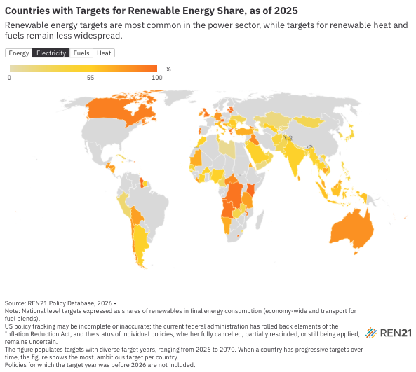
Bulgaria | 34.96 | 49.34 |  | 44.01
Burkina Faso |  | 50
Burundi | 99
Cabo Verde |  | 50
Cambodia | 70 | 72
Cameroon | 10 | 25
Canada |  | 90
Central African Republic |  | 85
Chad | 30
Chile |  | 80 |  | 80
China | 40
Comoros | 45
Congo | 72.8
Côte d’Ivoire | 45 | 46.3
Croatia | 42.5 | 76.7 | 70 | 47.1
Cuba |  | 26
Cyprus | 33 |  | 70
Czechia | 30
Democratic Republic of the Congo |  | 95
Denmark | 58 | 100
Djibouti | 100
Dominica |  | 100
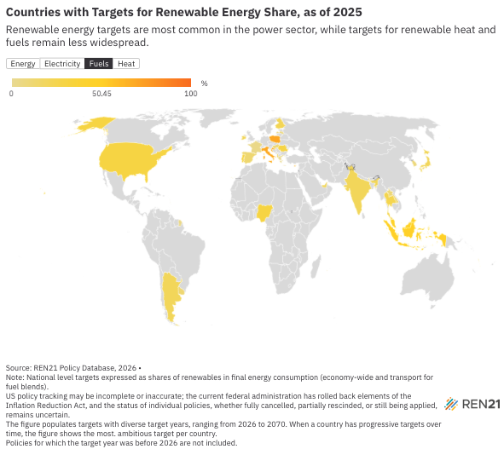
Dominican Republic | 30
Egypt | 42
Eritrea |  | 70
Estonia | 65 | 100 |  | 63
Eswatini |  | 50
Fiji |  | 100
Finland | 62 |  | 22.5 | 61
France |  |  | 3.8 | 55
Gabon | 10
Gambia | 30 | 50
Georgia | 27.4 | 85 |  | 7
Germany | 30 | 80 |  | 50
Ghana | 10
Greece | 43 | 96.2 | 0.9 | 52.6
Grenada |  | 100
Guatemala |  | 80
Guinea | 70
Guinea-Bissau | 80 | 50
Guyana | 100 | 100
Honduras |  | 80
Hungary | 30 |  | 9.6
Iceland | 40 |  |  | 100
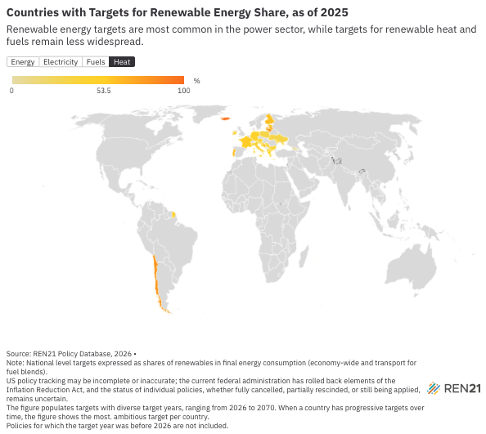
India |  | 50 | 20
Indonesia |  | 61 | 50
Iraq |  | 8.5
Ireland | 43 | 80 | 20 | 36.6
Israel |  | 30
Italy | 39.4 | 63.4 | 70 | 35.9
Jamaica | 20 | 63
Japan | 14 | 38 | 20
Jordan | 14 | 35
Kazakhstan | 50 | 15
Kenya |  | 100
Kosovo |  | 35 |  | 49.6
Kuwait |  | 15
Lao People’s Democratic Republic | 30 |  | 10
Latvia | 61 | 100 | 5.5 | 66.4
Lebanon |  | 30
Lesotho |  | 100
Liberia | 75 | 75
Libya |  | 10
Lithuania | 95 | 100 |  | 80
Luxembourg | 37 | 100 | 70 | 40
Macedonia, North | 45 |  |  | 38.9
Madagascar | 85
Malawi |  | 96
Malaysia |  | 70 | 47
Maldives |  | 33
Mali | 30
Malta | 29 |  |  | 33.06
Mauritania | 60 | 70
Mauritius |  | 35
Micronesia (Federated States of) |  | 80
Mongolia | 30 | 30
Montenegro | 50
Morocco |  | 52
Mozambique | 80.6
Myanmar | 12 | 47
Namibia |  | 70
Nauru | 100 | 75
Nepal | 39 | 15
Netherlands (Kingdom of the) | 42 | 86.2 | 100
New Zealand | 50 | 100
Nicaragua |  | 73
Niger | 30
Nigeria |  | 52 | 30
Niue |  | 80
Oman |  | 30
Pakistan |  | 30
Palau |  | 100
Palestine, State of |  | 0
Panama | 50
Papua New Guinea | 78
Peru |  | 20
Philippines |  | 35
Poland | 29.8 |  | 70 | 32.1
Portugal | 51 | 93 | 29 | 63
Puerto Rico |  | 100
Qatar |  | 18
Republic of Korea |  | 30 | 8
Republic of Moldova |  | 31.2 |  | 42.5
Romania | 38.3 | 57.8 | 29.4
Saint Kitts and Nevis |  | 100
Saint Lucia |  | 46
Samoa |  | 100
Sao Tome and Principe | 50 | 72
Saudi Arabia |  | 50
Senegal |  | 40
Serbia |  | 45.2 |  | 41.4
Seychelles |  | 15
Sierra Leone | 52
Singapore |  | 30 | 5
Slovakia | 29
Slovenia | 33 |  |  | 40
Solomon Islands | 100
South Africa | 41
Spain | 28 |  | 12
Suriname |  | 50
Taiwan |  | 30
Tanzania, the United Republic of |  | 75
Thailand | 30 | 51 | 25
Timor-Leste |  | 50
Togo | 63
Tonga |  | 100
Trinidad and Tobago | 47 | 30
Tunisia |  | 35
Türkiye |  | 69.1
Tuvalu |  | 100
Uganda | 95
Ukraine | 25 | 29.4 |  | 32.5
United Arab Emirates | 44 | 30 | 20
United Kingdom |  | 95
United States |  |  | 30
Uruguay |  |  | 11
Uzbekistan | 40 | 54
Vanuatu |  | 100 | 20
Viet Nam |  | 37.7
Yemen |  | 15
Zambia |  | 33
Zimbabwe | 29
Kyrgyzstan |  | 14.3
Saint Vincent and the Grenadines | 60
Sri Lanka |  | 70

