Sheet1
Shares of Electricity and Modern Renewables in Total Final Energy Consumption, by Country, 2023
A renewables-based energy system requires both electrification and the uptake of renewable energy across power, heat and transport
Note: The size of the bubble refers to the total final energy consumption (TJ).
Source: International Energy Agency, ‘World Energy Balances 2023’, 2025, https://www.iea.org/data-and-statistics/data-product/world-energy-balances.
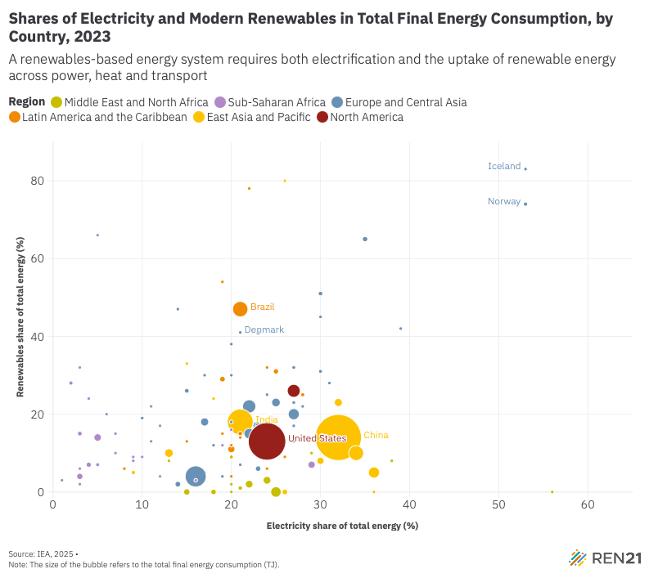
Country | Electricity share of total energy (%) | Renewables share of total energy (%) | Region
Morocco | 20% | 9% | Middle East and North Africa
Angola | 9% | 9% | Sub-Saharan Africa
Albania | 30% | 45% | Europe and Central Asia
United Arab Emirates | 22% | 2% | Middle East and North Africa
Argentina | 20% | 11% | Latin America and the Caribbean
Armenia | 21% | 7% | Europe and Central Asia
Australia | 25% | 16% | East Asia and Pacific
Austria | 23% | 41% | Europe and Central Asia
Azerbaijan | 16% | 2% | Europe and Central Asia
Belgium | 21% | 15% | Europe and Central Asia
Burkina Faso | 4% | 24% | Sub-Saharan Africa
Bangladesh | 26% | 0% | East Asia and Pacific
Bulgaria | 28% | 22% | Europe and Central Asia
Bahrain | 56% | 0% | Middle East and North Africa
Bosnia and Herzegovina | 21% | 16% | Europe and Central Asia
Belarus | 17% | 5% | Europe and Central Asia
Plurinational State of Bolivia | 11% | 13% | Latin America and the Caribbean
Brazil | 21% | 47% | Latin America and the Caribbean
Brunei Darussalam | 36% | 0% | East Asia and Pacific
Botswana | 15% | 0% | Sub-Saharan Africa
Canada | 27% | 26% | North America
Switzerland | 30% | 31% | Europe and Central Asia
Chile | 25% | 31% | Latin America and the Caribbean
China | 32% | 14% | East Asia and Pacific
Côte d'Ivoire | 9% | 8% | Sub-Saharan Africa
Cameroon | 6% | 20% | Sub-Saharan Africa
Congo, Democratic Republic | 4% | 7% | Sub-Saharan Africa
Republic of the Congo | 7% | 15% | Sub-Saharan Africa
Colombia | 19% | 29% | Latin America and the Caribbean
Costa Rica | 24% | 32% | Latin America and the Caribbean
Cuba | 26% | 9% | Latin America and the Caribbean
Curaçao/Netherlands Antilles | 20% | 4% | Latin America and the Caribbean
Cyprus | 27% | 17% | Europe and Central Asia
Czech Republic | 22% | 18% | Europe and Central Asia
Germany | 22% | 22% | Europe and Central Asia
Denmark | 21% | 41% | Europe and Central Asia
Dominican Republic | 24% | 6% | Latin America and the Caribbean
Algeria | 15% | 0% | Middle East and North Africa
Ecuador | 19% | 15% | Latin America and the Caribbean
Egypt | 24% | 3% | Middle East and North Africa
Spain | 25% | 23% | Europe and Central Asia
Estonia | 20% | 38% | Europe and Central Asia
Ethiopia | 3% | 4% | Sub-Saharan Africa
Finland | 30% | 51% | Europe and Central Asia
France | 27% | 20% | Europe and Central Asia
Gabon | 5% | 66% | Sub-Saharan Africa
Gibraltar | 22% | 15% | Europe and Central Asia
Georgia | 22% | 18% | Europe and Central Asia
Ghana | 19% | 12% | Sub-Saharan Africa
Equatorial Guinea | 12% | 4% | Sub-Saharan Africa
Greece | 27% | 23% | Europe and Central Asia
Greenland | 10% | 19% | Europe and Central Asia
Guatemala | 8% | 6% | Latin America and the Caribbean
Guyana | 9% | 5% | Latin America and the Caribbean
Honduras | 15% | 13% | Latin America and the Caribbean
Croatia | 20% | 30% | Europe and Central Asia
Hungary | 21% | 17% | Europe and Central Asia
Indonesia | 23% | 15% | East Asia and Pacific
India | 21% | 18% | East Asia and Pacific
Ireland | 25% | 16% | Europe and Central Asia
Iraq | 18% | 0% | Middle East and North Africa
Iceland | 53% | 83% | Europe and Central Asia
Israel | 38% | 8% | Middle East and North Africa
Italy | 23% | 17% | Europe and Central Asia
Jamaica | 16% | 6% | Latin America and the Caribbean
Jordan | 29% | 10% | Middle East and North Africa
Japan | 34% | 10% | East Asia and Pacific
Kazakhstan | 16% | 3% | Europe and Central Asia
Kenya | 5% | 7% | Sub-Saharan Africa
Cambodia | 18% | 24% | East Asia and Pacific
Korea | 36% | 5% | East Asia and Pacific
Lao People's Democratic Republic | 26% | 80% | East Asia and Pacific
Lebanon | 13% | 8% | Middle East and North Africa
Libya | 20% | 0% | Middle East and North Africa
Sri Lanka | 15% | 33% | East Asia and Pacific
Lithuania | 17% | 30% | Europe and Central Asia
Luxembourg | 18% | 12% | Europe and Central Asia
Latvia | 14% | 47% | Europe and Central Asia
Republic of Moldova | 19% | 4% | Europe and Central Asia
Madagascar | 3% | 32% | Sub-Saharan Africa
Mexico | 24% | 11% | Latin America and the Caribbean
Mali | 10% | 9% | Sub-Saharan Africa
Myanmar | 9% | 5% | East Asia and Pacific
Montenegro | 31% | 28% | Europe and Central Asia
Mozambique | 12% | 17% | Sub-Saharan Africa
Malaysia | 30% | 8% | East Asia and Pacific
Namibia | 20% | 16% | Sub-Saharan Africa
Niger | 3% | 2% | Sub-Saharan Africa
Nigeria | 5% | 14% | Sub-Saharan Africa
Netherlands | 23% | 17% | Europe and Central Asia
Norway | 53% | 74% | Europe and Central Asia
New Zealand | 27% | 32% | East Asia and Pacific
Pakistan | 13% | 10% | East Asia and Pacific
Panama | 24% | 18% | Latin America and the Caribbean
Peru | 21% | 15% | Latin America and the Caribbean
Philippines | 23% | 11% | East Asia and Pacific
Poland | 17% | 18% | Europe and Central Asia
Portugal | 27% | 32% | Europe and Central Asia
Paraguay | 22% | 78% | Latin America and the Caribbean
Qatar | 21% | 1% | Middle East and North Africa
Romania | 15% | 26% | Europe and Central Asia
Russian Federation | 16% | 4% | Europe and Central Asia
Rwanda | 3% | 6% | Sub-Saharan Africa
Saudi Arabia | 25% | 0% | Middle East and North Africa
Senegal | 16% | 3% | Sub-Saharan Africa
El Salvador | 20% | 12% | Latin America and the Caribbean
Serbia | 27% | 13% | Europe and Central Asia
Suriname | 21% | 14% | Latin America and the Caribbean
Slovak Republic | 20% | 18% | Europe and Central Asia
Slovenia | 24% | 25% | Europe and Central Asia
Sweden | 35% | 65% | Europe and Central Asia
Chad | 1% | 3% | Sub-Saharan Africa
Togo | 7% | 10% | Sub-Saharan Africa
Thailand | 23% | 16% | East Asia and Pacific
Tajikistan | 39% | 42% | Europe and Central Asia
Tunisia | 20% | 2% | Middle East and North Africa
Republic of Türkiye | 22% | 15% | Europe and Central Asia
United Republic of Tanzania | 3% | 15% | Sub-Saharan Africa
Uganda | 2% | 28% | Sub-Saharan Africa
Ukraine | 23% | 6% | Europe and Central Asia
Uruguay | 19% | 54% | Latin America and the Caribbean
United States | 24% | 13% | North America
Uzbekistan | 14% | 2% | Europe and Central Asia
Bolivarian Republic of Venezuela | 28% | 25% | Latin America and the Caribbean
Vietnam | 32% | 23% | East Asia and Pacific
South Africa | 29% | 7% | Sub-Saharan Africa
Zambia | 11% | 22% | Sub-Saharan Africa
Zimbabwe | 11% | 13% | Sub-Saharan Africa

