Feuil1
Countries with Targets for Renewable Energy Share, as of 2025
Renewable energy targets are most common in the power sector, while targets for renewable heat and fuels remain far less widespread
Note: From 195 countries including 193 UN member states and two observer states. Targets for capacity or generation that do not mention a share of final consumption or generation are not included. For fuels, targets include biofuel blends if expressed in shares of total content. Due to changes in the methodology, the figure cannot be compared to previous publications from REN21.
Source: REN21, ‘REN21 Policy Database’, 2026.

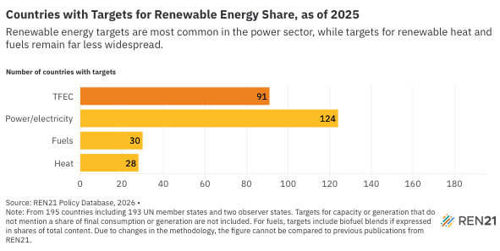
Type of target | Number of countries
TFEC | 91
Power/electricity | 124
Fuels | 30
Heat | 28

