Feuil1
Countries with Policies for Energy Demand Sectors, by Sector, as of 2025
Most countries have policies for the transport sector despite it being the sector with the lowest renewable energy share
Note: From 195 countries including 193 UN member states and two observer states. Policies include national level strategies and roadmaps, targets, regulations, fiscal and financial incentives, standards and guidelines aiming to integrate renewables and enabling technologies in end-use sectors. Carbon taxes are not included. When a policy explicitly address several end use sectors, it is counted for each sector. Policies not targeting a specific end-use sector are not included.
Source: REN21, ‘REN21 Policy Database’, 2026.

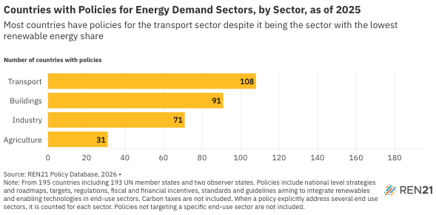
Sector | Number of countries with policies for the sector
Agriculture | 31
Industry | 71
Buildings | 91
Transport | 108

