Feuil1
Policies for the Uptake of Renewables in Energy Demand Sectors, as of 2025
Few countries have policies in place for all four main demand sectors (agriculture, buildings, industry, transport)
Note: Policies include national-level strategies and roadmaps, targets, regulations, fiscal and financial incentives, standards and guidelines aiming to integrate renewables and enabling technologies in end-use sectors. Carbon taxes are not included. When a policy explicitly addresses several end-use sectors, it is counted for each sector. Policies not targeting a specific end-use sector are not included. US policy tracking may be incomplete or inaccurate; the current federal administration has rolled back elements of the Inflation Reduction Act, and the status of individual policies, whether fully cancelled, partially rescinded, or still being applied, remains uncertain
Source: REN21, ‘REN21 Policy Database’, 2026.

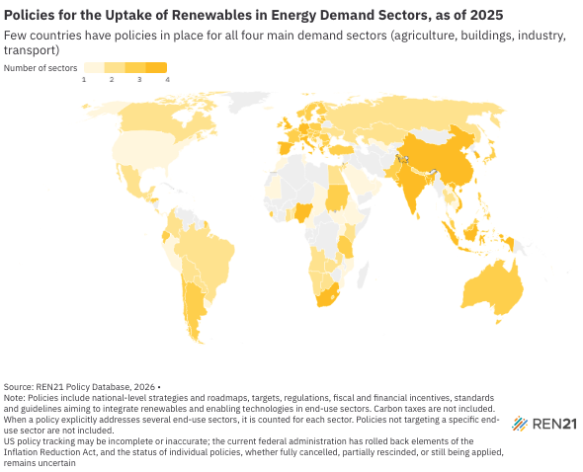
Country | Number of sectors | Sectors
Albania | 2 | Buildings, Transport
Andorra | 1 | Transport
Angola | 2 | Buildings, Transport
Antigua and Barbuda | 1 | Transport
Argentina | 3 | Buildings, Industry, Transport
Armenia | 1 | Transport
Australia | 3 | Buildings, Industry, Transport
Austria | 3 | Buildings, Industry, Transport
Bahamas | 1 | Transport
Bangladesh | 4 | Agriculture, Buildings, Industry, Transport
Barbados | 1 | Transport
Belgium | 3 | Agriculture, Buildings, Transport
Belize | 2 | Buildings, Transport
Benin | 2 | Industry, Transport
Bhutan | 1 | Transport
Bolivia | 2 | Buildings, Transport
Bosnia and Herzegovina | 3 | Buildings, Industry, Transport
Botswana | 2 | Buildings, Industry
Brazil | 2 | Industry, Transport
Brunei Darussalam | 1 | Transport
Bulgaria | 3 | Buildings, Industry, Transport
Cabo Verde | 1 | Transport
Cambodia | 1 | Buildings
Cameroon | 1 | Buildings
Canada | 3 | Buildings, Industry, Transport
Canada | 2 | Buildings, Industry
Chad | 1 | Industry
Chile | 3 | Buildings, Industry, Transport
China | 4 | Agriculture, Buildings, Industry, Transport
Colombia | 2 | Buildings, Transport
Costa Rica | 2 | Buildings, Transport
Croatia | 3 | Buildings, Industry, Transport
Cyprus | 3 | Buildings, Industry, Transport
Czechia | 3 | Buildings, Industry, Transport
Denmark | 1 | Transport
Denmark | 3 | Buildings, Industry, Transport
Djibouti | 1 | Buildings
Ecuador | 3 | Buildings, Industry, Transport
Egypt | 2 | Industry, Transport
Eritrea | 1 | Buildings
Estonia | 3 | Buildings, Industry, Transport
Ethiopia | 1 | Transport
Finland | 3 | Buildings, Industry, Transport
France | 3 | Buildings, Industry, Transport
Gambia | 1 | Buildings
Germany | 4 | Agriculture, Buildings, Industry, Transport
Ghana | 2 | Buildings, Transport
Greece | 4 | Agriculture, Buildings, Industry, Transport
Grenada | 1 | Transport
Guatemala | 2 | Industry, Transport
Honduras | 3 | Buildings, Industry, Transport
Hungary | 3 | Buildings, Industry, Transport
Iceland | 1 | Transport
India | 4 | Agriculture, Buildings, Industry, Transport
Indonesia | 4 | Agriculture, Buildings, Industry, Transport
Ireland | 3 | Buildings, Industry, Transport
Isle of Man | 1 | Buildings
Israel | 3 | Agriculture, Buildings, Transport
Italy | 4 | Agriculture, Buildings, Industry, Transport
Jamaica | 1 | Transport
Japan | 3 | Buildings, Industry, Transport
Jordan | 2 | Buildings, Transport
Kazakhstan | 2 | Industry, Transport
Kenya | 2 | Buildings, Transport
Kuwait | 1 | Transport
Lao People’s Democratic Republic | 1 | Transport
Latvia | 4 | Agriculture, Buildings, Industry, Transport
Lesotho | 2 | Buildings, Transport
Lithuania | 3 | Agriculture, Buildings, Transport
Luxembourg | 3 | Buildings, Industry, Transport
Macedonia, North | 1 | Buildings
Malaysia | 3 | Buildings, Industry, Transport
Malta | 2 | Buildings, Transport
Mauritania | 1 | Industry
Mexico | 2 | Industry, Transport
Micronesia (Federated States of) | 3 | Buildings, Industry, Transport
Montenegro | 1 | Buildings
Morocco | 1 | Transport
Morocco | 1 | Agriculture
Mozambique | 1 | Agriculture
Namibia | 2 | Industry, Transport
Nauru | 1 | Transport
Nepal | 2 | Industry, Transport
Netherlands (Kingdom of the) | 4 | Agriculture, Buildings, Industry, Transport
New Zealand | 4 | Agriculture, Buildings, Industry, Transport
Nigeria | 4 | Agriculture, Buildings, Industry, Transport
Norway | 3 | Buildings, Industry, Transport
Oman | 1 | Industry
Pakistan | 3 | Agriculture, Buildings, Transport
Palestine, State of | 3 | Agriculture, Buildings, Industry
Panama | 1 | Transport
Paraguay | 2 | Industry, Transport
Peru | 1 | Transport
Philippines | 3 | Agriculture, Industry, Transport
Poland | 3 | Buildings, Industry, Transport
Portugal | 4 | Agriculture, Buildings, Industry, Transport
Portugual | 1 | Buildings
Republic of Korea | 4 | Agriculture, Buildings, Industry, Transport
Romania | 3 | Buildings, Industry, Transport
Russian Federation | 2 | Buildings, Transport
Rwanda | 1 | Buildings
Saint Lucia | 1 | Transport
Samoa | 1 | Transport
Sao Tome and Principe | 2 | Agriculture, Buildings
Sapin | 2 | Buildings, Transport
Saudi Arabia | 1 | Transport
Serbia | 1 | Buildings
Seychelles | 2 | Buildings, Transport
Sierra Leone | 3 | Agriculture, Buildings, Industry
Singapore | 3 | Buildings, Industry, Transport
Slovakia | 3 | Buildings, Industry, Transport
Slovenia | 3 | Buildings, Industry, Transport
South Africa | 4 | Agriculture, Buildings, Industry, Transport
South Sudan | 1 | Buildings
Spain | 4 | Agriculture, Buildings, Industry, Transport
Sri Lanka | 3 | Buildings, Industry, Transport
Sudan | 3 | Agriculture, Buildings, Industry
Sweden | 3 | Buildings, Industry, Transport
Switzerland | 3 | Buildings, Industry, Transport
Taiwan | 2 | Buildings, Transport
Tanzania, the United Republic of | 3 | Buildings, Industry, Transport
Thailand | 2 | Industry, Transport
Togo | 2 | Industry, Transport
Tunisia | 1 | Buildings
Türkiye | 3 | Agriculture, Industry, Transport
Uganda | 1 | Agriculture
Ukraine | 2 | Buildings, Transport
United Arab Emirates | 1 | Transport
United Kingdom | 4 | Agriculture, Buildings, Industry, Transport
United States | 1 | Transport
Uruguay | 1 | Transport
Uzbekistan | 1 | Buildings
Vanuatu | 2 | Buildings, Transport
Viet Nam | 4 | Agriculture, Buildings, Industry, Transport
Zambia | 2 | Agriculture, Buildings

