Feuil1
Global Heat Consumption, by Type, 2013 and 2023
Non-renewable sources and traditional biomass continued to account for the vast majority of global heat consumption in 2023, while modern renewable heat sources remained comparatively small despite steady growth
Source: International Energy Agency, ‘World Energy Balances 2023’, 2025, https://www.iea.org/data-and-statistics/data-product/world-energy-balances.

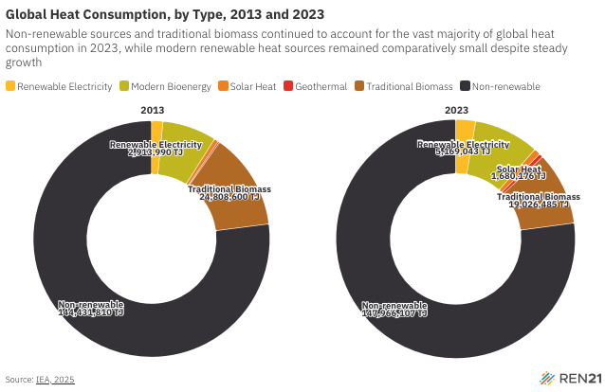
Energy Source | 2013 | 2023
Renewable Electricity | 2913990.08 | 5169042.743
Modern Bioenergy | 13867386.3 | 16951613.2
Solar Heat | 1101717 | 1680175.982
Geothermal | 382055 | 1031510
Traditional Biomass | 24808600 | 19026484.59
Non-renewable | 144431810 | 147966107.3

