Feuil1
Heat Pump Capacity Additions in Selected Regions, 2021-2025
China shows steady growth in heat pump additions, while Europe and the United States display more volatile, policy- and market-driven trends.
Source: International Energy Agency, ‘Global Energy Review 2026 – Technology: Heat pumps’, 2026, https://www.iea.org/reports/global-energy-review-2026/technology-heat-pumps.

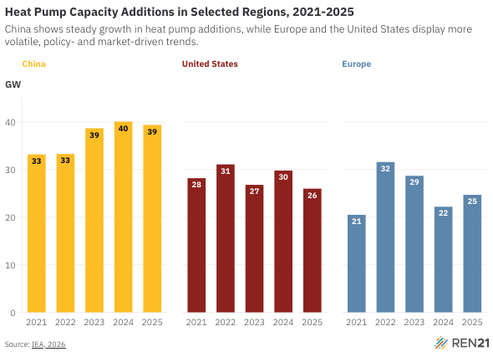
Year | China | United States | Europe
2021 | 33.2 | 28.2 | 20.5
2022 | 33.3 | 31.1 | 31.6
2023 | 38.7 | 26.8 | 28.7
2024 | 40.1 | 29.8 | 22.2
2025 | 39.4 | 26 | 24.7

