Feuil1
Global Production of Liquid Biofuels, by Fuel Type, 2010-2024
Global liquid biofuel production reached nearly 193 billion litres in 2024, with renewable diesel and biojet fuel recording the fastest growth rates
Source: World Bioenergy Association, ‘Global Bioenergy Statistics Report’, 2025, https://www.worldbioenergy.org/global-bioenergy-statistics.

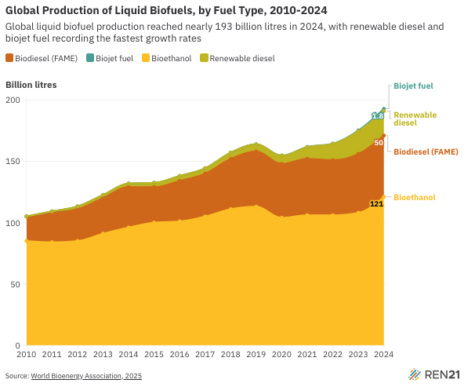
Year | Biodiesel (FAME) | Biojet fuel | Bioethanol | Renewable diesel
2010 | 20 | 0.00 | 85 | 0.1
2011 | 24 | 0.00 | 84 | 1.2
2012 | 26 | 0.00 | 85 | 2.3
2013 | 29 | 0.00 | 91 | 2.6
2014 | 33 | 0.00 | 96 | 2.9
2015 | 29 | 0.00 | 100 | 3.5
2016 | 33 | 0.00 | 101 | 4.1
2017 | 35 | 0.00 | 105 | 4.4
2018 | 41 | 0.00 | 111 | 5.1
2019 | 45 | 0.04 | 113 | 5.9
2020 | 44 | 0.07 | 104 | 6.7
2021 | 46 | 0.14 | 106 | 9.6
2022 | 45 | 0.2 | 106 | 13.3
2023 | 48 | 0.60 | 108 | 18.6
2024 | 50 | 1.8 | 121 | 20

