Feuil1
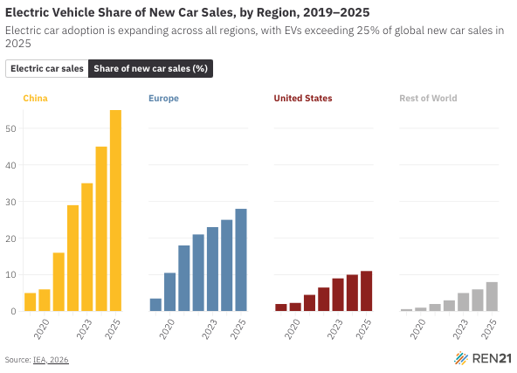
Electric Vehicle Share of New Car Sales, by Region, 2019–2025
Electric car adoption is expanding across all regions, with EVs exceeding 25% of global new car sales in 2025
Source: International Energy Agency, ‘Global EV Outlook 2026’, 2026, https://www.iea.org/reports/global-ev-outlook-2026.

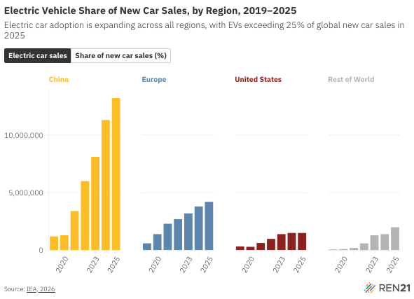
Year | China | Europe | United States | Rest of World | Global | Type
2019 | 1,200,000 | 600 | 330 | 70 | 2,300,000 | Electric car sales
2020 | 1,300,000 | 1,400,000 | 300 | 100 | 3,100,000 | Electric car sales
2021 | 3,400,000 | 2,300,000 | 630 | 200 | 6,600,000 | Electric car sales
2022 | 6,000,000 | 2,700,000 | 990 | 600 | 10,300,000 | Electric car sales
2023 | 8,100,000 | 3,200,000 | 1,400,000 | 1,300,000 | 14,000,000 | Electric car sales
2024 | 11,300,000 | 3,800,000 | 1,500,000 | 1,400,000 | 17,800,000 | Electric car sales
2025 | 13,200,000 | 4,200,000 | 1,500,000 | 2,000,000 | 20,700,000 | Electric car sales
2019 | 5.0% | 3.5% | 2.0% | 0.6% | 2.5% | Share of new car sales (%)
2020 | 6.0% | 10.5% | 2.3% | 1% | 4.2% | Share of new car sales (%)
2021 | 16% | 18% | 4.5% | 2% | 9% | Share of new car sales (%)
2022 | 29% | 21% | 6.5% | 3% | 14% | Share of new car sales (%)
2023 | 35% | 23% | 9% | 5% | 18% | Share of new car sales (%)
2024 | 45% | 25% | 10% | 6% | 22% | Share of new car sales (%)
2025 | 55% | 28% | 11% | 8% | 25% | Share of new car sales (%)

