Feuil1
Share of Electricity in Total Final Energy Consumption, by Energy Demand Sector, 2023
Electrification has advanced across buildings, agriculture and industry, yet transport remains overwhelmingly reliant on non-electric energy sources
Source: International Energy Agency, ‘World Energy Balances 2023’, 2025, https://www.iea.org/data-and-statistics/data-product/world-energy-balances.

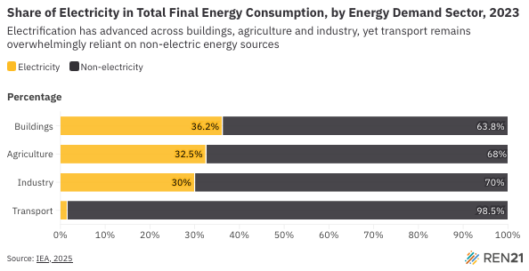
Sector | Electricity | Non-electricity
Buildings | 36.2% | 63.8%
Agriculture | 32.5% | 68%
Industry | 30% | 70%
Transport | 1.5% | 98.5%

