Feuil1
Stationary Energy Storage, Global Installed Capacity, 2023, 2024 and 2025
Utility-scale battery storage remains the fastest growing technology and surpassed pumped storage in 2025.
Note: Pumped storage data for 2023 and 2024 are based on personal communication between the International Hydropower Association and REN21. Pumped storage data for 2025 are derived from the cited IRENA data.
Source: International Energy Agency, ‘Global Energy Review 2026 – Technology: Battery storage’, 2026, https://www.iea.org/reports/global-energy-review-2026/technology-battery-storage; Volta Foundation, ‘2025 Battery Report’, 2025, https://volta.foundation/battery-report-2025; Energy Institute, ‘Statistical Review of World Energy 2025’, 2025, https://www.energyinst.org/statistical-review; Pumped storage from International Hydropower Association, personal communication with REN21 for 2023 and 2024. Pumped storage data for 2025 are derived from International Renewable Energy Agency, ‘Renewable Energy Capacity Statistics 2026', 2026, https://www.irena.org/-/media/Files/IRENA/Agency/Publication/2026/Mar/IRENA_DAT_RE_capacity_statistics_2026.pdf.

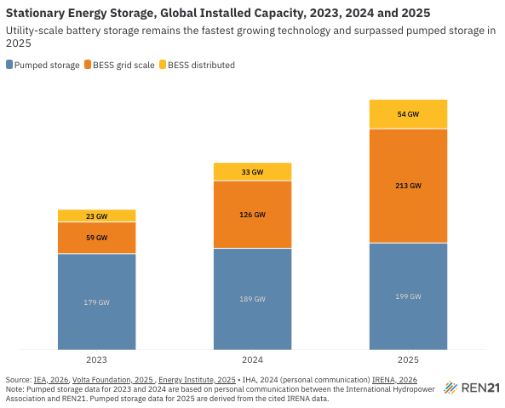
Year | Pumped storage (GW) | BESS grid scale (GW) | BESS distributed (GW)
2023 | 179 | 59.2 | 22.8
2024 | 189 | 126.1 | 33.2
2025 | 199 | 212.9 | 54.1

