Sheet1
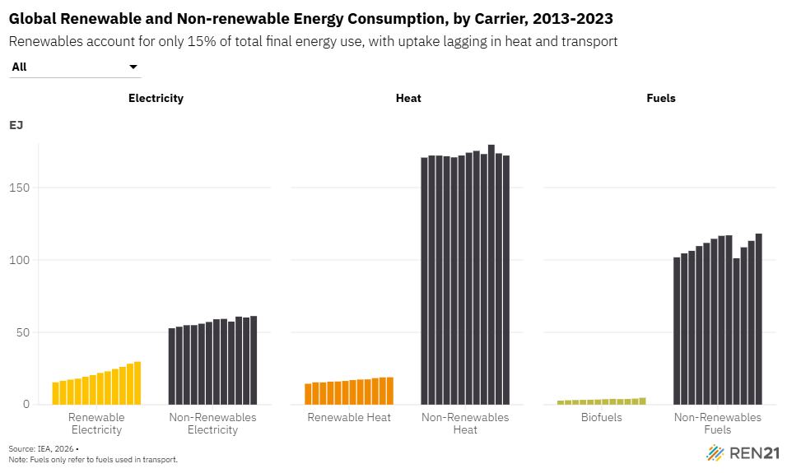
Global Renewable and Non-renewable Energy Consumption, by Carrier, 2013-2023
Renewables account for only 15% of total final energy use, with uptake lagging in heat and transport
Note: Fuels only refer to fuels used in transport.
Source: International Energy Agency, ‘World Energy Balances 2023’, 2025, https://www.iea.org/data-and-statistics/data-product/world-energy-balances.

Carrier | Renewable | Sector | 2012 | 2013 | 2014 | 2015 | 2016 | 2017 | 2018 | 2019 | 2020 | 2021 | 2022 | 2023
Renewable Electricity | Renewable | Electricity | 15,379,679 | 16,471,030 | 17,283,929 | 17,962,703 | 19,226,418 | 20,442,337 | 21,909,429 | 23,010,924 | 24,611,582 | 26,131,944 | 28,256,815 | 29,697,774
Non-Renewables Electricity | Non-Renewables | Electricity | 52,773,817 | 53,802,977 | 54,865,492 | 54,904,723 | 55,912,793 | 57,098,775 | 58,989,364 | 59,240,646 | 57,384,180 | 60,825,240 | 60,219,927 | 61,206,810
Renewable Heat | Renewable | Heat | 14,420,124 | 15,378,892 | 15,335,334 | 15,855,316 | 15,981,413 | 16,366,061 | 16,954,716 | 17,339,416 | 17,442,179 | 18,313,976 | 18,801,827 | 18,890,887
Non-Renewables Heat | Non-Renewables | Heat | 170,688,409 | 172,126,666 | 172,075,720 | 171,639,707 | 170,856,382 | 172,137,380 | 174,104,906 | 175,322,757 | 173,122,715 | 179,611,327 | 173,608,451 | 172,107,591
Biofuels | Renewable | Fuels | 2,775,408 | 3,013,443 | 3,176,267 | 3,284,008 | 3,404,335 | 3,522,009 | 3,747,565 | 3,986,925 | 3,812,481 | 3,934,956 | 4,157,594 | 4,722,853
Non-Renewables Fuels | Non-Renewables | Fuels | 101,789,289 | 104,523,727 | 106,267,366 | 109,553,468 | 111,732,999 | 114,561,223 | 116,626,935 | 116,985,279 | 101,138,868 | 108,693,395 | 113,175,635 | 118,181,267

