Welcome
Welcome to the REN21 GSR 2024 Renewables in Energy Supply Data Pack!

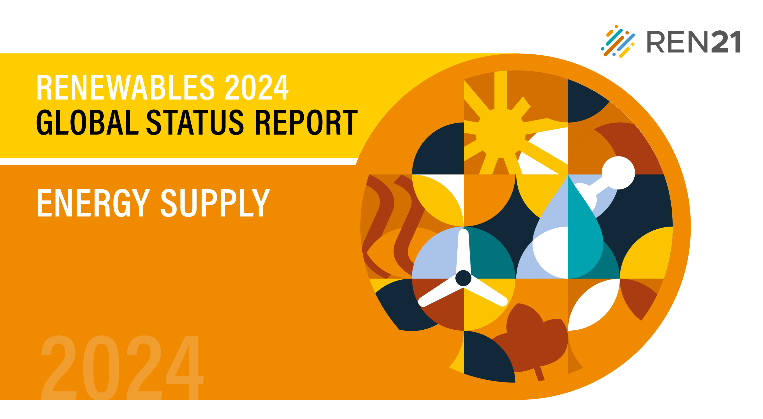
The Data Pack created by REN21 is a collection of all the figures, data, and tables that appear in the Renewables 2024 Global Status Reports (GSR) Renewables in Supply Module. This is to facilitate easier access and deeper research into the numbers and infographics that form and support the narrative in REN21's flagship publication.

Please note:
1) The figures and data listed in the Data Pack appear in the same order as in the GSR Module, on separate tabs.
2) You can directly jump to any specific figure or data from the Table of Contents and back to the Contents by clicking on the top-left most cell of any particular sheet.
3) The Reference Tables appear toward the end of each chapter.
4) Source information found on each data sheet corresponds to the endnotes referenced for each respective figure in the GSR modules (accessible via: http://www.ren21.net/gsr2024/datapack/supply).
5) Occasional discrepanies in data may appear due to rounding.
6) In cases where a figure and/or data is missing, it is because of limited sharing rights.
7) Many of the data reported in the GSR are preliminary and/or uncertain. See respective figure and table endnotes for more information.

If you have any questions, please don't hesitate to contact us at gsr@ren21.net

Fig1
Table of Contents | Figure 1. Increase in Energy Demand by Source, 2011-2021
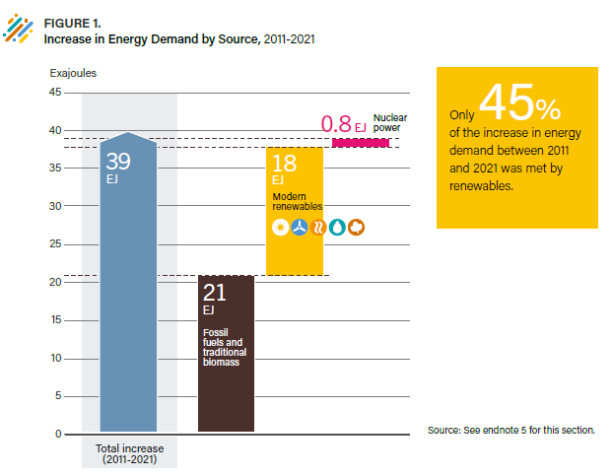
 | Nuclear | 0.8
 | Modern Renewables | 18
 | Fossil fuel and traditional biomass | 21
 | Total Increase | 39

 | Source: Based on IEA data.

Fig2
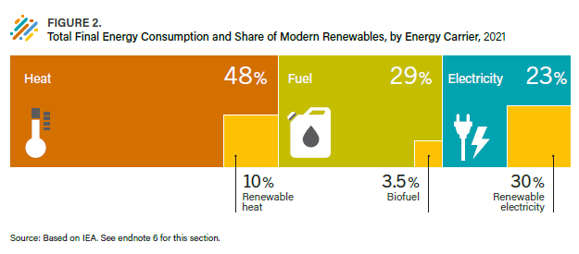
Table of Contents | Figure 2. Total Final Energy Consumption and Share of Modern Renewables, by Energy Carrier, 2021

 |  | Carrier | Renewable Energy %
 | Heat | 48% | 10%
 | Fuel | 29% | 3.5%
 | Electricity | 23% | 30%

 | Source: Based on IEA data.

Fig3
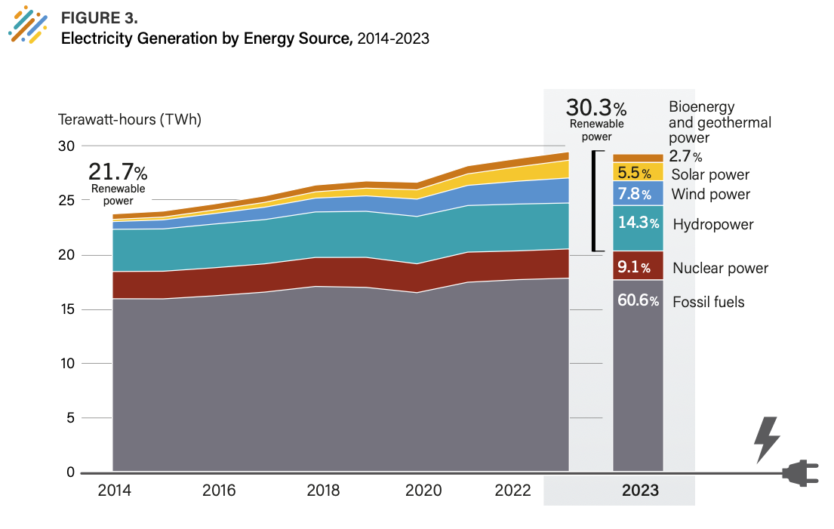
Table of Contents | Figure 3. Electricity Generation by Energy Source, 2014-2023

 | Unit: Terawatt hours (TWh)
 |  | 2013 | 2014 | 2015 | 2016 | 2017 | 2018 | 2019 | 2020 | 2021 | 2022 | 2023 | 2023 - Share %
 | Fossil fuels | 15,681 | 15,965 | 15,954 | 16,233 | 16,574 | 17,094 | 17,007 | 16,523 | 17,481 | 17,719 | 17,854 | 60.6%
 | Hydropower | 3,791 | 3,874 | 3,884 | 4,013 | 4,058 | 4,178 | 4,226 | 4,344 | 4,276 | 4,298 | 4,210 | 14.3%
 | Nuclear power | 2,449 | 2,499 | 2,533 | 2,571 | 2,594 | 2,659 | 2,754 | 2,648 | 2,762 | 2,640 | 2,686 | 9.1%
 | Bioenergy and geothermal power | 468 | 508 | 550 | 558 | 592 | 626 | 659 | 696 | 746 | 765 | 787 | 2.7%
 | Solar power | 132 | 198 | 256 | 328 | 445 | 575 | 706 | 853 | 1,056 | 1,323 | 1,631 | 5.5%
 | Wind power | 634 | 706 | 830 | 960 | 1,139 | 1,268 | 1,420 | 1,591 | 1,849 | 2,099 | 2,304 | 7.8%

 | Source: Ember Global Electricity Review 2024.

Fig4
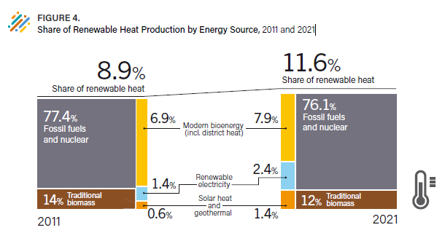
Table of Contents | Figure 4. Share of Renewable Heat Consumption by Energy Source, 2011 and 2021

 |  | Total Final Energy Consumption |  | Total Final Heat Consumption
 |  | 2011 | 2021 | 2011 | 2021
 | Electricity – renewable | 16% | 20% | 1% | 2%
 | Modern bioenergy (incl. district heat) | 78% | 68% | 7% | 8%
 | Solar heat | 5% | 7% | 0% | 1%
 | Geothermal – direct heat | 2% | 5% | 0% | 1%
 | Solar heat and Geothermal heat |  |  | 1% | 1%

 | Source: Based on IEA data.

Fig5
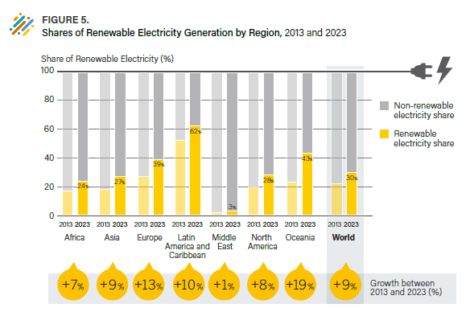
Table of Contents | Figure 5. Renewable Share of Electricity Generation, by Region, 2013 and 2023

 | Region | Change in Percentage Points between 2013 and 2023 (%)
 | Africa | 7%
 | Asia | 9%
 | Europe | 13%
 | Latin America and Caribbean | 10%
 | Middle East | 1%
 | North America | 8%
 | Oceania | 19%
 | World | 9%

 | Region | Year | Renewable Electricity Share | Non-renewable electricity share
 | Africa | 2013 | 17% | 83%
 | Africa | 2023 | 24% | 76%
 | Asia | 2013 | 18% | 82%
 | Asia | 2023 | 27% | 73%
 | Europe | 2013 | 27% | 73%
 | Europe | 2023 | 39% | 61%
 | Latin America and Caribbean | 2013 | 52% | 48%
 | Latin America and Caribbean | 2023 | 62% | 38%
 | Middle East | 2013 | 2% | 98%
 | Middle East | 2023 | 3% | 97%
 | North America | 2013 | 20% | 80%
 | North America | 2023 | 28% | 72%
 | Oceania | 2013 | 23% | 77%
 | Oceania | 2023 | 43% | 57%
 | World | 2013 | 22% | 78%
 | World | 2023 | 30% | 70%

 | Source: Ember Global Electricity Review 2024.

Fig6
Table of Contents | Figure 6.Renewable Power Total Installed Capacity and Annual Additions, by Technology, 2023

 |  | Capacity in 2022 | Added in 2023 | Total | growth
 | Solar PV | 1,183 | 407 | 1,590 | 34%
 | Hydropower | 1,237 | 7 | 1,244 | 1%
 | Wind | 906 | 117 | 1,023 | 13%
 | Other renewable power | 172 | 5 | 177 | 3%

 | Source: International Hydropower Association, personal communication with REN21, May 31, 2024; IEA Photovoltaic Power Systems Programme, “Snapshot 2024”; https://iea-pvps.org/snapshot-reports/snapshot-2024/; Global Wind Energy Council, “Global Wind Report 2024”, 2024, https://gwec.net/globalwindreport2024/; IRENA, “2024 Renewable Capacity Statistics”, 2024, https://www.irena.org/Publications/2024/Mar/Renewable-capacity-statistics-2024 (Other Renewable Power: Bioenergy, Geothermal, Concentrated Solar Power, Marine).

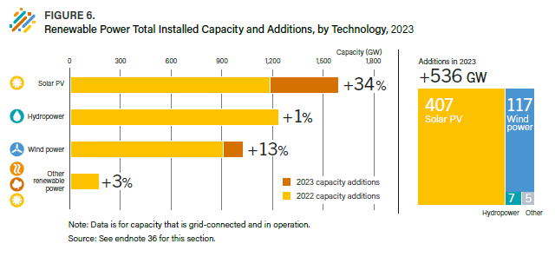

 |  |  |  |  |  | Note: Total capacity is different from the GSR 2024 Global Overview Module (473 GW) due to a change of sources to reflect the most up to date numbers. Capacity data for Solar PV is reported in DC and based on IEA-PVPS Snapshot 2024. For some countries, this means publishing different values to official data. The figure for capacity additions for Solar PV is the lower bound datapoint from IEA-PVPS.

Fig7
Table of Contents | Figure 7. Renewable Power Capacity Additions, by Region/Country, 2023

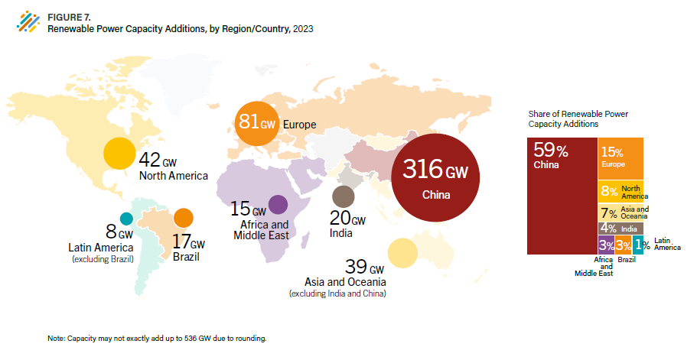
 | Region/Country | Renewable Power Capacity Additions | Share
 | Africa and Middle East | 15 | 3%
 | Asia and Oceania (excluding India and China) | 39 | 7%
 | India | 20 | 4%
 | China | 316 | 59%
 | North America | 42 | 8%
 | Latin America and Caribbean (excl. Brazil) | 8 | 1%
 | Brazil | 17 | 3%
 | Europe | 81 | 15%
 | Total | 538 | 100%

 | Source: REN21, Capacity Database, 2024, based on: IRENA Capacity Statistics 2024, IHA, personal communication with REN21, IEA PVPS Snapshot of Global PV markets 2024

Table1
Table of Contents | Table 1. Top 5 Countries for Renewable Energy Capacity and Additions, 2023
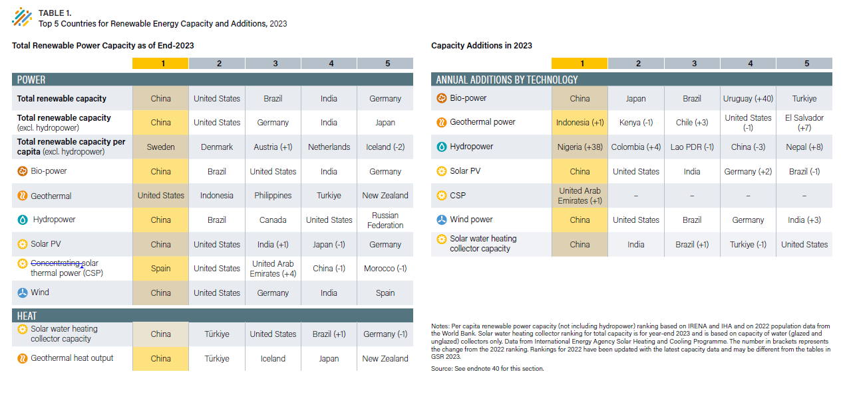
 | Total Power capacity or demand/output as of end-2023 | 1 | 2 | 3 | 4 | 5
 | Power
 | Total renewable capacity | China | United States | Brazil | India | Germany
 | Total renewable capacity (excluding hydropower) | China | United States | Germany | India | Japan
 | Total renewable capacity per capita (excluding hydropower) | Sweden | Denmark | Austria (+1) | Netherlands | Iceland (-2)
 | Bio-power | China | Brazil | United States | India | Germany
 | Geothermal power | United States | Indonesia | Philippines | Turkiye | New Zealand
 | Hydropower | China | Brazil | Canada | United States | Russian Federation
 | Solar PV | China | United States | India (+1) | Japan (-1) | Germany
 | Concentrated Solar Thermal Power (CSP) | Spain | United States | United Arab Emirates (+4) | China (-1) | Morocco (-1)
 | Wind | China | United States | Germany | India | Spain
 | Heat
 | Solar Water heating collector capacity | China | Türkiye | United States | Brazil (+1) | Germany (-1)
 | Geothermal heat output | China | Türkiye | Iceland | Japan | New Zealand

 | Capacity additions in 2023 | 1 | 2 | 3 | 4 | 5
 | Total power capacity additions per technology
 | Bio-power | China | Japan | Brazil | Uruguay (+40) | Turkiye
 | Geothermal power | Indonesia (+1) | Kenya (-1) | Chile (+3) | United States (-1) | El Salvador (+7)
 | Hydropower | Nigeria (+38) | Colombia (+4) | Laos (-1) | China (-3) | Nepal (+8)
 | Solar PV | China | United States | India | Germany (+2) | Brazil (-1)
 | Concentrated Solar Thermal Power (CSP) | United Arab Emirates (+1)
 | Wind | China | United States | Brazil | Germany | India (+3)
 | Solar water heating collector | China | India | Brazil (+1) | Turkiye (-1) | United States

 | Notes
 | Per capita renewable power capacity (not including hydropower) ranking based on IRENA and IHA and on 2022 population data from the World Bank.
 | Solar water heating collector ranking for total capacity is for year-end 2023 and is based on capacity of water (glazed and unglazed) collectors only. Data from International Energy Agency Solar Heating and Cooling Programme.
 | The number in brackets represents the change from the 2022 ranking. Rankings for 2022 have been updated with the latest capacity data and may be different from the tables in GSR 2023.
 | Source: Capacity based on IRENA Capacity Statistics 2024, IHA, personal communication with REN21, IEA PVPS Snapshot of Global PV markets 2024. Based on various sources throughout the Supply Module Market Trends section.

Fig8
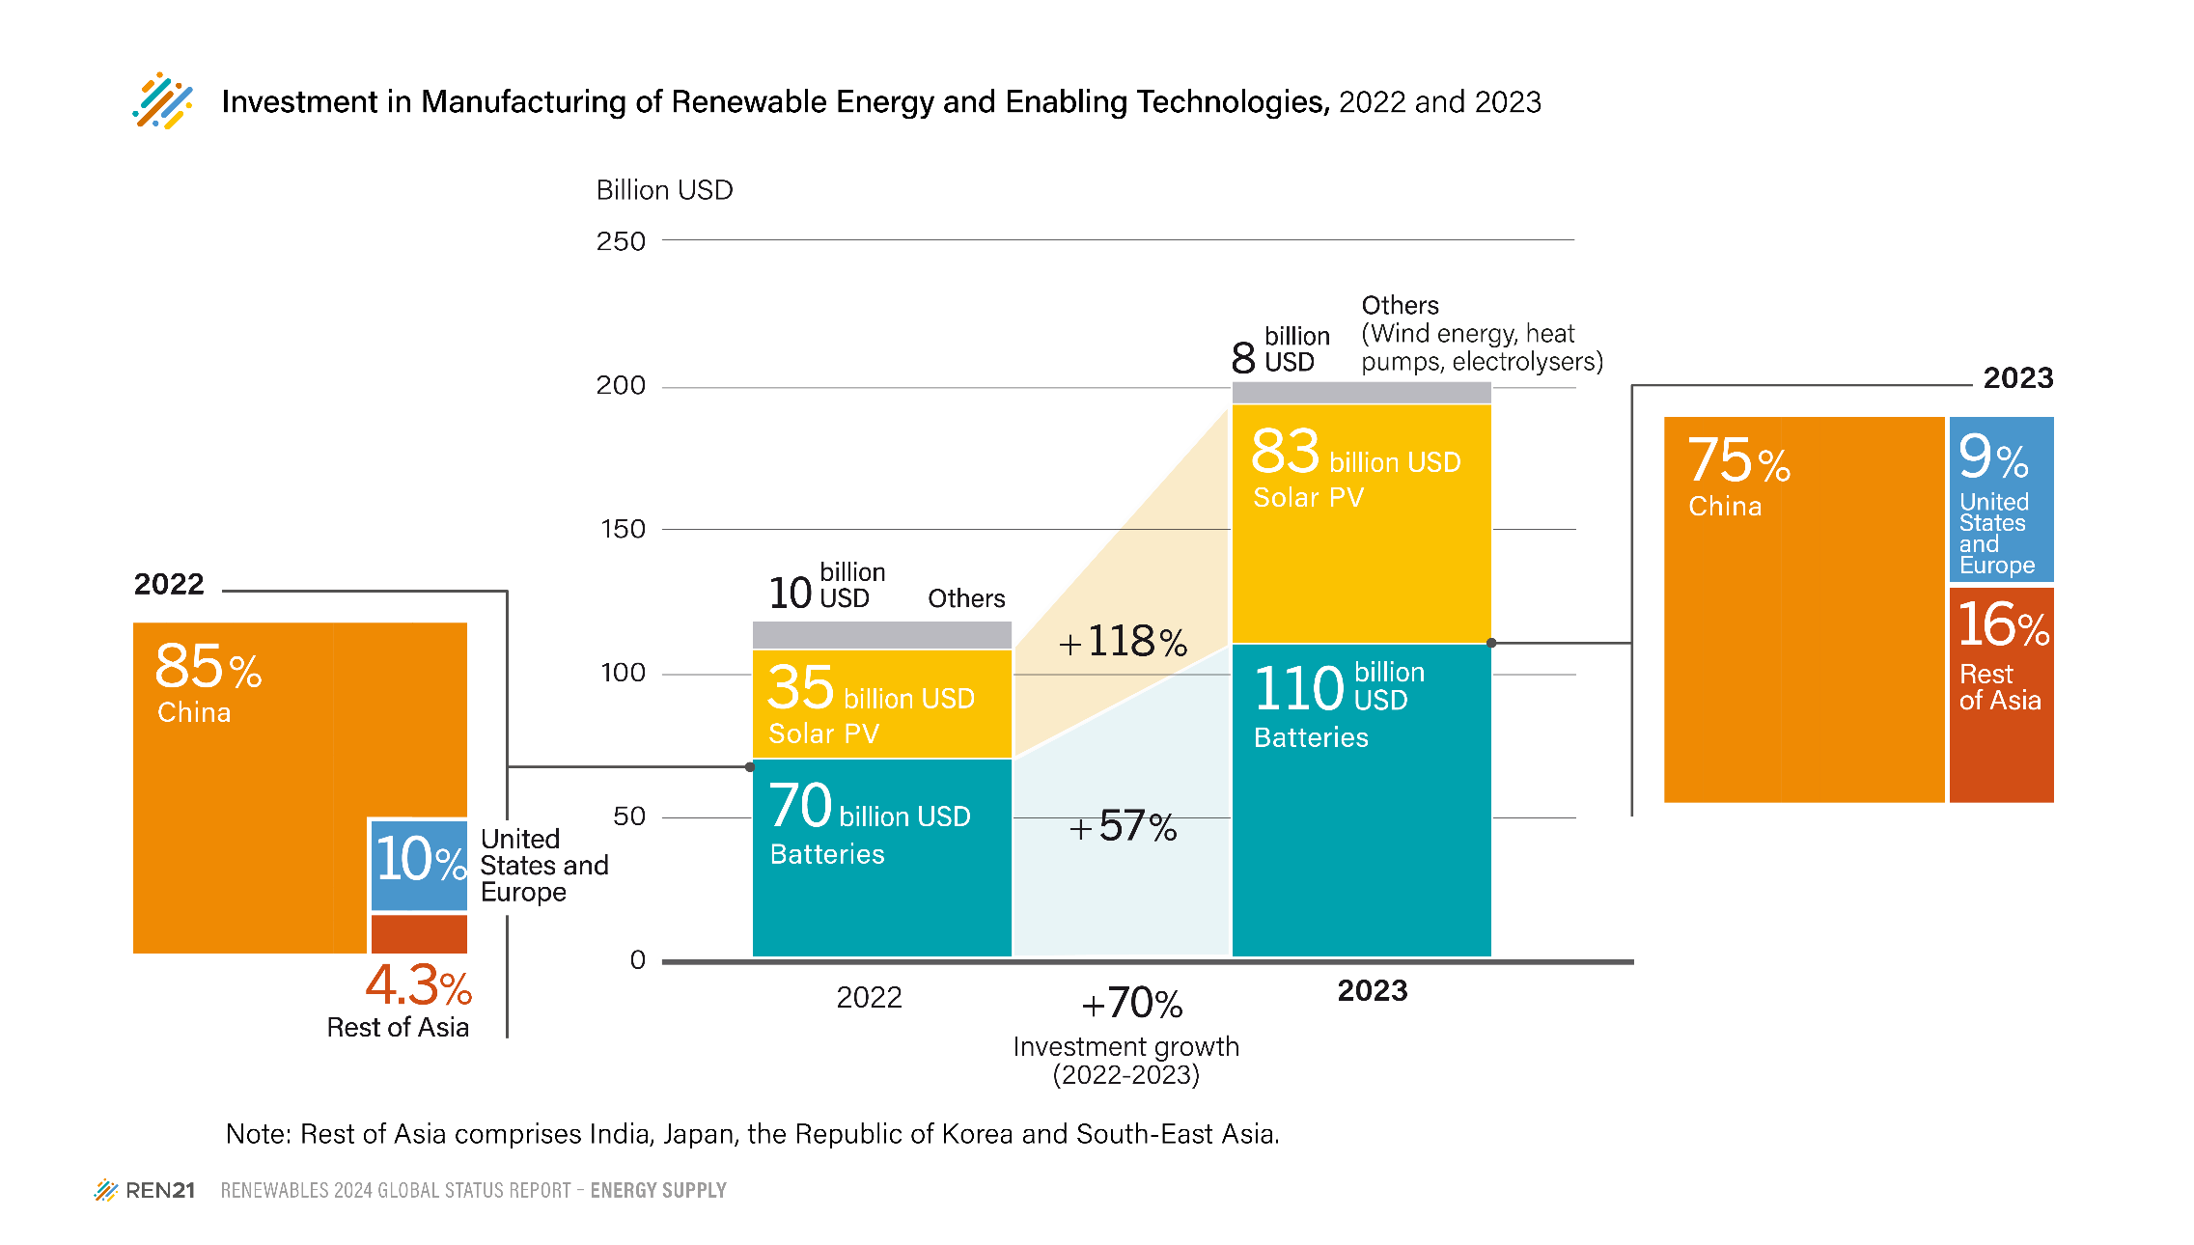
Figure 8. Investment in Manufacturing of Renewable Energy and Enabling Technologies, 2022 and 2023

 | 2022 | 2023 | Growth %
Batteries | 70 | 110 | 57%
Solar PV | 38 | 83 | 118%
Other (Wind, Heatpump and Electrolysers) | 10 | 8 | -20%

Source: IEA, 2024, "Advancing Clean Technology Manufacturing", https://iea.blob.core.windows.net/assets/7e7f4b17-1bb2-48e4-8a92-fb9355b1d1bd/CleanTechnologyManufacturingRoadmap.pdf

Fig9
Table of Contents | Figure 9. Annual Additions of Renewable Power Capacity, by Technology, 2017-2023, and Yearly Additions Needed to Achieve the International Energy Agency's Net Zero Scenario by 2030

 |  | 2017 | 2018 | 2019 | 2020 | 2021 | 2022 | 2023 | Yearly capacity additions needed 2024-2030 (IEA)
 | Total annual renewable power capacity additions | 181 | 183 | 194 | 269 | 314 | 346 | 536 | 996
 | Hydropower | 18 | 20 | 16 | 19 | 27 | 22 | 7 | 74
 | Wind power | 54 | 51 | 61 | 95 | 102 | 77 | 117 | 246
 | Solar PV | 103 | 104 | 111 | 145 | 175 | 240 | 407 | 644
 | Bio-power, Geothermal, Ocean power, CSP | 6 | 8 | 7 | 10 | 11 | 6 | 5 | 32
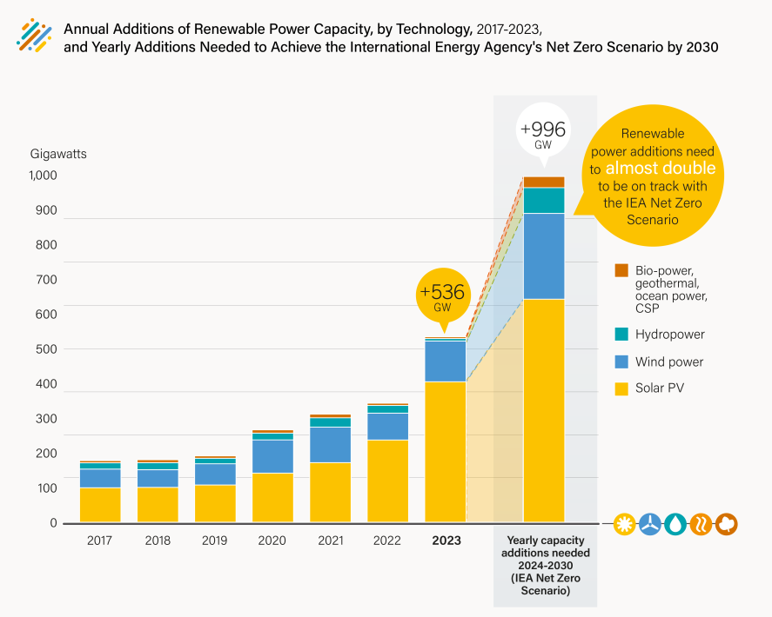
 | Source: Based on IEA data.

Table2
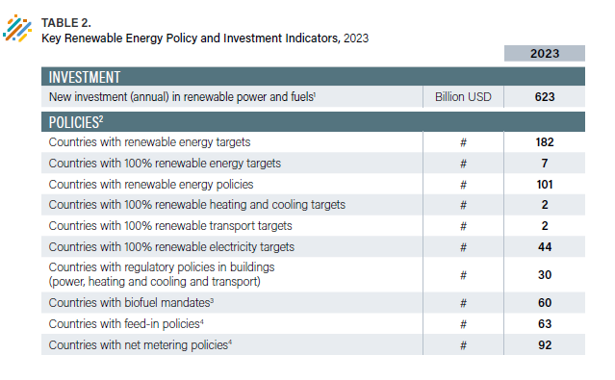
Table of Contents | Table 2. Key Renewable Energy Policy and Investment Indicators, 2023
 |  |  | 2023
 | INVESTMENT
 | New investment (annual) in renewable power and fuels (1) | Billion USD | 623

 | POLICIES (2)
 | Countries with renewable energy targets | # | 182
 | Countries with 100% renewable energy targets | # | 7
 | Countries with renewable energy policies | # | 101
 | Countries with 100% renewable heating and cooling targets | # | 2
 | Countries with 100% renewable transport targets | # | 2
 | Countries with 100% renewable electricity targets | # | 44
 | Countries with regulatory policies in buildings (power, heating and cooling and transport) | # | 30
 | Countries with biofuel mandates (3) | # | 60
 | Countries with feed-in policies (4) | # | 63
 | Countries with net metering policies (4) | # | 92

 | Notes
 | (1) Data are from BloombergNEF and include investment in new capacity of all biomass, geothermal and wind power projects of more than 1 MW; all hydropower projects of between 1 and 50 MW; all solar power projects, with those less than 1 MW estimated separately; all ocean power projects; and all biofuel projects with an annual production capacity of 1 million litres or more. Total investment values include estimates for undisclosed deals as well as company investment (venture capital, corporate and government research and development, private equity and public market new equity).
 | (2) A country is counted a single time if it has at least one national or state/provincial target or policy.
 | (3) Biofuel policies include policies listed in the GSR 2024 Demand Module Data Pack (figure 17), available at https://www.ren21.net/gsr2024-data-pack/demand.
 | (4) Data reflect all countries where the policies have been used at any time up through the year of focus at the national or state/provincial level.

Fig10
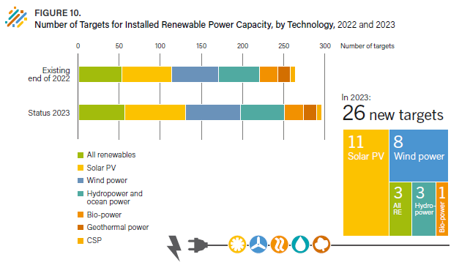
Table of Contents | Figure 10. Technology-Specific Targets for Installed Renewable Power Capacity, 2023

 |  | All renewables | Wind | Solar | CSP | Bioenergy | Geothermal | Hydropower and Ocean power
 | New (2023) | 3 | 8 | 11 | 0 | 1 | 0 | 3
 | Existing (2022) | 43 | 47 | 50 | 5 | 18 | 13 | 41
 | Total | 46 | 55 | 61 | 5 | 19 | 13 | 44

 | Notes
 | Data is not comparable to previous years due to improvements in methodology and adding targets from previous years which were not previously found.
 | Ukraines target for all renewables excludes hydropower.
 | Targets for solar PV installed capacity include targets for floating solar.
 | Some capacity targets include a combined target for multiple technologies, in these cases the country with the target is counted once for each technology where a capacity target exists. For example Laos has a targtet for 1GW of installed capacity of solar and wind, but the breakdown of how much capacity each technology will generate is unspecified.
 | Countries with multiple targets for the same technology are only counted once.

 | Source: REN21 Policy Database.

Fig11
Table of Contents | Figure 11. Renewable Energy Feed-in-Tariffs and Net Metering Policies, 2023

 | X - existing FiT/premium payment or Net-metering
 | O - removed FiT/premium payment or Net-metering

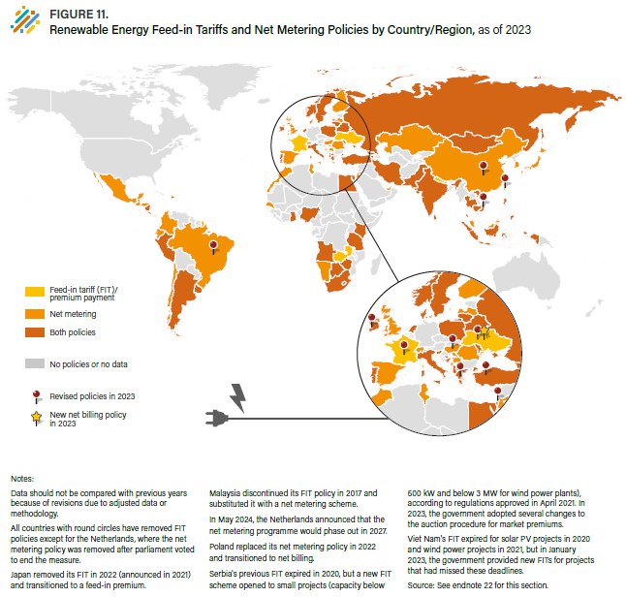
 | Country | Feed-in tariff / premium payment | Net-metering | New/revised in 2023
 | Albania | X | X
 | Angola | X | X
 | Antigua and Barbuda |  | X
 | Argentina | X | X
 | Armenia | X | X
 | Bahrain |  | X
 | Barbados | X | X
 | Belarus | X | X
 | Belgium | O | X
 | Bolivia |  | X
 | Bosnia and Herzegovina | X | X
 | Botswana | X | X
 | Brazil | O | R | NM revised
 | Cambodia | X | X
 | Chile |  | X
 | China | O | X | Solar and wid FIT removed
 | Colombia |  | X
 | Costa Rica | O | X
 | Cyprus | X | X
 | Denmark | X | X
 | Dominican Republic | X | X
 | Ecuador | O | X
 | Egypt | X | X
 | El Salvador |  | X
 | Finland | O | X
 | France | R |  | FIT revised
 | Georgia | X | X
 | Ghana | X | X
 | Greece | X | R | NM revised
 | Grenada |  | X
 | Guatemala |  | X
 | Honduras | O | X
 | Hungary | O | X | rooftop FIT ban removed
 | India | X | X
 | Indonesia | X | X
 | Iran | X | X
 | Ireland | R | X | FIT revised
 | Israel | R | X | FIT revised
 | Italy | X | X
 | Jamaica |  | X
 | Japan | O | X
 | Jordan | O | X
 | Kazakhstan | O | X
 | Kenya | X | X
 | Korea, Republic of |  | X
 | Kosovo | X
 | Latvia | O | X
 | Lebanon |  | X
 | Lesotho | X | X
 | Lithuania | X | X
 | Macedonia, North | X | X
 | Malaysia | O | X
 | Maldives | X | X
 | Mauritius | X | X
 | Mexico |  | X
 | Moldova | X | X
 | Mongolia | X | X
 | Montenegro | O | X
 | Morocco |  | X
 | Namibia | O | X
 | Nepal | X
 | Netherlands | X | X
 | Nicaragua | X | X
 | Nigeria | X | X
 | Norway | X | X
 | Palestine, State of |  | X
 | Pakistan | X | X
 | Panama |  | X
 | Peru | X | X
 | Philippines | X | X
 | Poland | X | X
 | Portugal | X | X
 | Republic of Korea | O | X
 | Romania | O | X
 | Russian Federation | X | X
 | Senegal |  | X
 | Serbia | O | X
 | Singapore |  | X
 | Slovenia | X | X
 | South Africa | X | X
 | Spain | O | X
 | Sri Lanka | X | X
 | St. Kitts and Nevis | X
 | St. Vincent and the Grenadines | X | X
 | State of Palestine | X | X
 | Sweden | X | X
 | Switzerland | O | X
 | Sychelles |  | X
 | Taiwan | R |  | FIT revised
 | Tanzania | X | X
 | Thailand | X | X
 | Trinidad and Tobago | X | X
 | Tunisia |  | X
 | Türkiye | R | X | FIT revised
 | United Arab Emirates |  | X
 | United Kingdom | O | X
 | Ukraine | N |  | Net billing adopted
 | Uruguay | X | X
 | Vietnam | R | X | FIT revised
 | Zambia | X
 | Zimbabwe | X | X

 | Notes
 | Data should not be compared with previous years because of revisions due to adjusted data or methodology.
 | All countries with round circles have removed feed-in tariff policies except for the Netherlands where the net metering policy was removed after parliament voted to end the measure.
 | Japan removed its feed-in tarrif in 2022 (announced 2021) and transitioned to a feed-in premium.
 | Malaysia discontinued its feed-in tarrif policy in 2017 and substituted it with a net- metering scheme.
 | In may 2024, the Netherlands announced that the net metering program will phase out until 2027.
 | Poland replaced its net metering policy in 2022 and transitioned to net billing.
 | Serbia's previous feed-in tariff expired in 2020, but a new feed-in-tariff scheme opened to small projects (capacity below 500kW and below 3MW for wind power plants), according to regulations approved in April 2021. In 2023, the Government adopted several changes to the auction procedure for market premiums.
 | Vietnams feed-in tariff expired for solar power projects in 2020 and wind power projects in 2021, but in January 2023, the government provided new FiTs for projects that had missed these deadlines.

 | Source: REN21 Policy Database.

Fig12
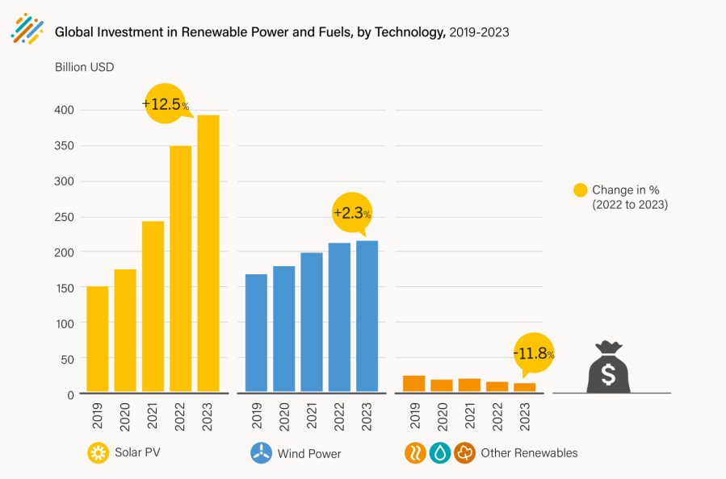
Table of Contents | Figure 12. Global Investment in Renewable Power and Fuels, by Technology, 2019-2023

 |  | Solar | Wind | Other Renewables
 | 2019 | 150.19 | 169.06 | 25.27894506
 | 2020 | 174.14 | 178.71 | 18.21328083
 | 2021 | 242.19 | 197.48 | 19.93
 | 2022 | 349.17 | 211.74 | 14.97
 | 2023 | 392.71 | 216.6 | 13.2
 | % Change 2023 | 12% | 2% | -12%

 | Source: BloombergNEF.

Fig13
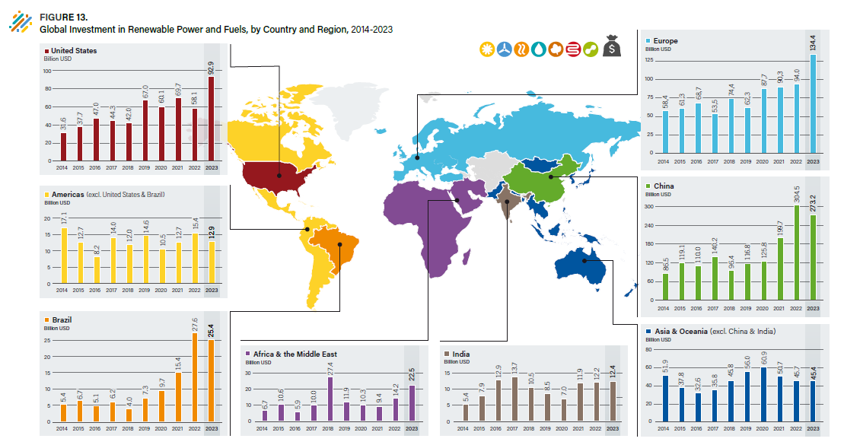
Table of Contents | Figure 13. Global Investment in Renewable Power and Fuels, by Country and Region, 2014-2023

 | (Billion USD)
 |  | 2014 | 2015 | 2016 | 2017 | 2018 | 2019 | 2020 | 2021 | 2022 | 2023
 | United States | 31.6 | 37.7 | 47.0 | 44.3 | 42.0 | 67.0 | 60.1 | 69.7 | 58.1 | 92.9 | 15%
 | Brazil | 5.4 | 6.7 | 5.1 | 6.2 | 4.0 | 7.3 | 9.7 | 15.4 | 27.6 | 25.4 | 4%
 | Other Americas | 17.1 | 12.7 | 8.2 | 14.0 | 12.0 | 14.6 | 10.5 | 12.7 | 15.4 | 12.9 | 2%
 | Europe | 58.4 | 61.3 | 68.7 | 53.5 | 74.4 | 62.3 | 87.7 | 90.3 | 94.0 | 134.4 | 22%
 | Africa & the Middle East | 6.7 | 10.6 | 5.9 | 10.0 | 27.4 | 11.9 | 10.3 | 9.4 | 14.2 | 22.5 | 4%
 | China | 86.5 | 119.1 | 110.0 | 140.2 | 96.4 | 116.8 | 125.8 | 199.7 | 304.5 | 273.2 | 44%
 | India | 5.4 | 7.9 | 12.9 | 13.7 | 10.5 | 8.5 | 7.0 | 11.9 | 12.2 | 12.4 | 2%
 | Asia & Oceania (excl. China & India) | 51.9 | 37.8 | 32.6 | 35.8 | 45.8 | 56.0 | 60.9 | 50.7 | 45.7 | 45.4 | 7%
 |  | 263.0 | 293.7 | 290.5 | 317.7 | 312.5 | 344.4 | 372.0 | 459.8 | 571.7 | 619.1 | 100%
 | Note: Figure does not include investment in hydropower projects larger than 50 MW.
 | Source: BloombergNEF.

Fig14
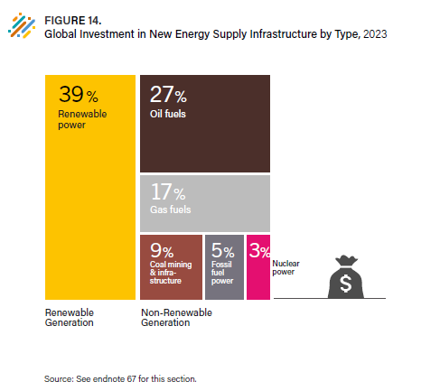
Table of Contents | Figure 14. Global Investment in New Energy Supply Infrastructure by Type, 2023

 |  | USD billion invested in 2023 | Percent Share of Total
 | Nuclear | 66.1 | 3%
 | Renewable Power | 735 | 39%
 | Fossil Fuel Power (oil, gas, coal) | 92 | 5%
 | Oil Fuels | 521 | 27%
 | Gas Fuels | 319 | 17%
 | Coal mining & infrastructure | 162 | 9%
 | Total | 1895.1 | 100%

 | Source: IEA World Energy Investment 2024

Fig15
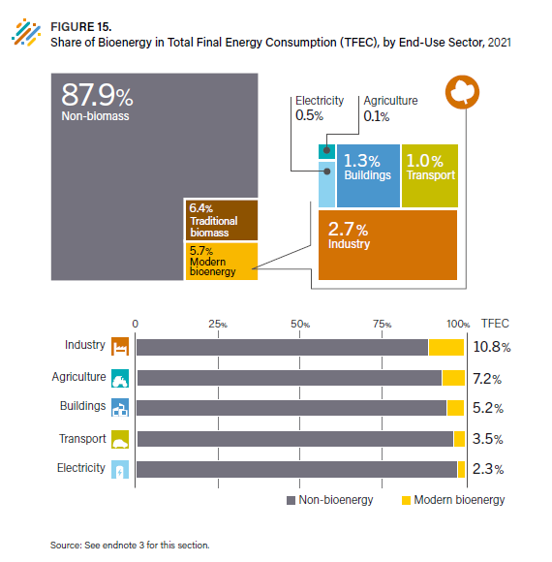
Table of Contents | Figure 15. Share of Bioenergy in Total Final Energy Consumption (TFEC), by End-Use Sector, 2021

 |  | 2021 | 2021
 | Global Final Energy Consumption | 380,452,167 | 100%
 | Non-bioenergy | 334,548,765 | 88%
 | Traditional biomass | 24,359,823 | 6%
 | Buildings (incl. district heat) | 4,947,806 | 1%
 | Industry (incl. district heat) | 10,142,736 | 3%
 | Agriculture | 490,164 | 0%
 | Transport | 3,934,956 | 1%
 | Electricity | 2,027,917 | 1%
 | Modern bioenergy | 21,543,580 | 6%
 | Total Bioenergy | 45,903,403 | 12%

 | Source: Based on IEA data.

Fig16
Table of Contents | Figure 16. Global Production of Ethanol, Biodiesel (FAME) and Renewable Diesel, 2013-2022

 |  | Billion liters
 |  | Biodiesel (FAME) | Biojet | Bioethanol | Renewable Diesel
 | 2010 | 20 | 0.00 | 85 | 0.1
 | 2011 | 24 | 0.00 | 84 | 1.2
 | 2012 | 26 | 0.00 | 85 | 2.3
 | 2013 | 29 | 0.00 | 91 | 2.6
 | 2014 | 33 | 0.00 | 96 | 2.9
 | 2015 | 29 | 0.00 | 100 | 3.5
 | 2016 | 33 | 0.00 | 101 | 4.1
 | 2017 | 35 | 0.00 | 105 | 4.4
 | 2018 | 41 | 0.00 | 111 | 5.1
 | 2019 | 45 | 0.04 | 113 | 5.9
 | 2020 | 44 | 0.07 | 104 | 6.7
 | 2021 | 46 | 0.14 | 106 | 9.6
 | 2022 | 45 | 0.2 | 106 | 13.3

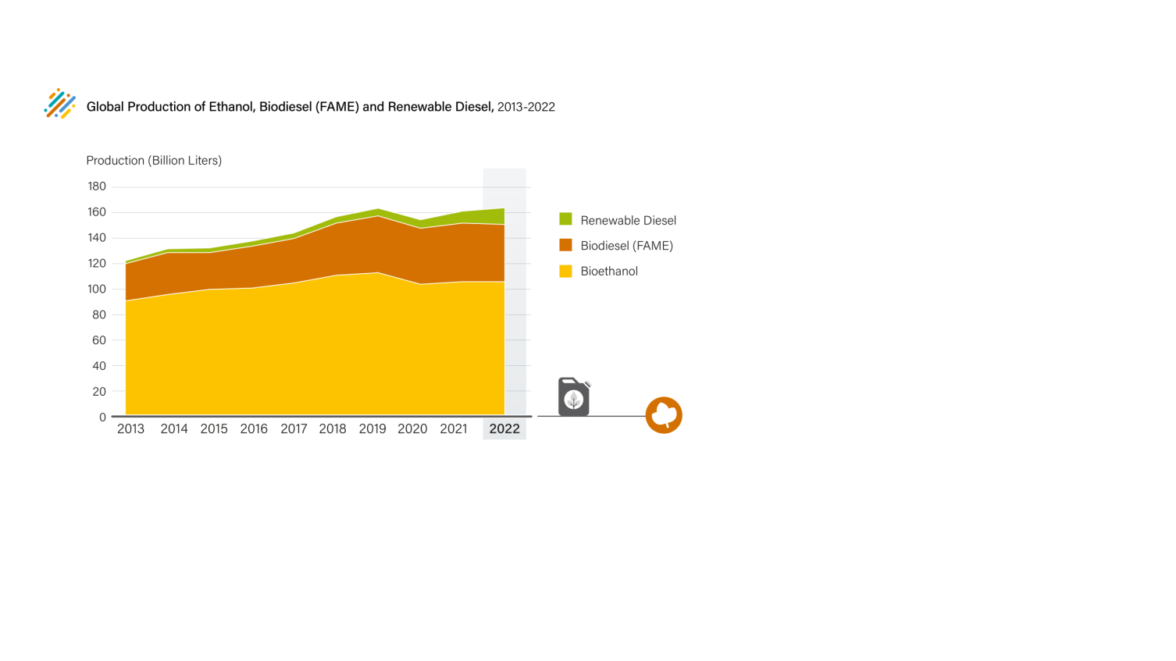
 | Source: Based on IEA data.

Fig17
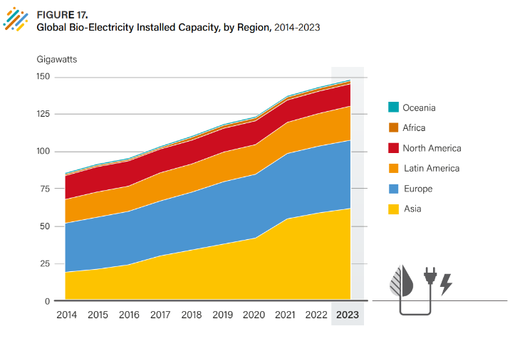
Table of Contents | Figure 17. Global Bio-Electricity Installed Capacity, by Region, 2014-2023

 |  | Capacity (GW)
 |  | 2014 | 2015 | 2016 | 2017 | 2018 | 2019 | 2020 | 2021 | 2022 | 2023
 | Africa | 1 | 1 | 1 | 1 | 2 | 2 | 2 | 2 | 2 | 2
 | Asia | 19 | 21 | 24 | 30 | 34 | 38 | 42 | 55 | 59 | 62
 | Europe | 33 | 35 | 36 | 37 | 39 | 42 | 43 | 44 | 45 | 46
 | North America | 16 | 17 | 17 | 16 | 16 | 16 | 16 | 15 | 15 | 15
 | Latin America | 16 | 17 | 17 | 19 | 19 | 20 | 20 | 21 | 22 | 23
 | Oceania | 1 | 1 | 1 | 1 | 1 | 1 | 1 | 1 | 1 | 1

 | Source: IRENA Capacity Database 2024.

Fig18
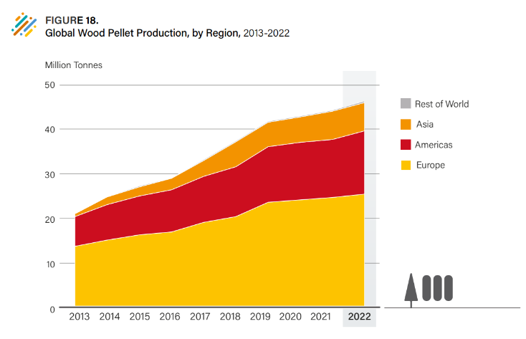
Table of Contents | Figure 18. Global Wood Pellet Production, by Region, 2013-2022

 |  | Million tonnes
 |  | World | Africa | Americas | Asia | Europe | Oceania | Rest of the World
 | 2012 | 18.053589 | 0.09 | 5.096 | 0.3043 | 12.531289 | 0.032 | 0.122
 | 2013 | 21.19902 | 0.035 | 6.648 | 0.6201 | 13.86392 | 0.032 | 0.067
 | 2014 | 25.093777 | 0.036 | 7.961382 | 1.7211 | 15.240295 | 0.135 | 0.171
 | 2015 | 27.381663 | 0.033 | 8.757675 | 2.0412 | 16.396788 | 0.153 | 0.186
 | 2016 | 29.304248 | 0.036 | 9.487853 | 2.5852 | 17.035195 | 0.16 | 0.196
 | 2017 | 33.411186 | 0.062 | 10.391244 | 3.5191 | 19.188842 | 0.25 | 0.312
 | 2018 | 37.629758 | 0.068 | 11.259687 | 5.5791 | 20.517971 | 0.205 | 0.273
 | 2019 | 41.975705 | 0.068 | 12.543997 | 5.5155 | 23.712241 | 0.135967 | 0.203967
 | 2020 | 43.191148 | 0.068 | 13.042206 | 5.6743 | 24.25624 | 0.150402 | 0.218402
 | 2021 | 44.502071 | 0.068 | 13.164696 | 6.3073 | 24.787165 | 0.17491 | 0.24291
 | 2022 | 46.431957 | 0.068 | 14.260096 | 6.3653 | 25.563651 | 0.17491 | 0.24291

 | Sorce: FAOSTAT.

Fig19
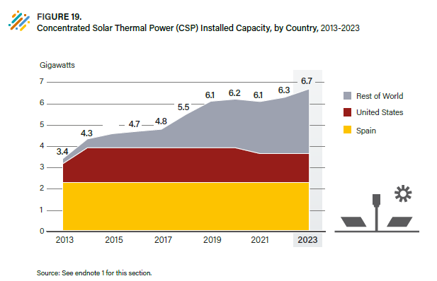
Table of Contents | Figure 19. Concentrated Solar Thermal Power (CSP) Installed Capacity, by Country, 2013-2023

 |  | CSP TOTALS IN GW
 |  | United States |  | Spain |  | Rest of World |  | Total Added MW | Global Total MW
 |  | Added | Total | Added | Total | Added | Total
 | 2013 | 0.375 | 0.876 | 0.35 | 2.3035 | 0.16 | 0.237 | 0.885 | 3.4165
 | 2014 | 0.752 | 1.628 | 0 | 2.3035 | 0.175 | 0.412 | 0.927 | 4.3435
 | 2015 | 0 | 1.628 | 0 | 2.3035 | 0.246 | 0.658 | 0.246 | 4.5895
 | 2016 | 0 | 1.628 | 0 | 2.3035 | 0.11 | 0.768 | 0.11 | 4.6995
 | 2017 | 0 | 1.628 | 0 | 2.3035 | 0.1 | 0.868 | 0.1 | 4.7995
 | 2018 | 0 | 1.628 | 0 | 2.3035 | 0.7 | 1.568 | 0.7 | 5.4995
 | 2019 | 0 | 1.628 | 0 | 2.3035 | 0.615 | 2.183 | 0.615 | 6.1145
 | 2020 | 0 | 1.628 | 0 | 2.3035 | 0.1 | 2.283 | 0.1 | 6.2145
 | 2021 | -0.274 | 1.354 | 0 | 2.3035 | 0.16 | 2.443 | -0.114 | 6.1005
 | 2022 | 0 | 1.354 | 0 | 2.3035 | 0.2 | 2.643 | 0.2 | 6.3005
 | 2023 | 0 | 1.354 | 0 | 2.3035 | 0.4 | 3.043 | 0.4 | 6.7005

 |  | THERMAL ENERGY STORAGE
 |  | MWh |  | GWh |  |  |  | ANNUAL INCREASE
 |  | Added | Total | Added | Total | Total - Added
 | 2013 | 3310 | 9803 | 3.31 | 9.803 | 6 |  | 51%
 | 2014 | 0 | 9803 | 0 | 9.803 | 10 |  | 0%
 | 2015 | 688 | 10491 | 0.688 | 10.491 | 10 |  | 7%
 | 2016 | 715 | 11206 | 0.715 | 11.206 | 10 |  | 7%
 | 2017 | 500 | 11706 | 0.5 | 11.706 | 11 |  | 4%
 | 2018 | 4925 | 16631 | 4.925 | 16.631 | 12 |  | 42%
 | 2019 | 3430.5 | 20061.5 | 3.4305 | 20.0615 | 17 |  | 21%
 | 2020 | 1000 | 21061.5 | 1 | 21.0615 | 20 |  | 5%
 | 2021 | 2375 | 23436.5 | 2.375 | 23.4365 | 21 |  | 11%
 | 2022 | 2200 | 25636.5 | 2.2 | 25.6365 | 23 |  | 9%

 | Source: R. Thonig, A. Gilmanova, and J. Lilliestam, “CSP.Guru 2024-01- 01[Data Set]”, 2024, https://doi.org/10.5281/zenodo.1318151.

Fig20
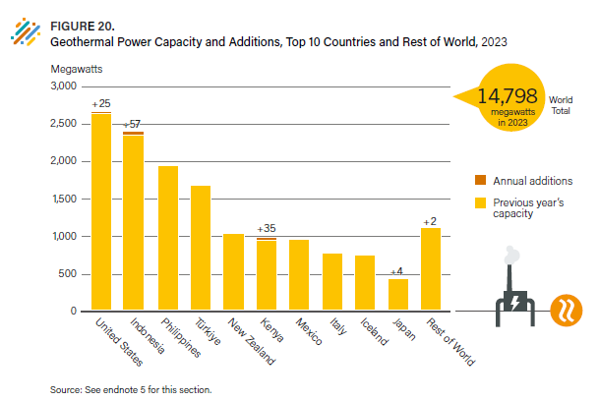
Table of Contents | Figure 20. Geothermal Power Capacity and Additions, Top 10 Countries and Rest of World, 2023

 |  | Megawatts
 |  | 2022 total | Added in 2023
 | United States | 2,649 | 25.0
 | Indonesia | 2,360 | 57.4
 | Philippines | 1,952 | 0.0
 | Turkey | 1,691 | 0.0
 | New Zealand | 1,042 | 0.0
 | Kenya | 950 | 35.0
 | Mexico | 959 | 0.0
 | Italy | 772 | 0.0
 | Iceland | 755 | 0.0
 | Japan | 428 | 4.0
 | Rest of World | 1,117 | 2.0

 | Note: Figure shows known new capacity and capacity increases at existing facilities but may not indicate capacity decommissioning or derating of existing facilities.
 | Source: Based on end-2022 capacity data and capacity additions in 2023 from the sources listed above, and from sources noted elsewhere in this section. For the purpose of this figure, end-2022 capacity is assumed to be equal to end-2023 capacity less new capacity installed (or capacity expansion) during 2023.

Fig21
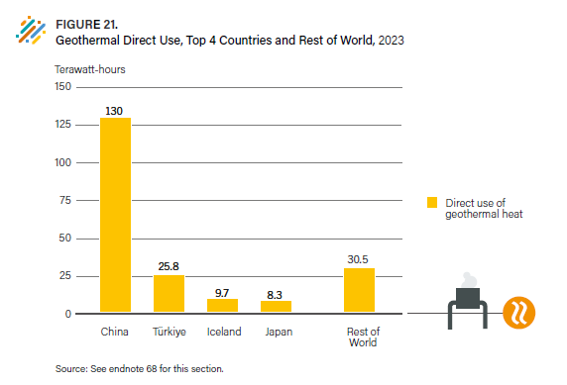
Table of Contents | Figure 21. Geothermal Direct Use, Top 4 Countries and Rest of World, 2023

 |  | 2023 (Terawatt-hours)
 | China | 130.3
 | Turkey | 25.8
 | Iceland | 9.7
 | Japan | 8.3
 | Rest of World | -174.2

 | Source: Based on: Calculation based on estimates for each of the four largest markets noted elsewhere in this section and a nominal 1% annual growth for all other markets since 2019. Output in 2019 based on J.W. Lund and A.N. Toth, “Direct Utilization of Geothermal Energy 2020 Worldwide Review”, 2020, https://www.geothermal-energy.org/pdf/IGAstandard/ WGC/2020/01018.pdf. The four largest markets comprising 85% of output in 2023 derived from estimates for these markets and assumed 1% annual growth for the rest of the world since 2019.

Fig22
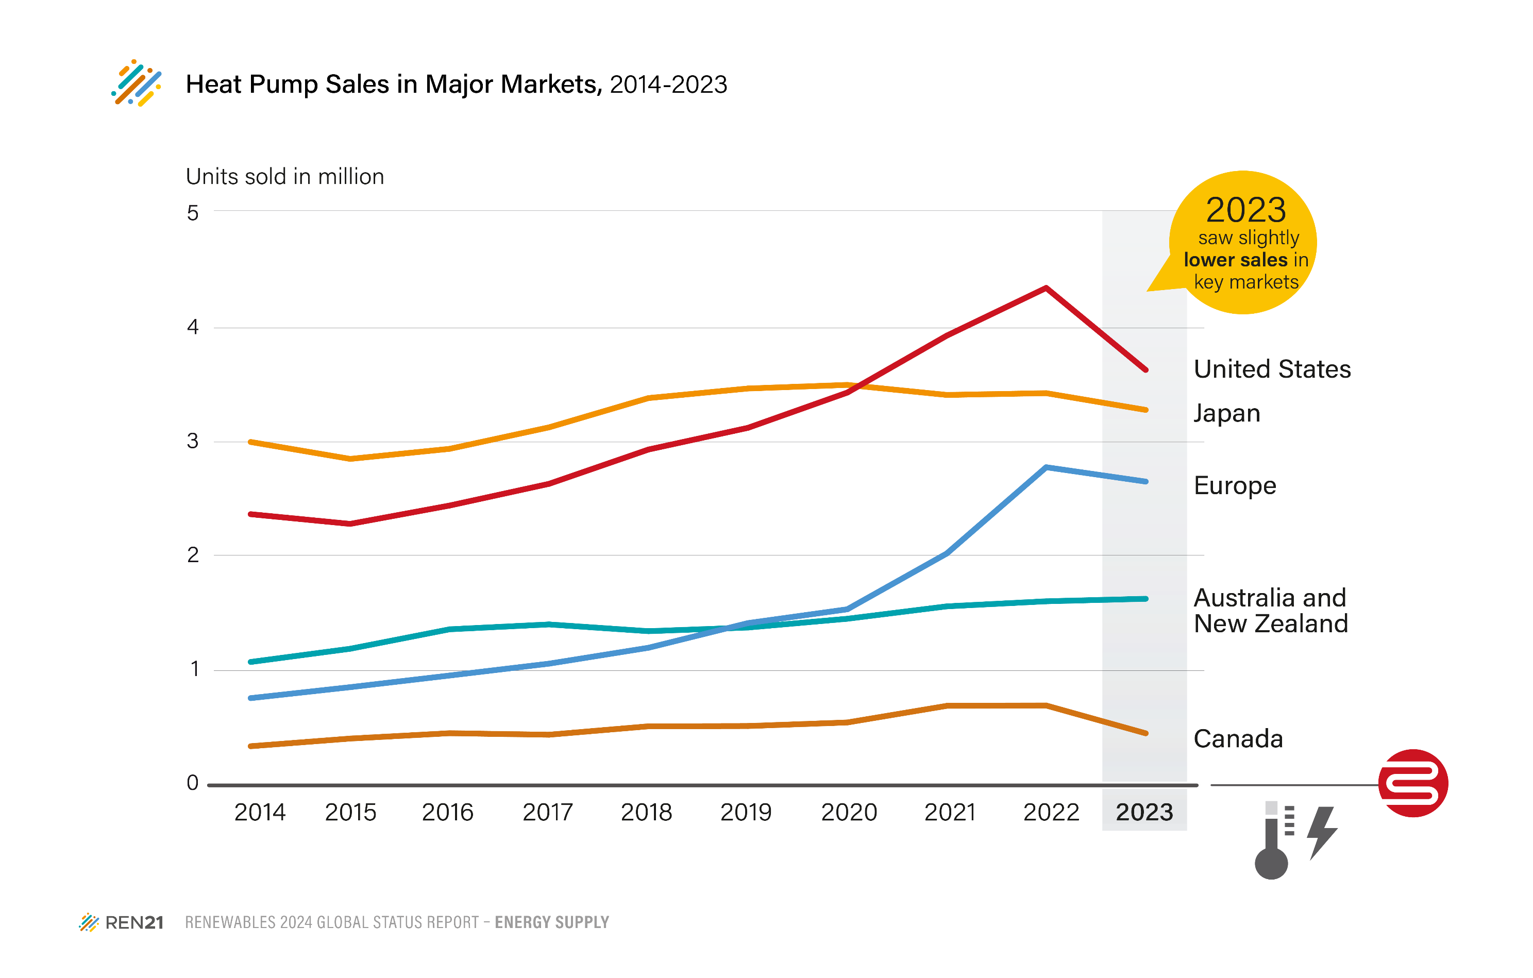
Table of Contents | Figure 22. Heat Pump Sales in Major Markets, 2014-2023

 |  | 2014 | 2015 | 2016 | 2017 | 2018 | 2019 | 2020 | 2021 | 2022 | 2023 | Year-over-Year growth | Decade growth
 | United States | 2,353,990 | 2,269,196 | 2,429,867 | 2,619,782 | 2,920,080 | 3,109,840 | 3,418,478 | 3,916,766 | 4,334,479 | 3,616,632 | -17% | 54%
 | Japan | 2,985,951 | 2,837,996 | 2,926,069 | 3,114,185 | 3,370,354 | 3,454,142 | 3,485,568 | 3,397,887 | 3,413,259 | 3,266,783 | -4% | 9%
 | Australia | 960,000 | 1,070,000 | 1,220,000 | 1,240,000 | 1,180,000 | 1,190,000 | 1,260,000 | 1,310,000 | 1,320,000 | 1,372,800 | 4% | 43%
 | Rest of Europe | 224,367 | 244,569 | 257,181 | 295,033 | 348,337 | 413,882 | 436,720 | 566,287 | 853,397 | 686,990 | -19% | 206%
 | France | 193,102 | 208,829 | 219,551 | 245,068 | 275,114 | 397,055 | 394,129 | 537,111 | 621,776 | 610,826 | -2% | 216%
 | Germany | 68,400 | 69,700 | 79,550 | 91,600 | 99,100 | 102,350 | 140,390 | 173,387 | 275,697 | 438,704 | 59% | 541%
 | Canada | 323,526 | 390,473 | 437,248 | 424,077 | 497,864 | 500,139 | 531,337 | 676,841 | 679,694 | 436,544 | -36% | 35%
 | Italy | 100,752 | 123,625 | 180,816 | 178,850 | 200,433 | 207,511 | 218,181 | 379,970 | 513,535 | 343,799 | -33% | 241%
 | New Zealand | 100,964 | 106,437 | 126,760 | 149,326 | 150,256 | 172,230 | 178,997 | 237,569 | 271,893 | 240,984 | -11% | 139%
 | Spain | 55,147 | 82,826 | 88,643 | 106,770 | 119,928 | 128,149 | 127,856 | 148,813 | 184,950 | 209,679 | 13% | 280%
 | Sweden | 95,561 | 102,996 | 101,256 | 104,246 | 107,831 | 107,723 | 146,937 | 133,498 | 215,337 | 195,552 | -9% | 105%
 | Netherlands | 7,009 | 7,721 | 15,220 | 24,542 | 34,469 | 44,248 | 57,723 | 70,924 | 100,353 | 153,981 | 53% | 2097%

 | Notes
 | Rest of Europe includes Austria, Belgium, Denmark, Finland, Norway, Poland, Portugal and Switzerland.
 | For Australia, Figures shown are single-split systems for heating and cooling. 2023 sales are just a projection. See https://iifiir.org/en/news/main-figures-for-the-australian-heat-pump-market and https://www.dcceew.gov.au/sites/default/files/documents/heat-pumps-emerging-trends-in-australian-market.pdf
 | Source: US - Air-conditioning, Heating & Refrigeration Institute, “AHRI Releases January 2024 U.S. Heating and Cooling Equipment Shipment Data”, 8 March 2024, https:// www.ahrinet.org/system/files/2024-03/January%202024%20 Statistical%20Release.pdf; Japan - The Japan Refrigeration and Air Conditioning Industry Association (JRAIA), “Statistics”, July 2022, https://www.jraia.or.jp/english/statistics/; Australia - Department of Climate Change, Energy, the Environment and Water, “Heat Pumps – Emerging Trends in the Australian Market”, 2023, https://www.dcceew.gov.au/environment/protection/ozone/publications/heat-pumpsemerging-trends-australian-market; Europe - European Heat Pump Association, “Heat Pump Sales Fall by 5% While EU delays Action, 27 February 2024, https://www.ehpa.org/news-and-resources/news/heat-pump-sales-fall-by-5-whileeu-delays-action. For data on Chinese heat pump sales by capacity, see International Energy Agency, “The Future of Heat Pumps in China”, 2024, https://www.iea.org/reports/the-future-of-heat-pumps-in-china.

Fig23
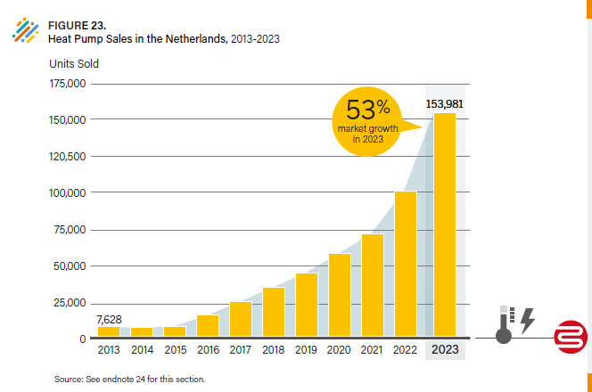
Table of Contents | Figure 23. Heat Pump Sales in the Netherlands, 2013-2023

 |  | 2013 | 2014 | 2015 | 2016 | 2017 | 2018 | 2019 | 2020 | 2021 | 2022 | 2023
 | Heat pump sales | 7628 | 7009 | 7721 | 15220 | 24542 | 34469 | 44248 | 57723 | 70924 | 100353 | 153981
 | Solar PV installations |  | -8% | 10% | 97% | 61% | 40% | 28% | 30% | 23% | 41% | 53%

 | Source: Based on IEA data.

Fig24
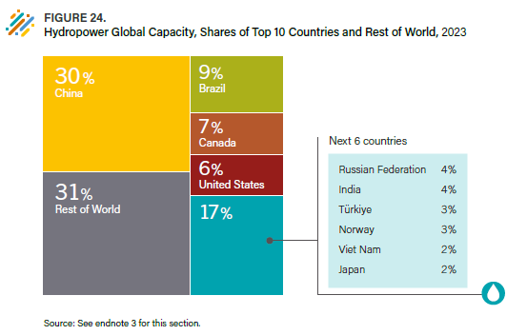
Table of Contents | Figure 24. Hydropower Global Capacity, Shares of Top 10 Countries and Rest of World, 2023

 | Country | Share of global hydropower capacity | Next 6 countries | Share of global hydropower capacity
 | China | 30% | Russian Federation | 4%
 | Brazil | 9% | India | 4%
 | Canada | 7% | Türkiye | 3%
 | United States | 6% | Norway | 3%
 | Next 6 countries | 0% | Viet Nam | 2%
 | Rest of World | 48% | Japan | 2%

 | Source: IHA.

Fig25
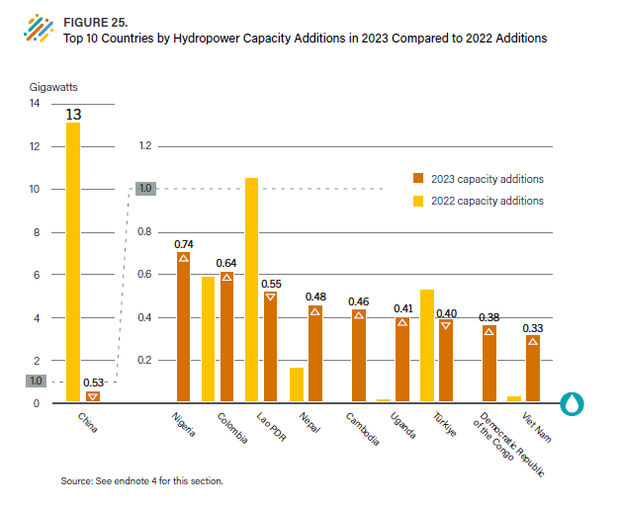
Table of Contents | Figure 25. Top 10 Countries by Hydropower Capacity Additions in 2023 Compared to 2022 Additions

 |  | Gigawatts (GW)
 | Countries | 2022 capacity additions | 2023 capacity additions
 | Nigeria | 0.0 | 0.7
 | Colombia | 0.6 | 0.6
 | Laos | 1.1 | 0.5
 | China | 13.0 | 0.5
 | Nepal | 0.2 | 0.5
 | Cambodia | 0.0 | 0.5
 | Uganda | 0.0 | 0.4
 | Turkey | 0.6 | 0.4
 | Democratic Republic of the Congo | 0.0 | 0.4
 | Viet Nam | 0.0 | 0.3

 | Source: IHA.

Fig26
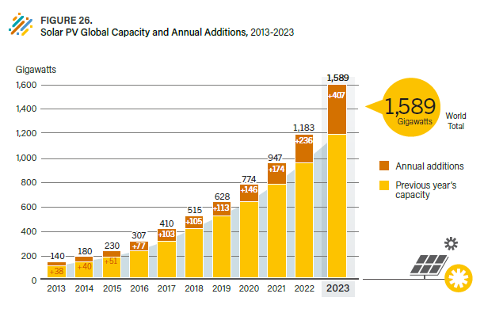
Table of Contents | Figure 26. Solar PV Global Capacity and Annual Additions, 2013-2023

 |  | Gigawatts
 | Year | Annual additions | Total capacity
 | 2013 | 38 | 140
 | 2014 | 40 | 180
 | 2015 | 51 | 230
 | 2016 | 77 | 307
 | 2017 | 103 | 410
 | 2018 | 105 | 515
 | 2019 | 113 | 628
 | 2020 | 146 | 774
 | 2021 | 174 | 947
 | 2022 | 236 | 1183
 | 2023 | 407 | 1589

 | Note: Data are provided in direct current (DC). Totals may not add up due to rounding.
 | Source: IEA PVPS.

Fig27
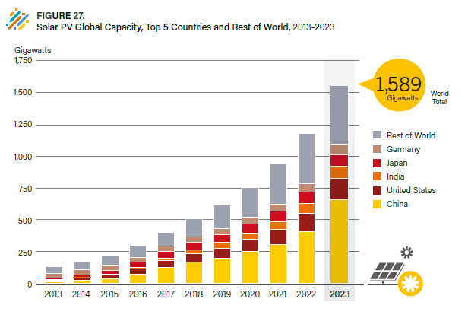
Table of Contents | Figure 27. Solar PV Global Capacity, Top 5 Countries and Rest of World, 2013-2023

 | Year | China | United States | India | Japan | Germany | Rest of World | World
 | 2013 | 17.7 | 12.1 | 2.2 | 13.6 | 36.7 | 55.7 | 138
 | 2014 | 28.3 | 18.3 | 3.2 | 23.3 | 37.9 | 66.9 | 178
 | 2015 | 43.5 | 25.8 | 5.1 | 34.2 | 39.2 | 80.2 | 228
 | 2016 | 78.0 | 41.0 | 9.1 | 42.0 | 40.7 | 94.2 | 305
 | 2017 | 130.9 | 51.8 | 22.1 | 49.5 | 42.3 | 110.4 | 407
 | 2018 | 175.1 | 62.5 | 32.9 | 56.2 | 45.2 | 140.1 | 512
 | 2019 | 205.2 | 77.0 | 42.9 | 63.2 | 49.0 | 185.7 | 623
 | 2020 | 253.4 | 97.0 | 47.4 | 71.4 | 53.9 | 236.9 | 760
 | 2021 | 308.5 | 122.9 | 60.4 | 78.2 | 59.2 | 312.8 | 942
 | 2022 | 414.1 | 141.6 | 78.7 | 85.1 | 67.3 | 397.0 | 1183
 | 2023 | 662.0 | 169.5 | 95.3 | 91.4 | 81.6 | 457.5 | 1589

 | Note: Data are provided in direct current (DC).
 | Source: IEA PVPS.

Fig28
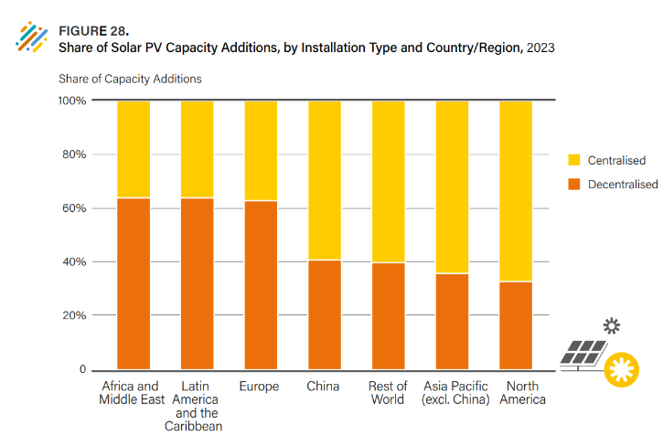
Table of Contents | Figure 28. Share of Solar PV Capacity Additions, by Installation Type and Country/Region, 2023

 | Country/Region | Decentralised | Centralised
 | Africa & Middle East | 64% | 36%
 | Latin America & Carribean | 64% | 36%
 | Europe | 63% | 37%
 | China | 41% | 59%
 | RoW | 40% | 60%
 | Asia Pacific exc. China | 36% | 64%
 | North America | 33% | 67%

 | Source: IEA PVPS.

Fig29
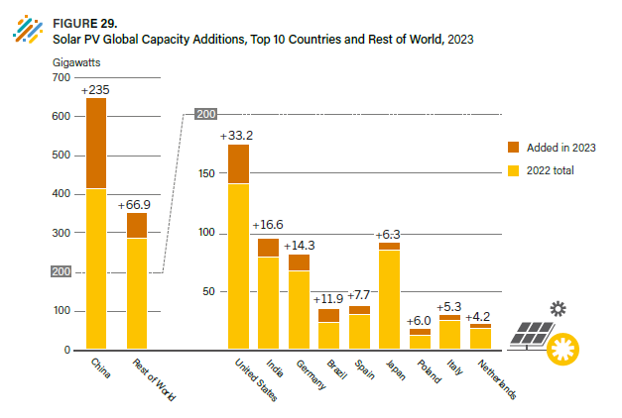
Table of Contents | Figure 29. Solar PV Global Capacity Additions, Top 10 Countries and Rest of World, 2023

 |  | Gigawatts
 | Country | 2022 Total | Added in 2023 | End-2023 Total
 | China | 414.1 | 235.0 | 649.0
 | United States | 141.6 | 33.2 | 174.8
 | India | 78.7 | 16.6 | 95
 | Germany | 67.3 | 14.3 | 81.6
 | Brazil | 23.6 | 11.9 | 35.5
 | Spain | 30.0 | 7.7 | 37.6
 | Japan | 85.1 | 6.3 | 91.4
 | Poland | 12.5 | 6.0 | 12.5
 | Italy | 25.1 | 5.3 | 30.3
 | Netherlands | 18.2 | 4.2 | 18
 | Rest of World | 287.3 | 66.9 | 356.0

 | Note: Data are provided in direct current (DC).
 | Source: International Energy Agency Photovoltaic Power Systems Programme, “Snapshot of Global PV Markets 2023,” 2024, https://iea-pvps.org/wp-content/uploads/2023/04/IEA_ PVPS_Snapshot_2023.pdf.

Fig30
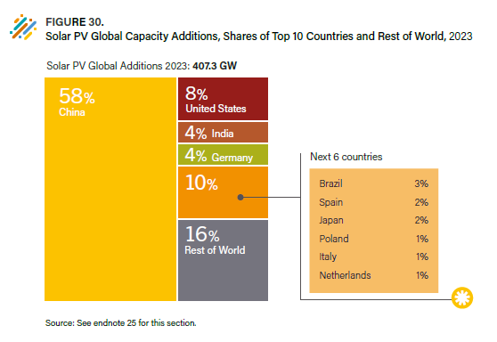
Table of Contents | Figure 30. Solar PV Global Capacity Additions, Shares of Top 10 Countries and Rest of World, 2023

 | Country | Capacity Added in 2023 (Gigawatts) | Share
 | China | 235 | 58%
 | United States | 33 | 8%
 | India | 17 | 4%
 | Germany | 14 | 4%
 | Brazil | 12 | 3%
 | Spain | 8 | 2%
 | Japan | 6 | 2%
 | Poland | 6 | 1%
 | Italy | 5 | 1%
 | Netherlands | 4 | 1%
 | ROW | 67 | 16%

 | Source: International Energy Agency Photovoltaic Power Systems Programme, “Snapshot of Global PV Markets 2023,” 2024, https://iea-pvps.org/wp-content/uploads/2023/04/IEA_PVPS_Snapshot_2023.pdf.

Fig31
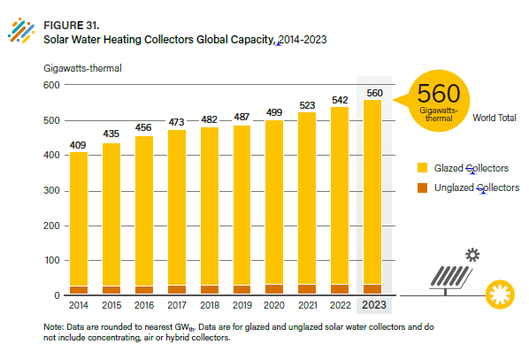
Table of Contents | Figure 31. Solar Water Heating Collectors Global Capacity, 2014-2023

 |  | Gigawatts-thermal
 |  | Glazed Collectors Total | Unglazed Collectors Total | Water Collectors Total
 | 2011 | 262 | 22 | 285
 | 2013 | 349 | 25 | 374
 | 2014 | 383 | 26 | 409
 | 2015 | 408 | 27 | 435
 | 2016 | 428 | 28 | 456
 | 2017 | 444 | 29 | 473
 | 2018 | 452 | 30 | 482
 | 2019 | 457 | 30 | 487
 | 2020 | 469 | 31 | 499
 | 2021 | 491 | 32 | 523
 | 2022 | 507 | 32 | 542
 | 2023 | 527 | 33 | 560

 | Note: Data are rounded to nearest GWth. Data are for glazed and unglazed solar water collectors and do not include concentrating, air or hybrid collectors.
 | Source: IEA SHC.

Fig32
Table of Contents | Figure 32. Solar Water Heating Collector Additions, Top 20 Countries for Capacity Added, 2023

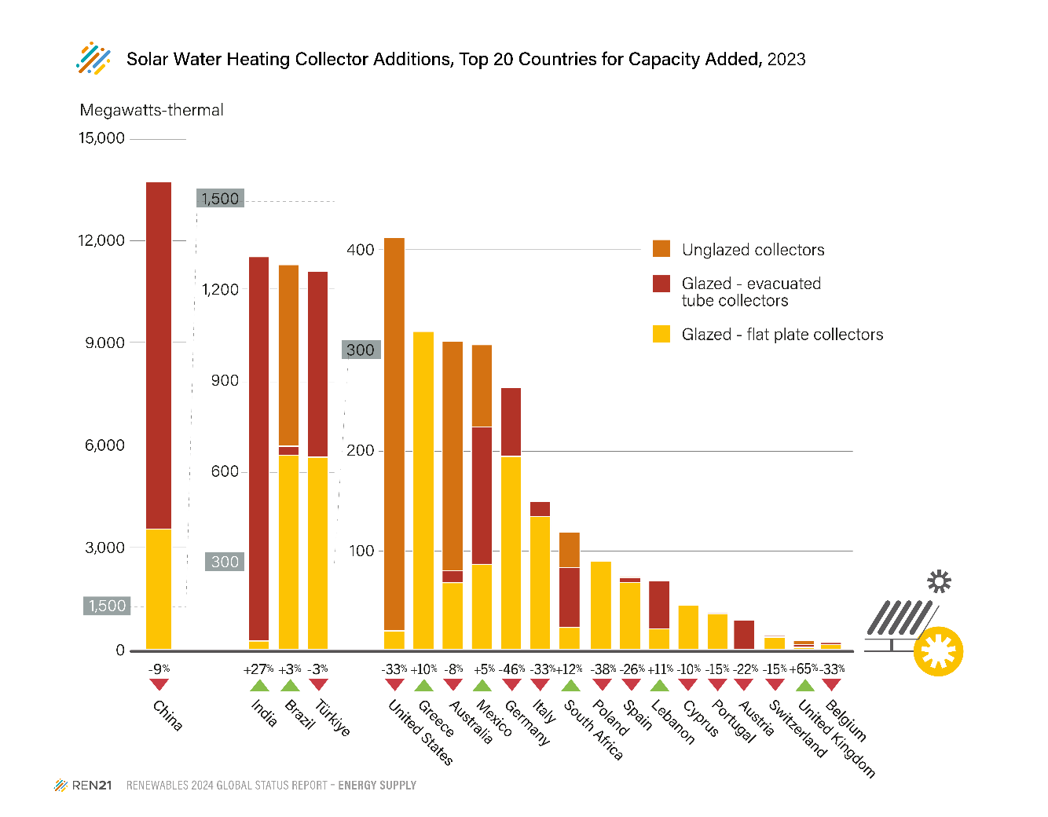
 | Rank | Country | Glazed - flat plate collectors MWth 2023 | Glazed - vacuum tube collectors MWth 2023 | Unglazed collectors MWth 2023 | Growth 2022/2023 | Total Added in 2023 (MWth)
 | 1 | China | 3,555 | 10,173 |  | -9% | 13,727
 | 2 | India | 95 | 1,251 |  | 27% | 1,346
 | 3 | Brazil | 648 | 30 | 603.6 | 3% | 1,281
 | 4 | Türkiye | 641 | 617 |  | -3% | 1,259
 | 5 | United States | 21 |  | 396.0 | -33% | 417
 | 6 | Greece | 323 | 0 | 0.2 | 10% | 323.0
 | 7 | Australia | 69 | 12 | 231.0 | -8% | 312.5
 | 8 | Mexico | 88 | 138 | 82.8 | 5% | 309.1
 | 9 | Germany | 197 | 69 |  | -46% | 266.0
 | 10 | Italy | 136 | 15 |  | -33% | 151.4
 | 11 | Poland | 91 | 0 |  | -38% | 91.6
 | 12 | Spain | 70 | 5 | 1.3 | -26% | 75.5
 | 13 | Lebanon | 23 | 49 |  | 11% | 71.5
 | 14 | Cyprus | 47 |  |  | -10% | 46.7
 | 15 | Portugal | 38 | 1 |  | -15% | 39.3
 | 16 | South Africa | 24 | 60 | 35.7 | 12% | 120.2
 | 17 | Austria | 1 | 31 | 0.9 | -22% | 32.4
 | 18 | Belgium | 7 | 2 |  | -33% | 9.1
 | 19 | Switzerland | 15 | 2 | 0.4 | -15% | 16.6
 | 20 | United Kingdom | 4 | 3 | 3.8 | 65% | 10.8

 | Note: Additions represent gross capacity added. Growth rates of annual market are rounded to the nearest whole number.
 | Source: Based on data from W. Weiss and M. Spörk-Dür, “Solar Heat Worldwide, Global Market Development and Trends 2023, Detailed Market Figures 2022, 2024 Edition”, International Energy Agency Solar Heating and Cooling Programme, 2024, https://www.iea-shc.org/solarheat-worldwide, and from M. Spörk-Dür, AEE – Institute for Sustainable Technologies, personal communication with REN21, March–May 2024, as well as on data from country contributors provided in endnote 3, and on data for Brazil from D. Johann, Associação Brasileira de Energia Solar Térmica (ABRASOL), personal communication with REN21, 2 April 2024, and from ABRASOL, “Solar Heating Systems Production and Sales 2024 (Database 2023)”, May 2024, https://abrasol.org.br/wp-content/uploads/2024/05/Solar-Heating-Systems-Production-and-Sales-2024.pdf. Data for top 20 countries are based on the latest market data available for gross additions of glazed and unglazed water collectors (not including concentrating, PV-thermal and air collectors), at the time of publication, for countries that together represent around 95% of the world total. In 2022, the top countries for new installations were China, Türkiye, Brazil, India and the United States, from Weiss and Spörk-Dür, op. cit. this note.

Fig33
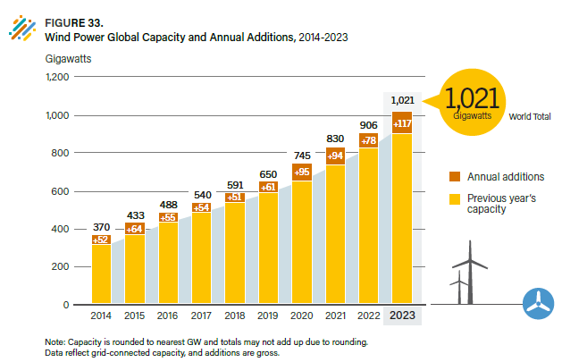
Table of Contents | Figure 33. Wind Power Global Capacity and Annual Additions, 2014-2023

 |  | Gigawatts (GW)
 | Year | Annual Additions | Year-end Total
 | 2013 | 36 | 319
 | 2014 | 52 | 370
 | 2015 | 64 | 433
 | 2016 | 55 | 488
 | 2017 | 54 | 540
 | 2018 | 51 | 591
 | 2019 | 61 | 650
 | 2020 | 95 | 745
 | 2021 | 94 | 830
 | 2022 | 78 | 906
 | 2023 | 117 | 1021

 | Note: Capacity is rounded to nearest GW and totals may not add up due to rounding. Data reflect grid-connected capacity, and additions are gross.
 | Source: based on historical data from GWEC, “Global Wind Report 2024.

Fig34
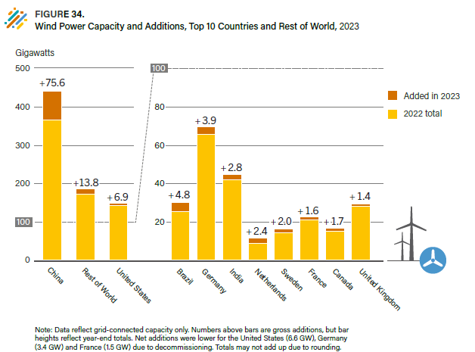
Table of Contents | Figure 34. Wind Power Capacity and Additions, Top 10 Countries and Rest of World, 2023

 |  | Gigawatts (GW)
 | Country | Added in 2023 | 2023 Total
 | China | 75.6 | 441.1
 | United States | 6.9 | 150.9
 | Brazil | 4.8 | 30.4
 | Germany | 3.9 | 69.7
 | India | 2.8 | 44.7
 | Netherlands | 2.4 | 11.5
 | Sweden | 2.0 | 16.4
 | France | 1.6 | 22.6
 | Canada | 1.7 | 17.0
 | United Kingdom | 1.4 | 29.6
 | Rest of World | 13.8 | 187.1

 | Note: Data reflect grid-connected capacity only. Numbers above bars are gross additions, but bar heights reflect year-end totals. Net additions were lower for the United States (6.6 GW), Germany (3.4 GW) and France (1.5 GW) due to decommissioning. Totals may not add up due to rounding.

 | Source: Based on country-specific data and sources provided throughout the Wind section, and drawn largely from the following: GWEC, “Global Wind Report 2024”; GWEC, “Global Wind Statistics 2024”; WindEurope, “Wind Energy in Europe – 2023”; G. Costanzo, WindEurope, personal communication with REN21, April–May 2024 and WWEA “WWEA Annual Report 2023”.

