Welcome
Welcome to the REN21 GSR 2024 Global Overview Data Pack!
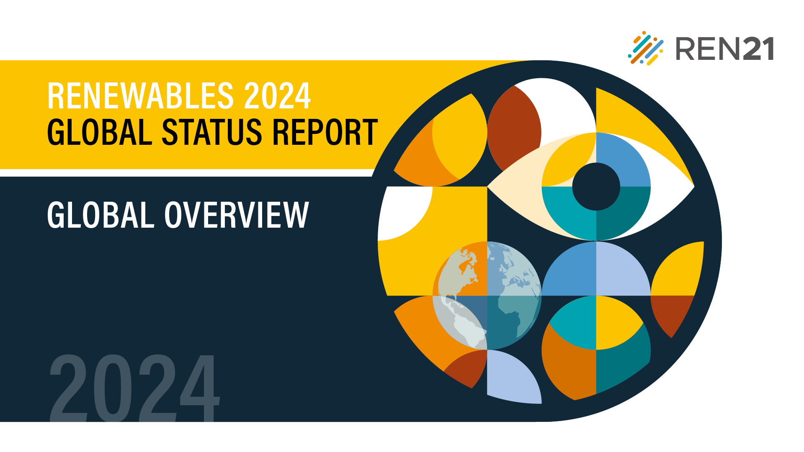

The Datapack created by REN21 is a collection of all the figures, data and tables that appear in the Renewables 2024 Global Status Report (GSR) Global Overview. This is to facilitate easier access and deeper research into the numbers and infographics that form and support the narrative in REN21's flagship publication.

Please note:
1) The figures and data listed in the Data Pack appear in the same order as in the GSR Module, on separate tabs.
2) You can directly jump to any specific figure or data from the Table of Contents and back to the Contents by clicking on the top-left cell of any particular sheet.
3) The Reference Tables for all modules will be shared at the end of the GSR cycle, in a combined file.
4) Source information found on each data sheet corresponds to the endnotes referenced for each respective figure in the module (accessible via: https://www.ren21.net/gsr2024/GO).
5) Occasional discrepanies in data may appear due to rounding.
6) In cases where a figure and/or data is missing, it is because of limited sharing rights.
7) Much of the data reported in the GSR is preliminary and/or uncertain. See respective figure and table endnotes for more information.

If you have any questions, please don't hesitate to contact us at gsr@ren21.net

Fig 1
Table of Contents | Figure 1: Total Final Energy Consumption by Source, 2012 and 2022
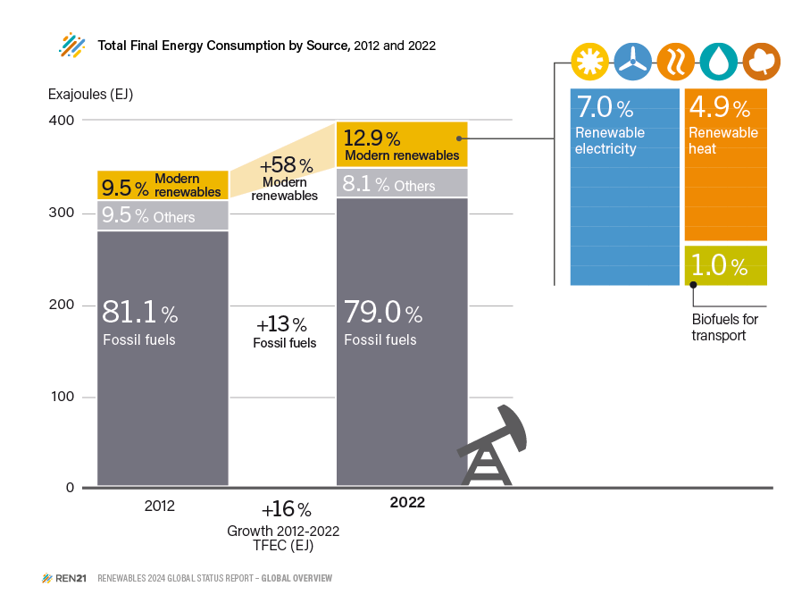

Shares (%) | 2012 | 2022
Modern Renewables, combined - share (%) | 9.50% | 12.90%
Fossil - share (%) | 81.10% | 79.00%
other - share (%) | 9.50% | 8.10%

 |  |  | Source: IEA, “World Energy Balances”, 2023, https://www.iea.org/reports/world-energy-balances-overview/world

Fig 2
Table of Contents | Figure 2: Renewable Share of Total Final Energy Consumption, by Country, 2021
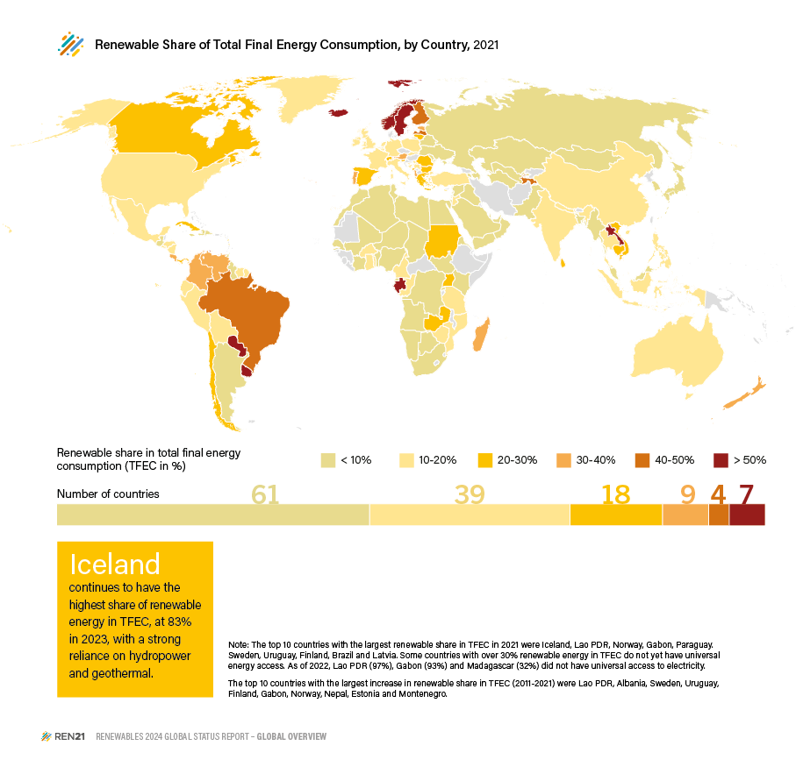
Country | 2021
Iceland | 83%
Laos | 73%
Norway | 72%
Gabon | 66%
Paraguay | 63%
Sweden | 63%
Uruguay | 56%
Finland | 47%
Brazil | 43%
Latvia | 42%
Tajikistan | 40%
Albania | 39%
Costa Rica | 37%
Estonia | 36%
Austria | 35%
Venezuela | 33%
Madagascar | 32%
Colombia | 31%
Portugal | 31%
New Zealand | 30%
Sri Lanka | 29%
Uganda | 28%
Lithuania | 27%
Switzerland | 27%
Canada | 26%
Chile | 25%
Romania | 25%
Montenegro | 24%
Slovenia | 24%
Zambia | 24% | Source: IEA, “World Energy Balances”, 2023, https://www.iea.org/reports/world-energy-balances-overview/world
Bulgaria | 23%
Cambodia | 23%
Panama | 23%
Sudan | 22%
Vietnam | 22%
Cuba | 21%
Greece | 21%
Spain | 20%
Cameroon | 19%
Greenland | 19%
Peru | 19%
Ecuador | 18%
Germany | 18%
India | 18%
Mozambique | 18%
Slovakia | 18%
France | 17%
Italy | 17%
Cyprus | 16%
Nepal | 16%
Poland | 16%
Bosnia and Herzegovina | 15%
Republic of the Congo | 15%
Tanzania | 15%
Thailand | 15%
El Salvador | 14%
Honduras | 14%
Mexico | 14%
Australia | 13%
Burkina Faso | 13%
Indonesia | 13%
Netherlands | 13%
Republic of Ireland | 13%
Serbia | 13%
Belgium | 12%
Bolivia | 12%
China | 12%
Ghana | 12%
Nicaragua | 12%
Suriname | 12%
Turkey | 12%
United Kingdom | 12%
Philippines | 11%
Togo | 11%
United States | 11%
Jordan | 10%
Zimbabwe | 10%
Angola | 9%
Argentina | 9%
Benin | 9%
Guyana | 9%
Ivory Coast | 9%
Japan | 9%
Mali | 9%
Namibia | 9%
Armenia | 8%
Democratic Republic of the Congo | 8%
Malaysia | 8%
Malta | 8%
Mauritius | 8%
Morocco | 8%
Dominican Republic | 7%
Guatemala | 7%
Israel | 7%
Jamaica | 7%
Pakistan | 7%
Kenya | 6%
Myanmar | 6%
Rwanda | 6%
Belarus | 5%
Nigeria | 5%
Palestinian National Authority | 5%
South Africa | 5%
Ukraine | 5%
Equatorial Guinea | 4%
Eritrea | 4%
Haiti | 4%
Lebanon | 4%
Russia | 4%
Senegal | 4%
South Korea | 4%
Yemen | 4%
Egypt | 3%
Chad | 2%
Kazakhstan | 2%
Moldova | 2%
Mongolia | 2%
Niger | 2%
Tunisia | 2%
Azerbaijan | 1%
Iraq | 1%
Singapore | 1%
South Sudan | 1%
Syria | 1%
United Arab Emirates | 1%
Uzbekistan | 1%
Algeria | 0%
Bahrain | 0%
Bangladesh | 0%
Botswana | 0%
Brunei | 0%
Libya | 0%
Oman | 0%
Qatar | 0%
Saudi Arabia | 0%
Trinidad and Tobago | 0%
Turkmenistan | 0%

Fig 3
Table of Contents | Figure 3: Renewable Energy Targets by Country and by Sector, as of 2023

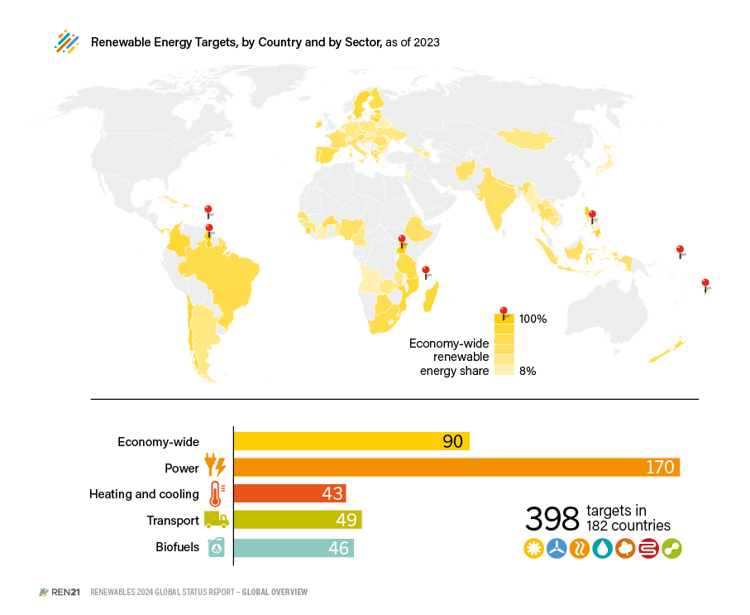
Country | TFEC target share% | Target year | 100% RE targets
Afghanistan | 40% | 2100
Albania | 54% | 2030
Angola | 8% | 2025 |  | Sector | 2023
Argentina | 20% | 2025 |  | Economy-wide | 90
Armenia | 15% | 2030 |  | Power | 170
Austria | 45-50% | 2030 |  | Heating and cooling | 43
Azerbaijan | 30% | 2030 |  | Transport | 49
Bahamas | 30% | 2030 |  | Biofuels | 46
Barbados | 100% | 2030 | x | TOTAL | 398 targets in 182 countries
Belarus | 9% | 2035
Belgium | 18% | 2030
Benin | 25% | 2025
Botswana | 50% | 2036
Brazil | 45% | 2030
Brunei Darussalam | 10% | 2035
Bulgaria | 27% | 2030
Burkina Faso | 50% | 2030
Cabo Verde | 50% | 2030
Cambodia | 25% | 2030
Cameroon | 25% | 2035
Chile | 70% | 2030
Colombia | 70% | 2030
Comoros | 100% | 2030 | x
Côte d’Ivoire | 16% | 2030
Croatia | 36% | 2030
Cuba | 24% | 2030
Cyprus | 23% | 2030 |  |  |  | Note: Number of countries with sectoral targets is not comparable to previous years because of improved methodology. Countries with target years prior to 2023 are excliuded from this figure as they are considered expired.
Czechia | 22% | 2030
Denmark | 55% | 2030
Dominican Republic | 27% | 2030 |  |  |  | Source: REN21 Policy Database
Estonia | 65% | 2030
Ethiopia | 32% | 2030
Fiji | 100% | 2030 | x
Finland | 50% | 2030
France | 33% | 2030
Gambia | 40% | 2025
Georgia | 27,4% | 2030
Germany | 30% | 2030
Greece | 35% | 2030
Grenada | 25% | 2035
Guinea | 30% | 2030
Guinea-Bissau | 50% | 2030
Guyana | 100% | 2025 | x
Hungary | 21% | 2030
India | 40% | 2030
Indonesia | 31% | 2050
Ireland | 70% | 2030
Italy | 40% | 2030
Jamaica | 20% | 2030
Japan | 13-14% | 2030
Jordan | 14% | 2030
Kosovo | 32% | 2030
Laos | 30% | 2025
Latvia | 45% | 2030
Lithuania | 80% | 2050
Luxembourg | 25% | 2030
Madagascar | 85% | 2030
Malta | 10.6-13.3% | 2030
Micronesia | 70% | 2030
Moldova | 17% | 2020
Mongolia | 30% | 2030
Mozambique | 62% | 2030
Myanmar | 12% | 2030
Nauru | 100% | 2050 | x
Nepal | 39% | 2030
Netherlands | 27% | 2030
New Zealand | 50% | 2035
Nigeria | 36% | 2030
North Macedonia | 45% | 2040
Panama | 50% | 2050
Philippines | 100% | 2050 | x
Poland | 21% - 23% | 2030
Portugal | 49% | 2030
Romania | 34% | 2030
São Tomé and Príncipe | 50% | 2030
Senegal | 40% | 2030
Sierra Leone | 65% | 2030
Slovakia | 19% | 2030
Slovenia | 27% | 2030
South Africa | 41% | 2030
Spain | 42% | 2030
Sweden | 65% | 2030
Tanzania | 50% | 2030
Thailand | 37% | 2036
Timor-Leste | 50% | 2030
Togo | 20% | 2030
Trinidad and Tobago | 47% | 2027
Uganda | 100% | 2050 | x
Ukraine | 25% | 2035
Zambia | 30% | 2030

Fig 4
Table of Contents | Figure 4: National Net Zero Policies and Status of Implementation and Renewable Energy Targets, 2023
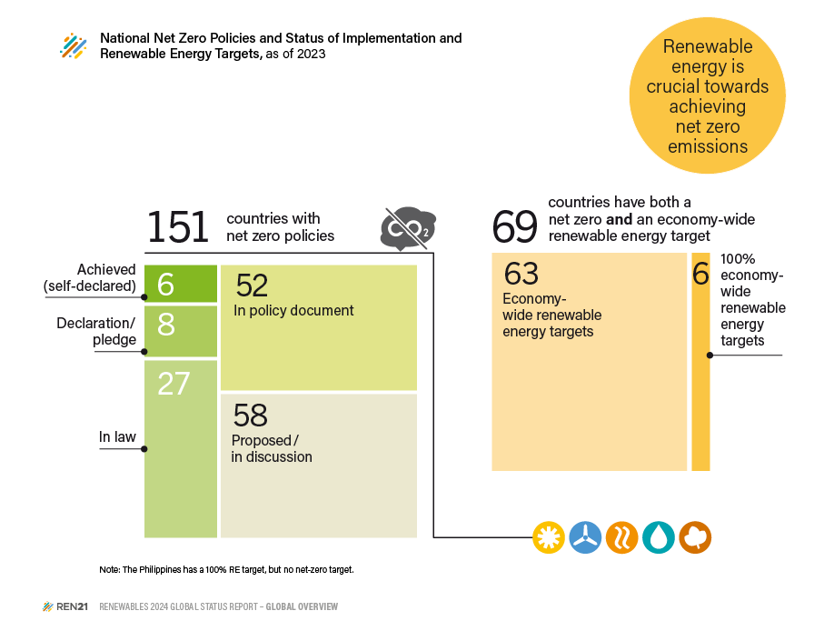
Status of Implementation | Declaration/ pledge | Proposed / in discussion | In policy document | In law | Achieved (self-declared) | TOTAL
Countries with net zero targets | 8 | 58 | 52 | 27 | 6 | 151

 | 2023
Economy-wide renewable energy targets | 90
100% economy-wide renewable energy targets | 7
Countries with both net zero and economy-wide renewable energy targets | 69

 |  |  |  |  |  |  | Notes
 |  |  |  |  |  |  | 1. Net-zero target numbers exclude sub-national and city targets.
 |  |  |  |  |  |  | 2. Calculations include the following: targets reported by the UNFCCC and Climate Watch as either Net Zero targets under discussion or in policy documents; climate neutrality targets, climate neutrality targets, carbon neutrality targets and zero carbon targets.
 |  |  |  |  |  |  | 3. Calculations exclude targets for absolute emissions, carbon negative, emission reduction targets, reduction vs. BAU and other.
 |  |  |  |  |  |  | 4. Calculations exclude targets for 1.5°C, fossil-free targets, emission reduction targets, emission intensity targets, reduction vs. BAU, absolute emissions and 100% energy self sufficiency targets.
 |  |  |  |  |  |  | 5. Data should not be compared with previous years, due to revisions, adjusted methodology and additional references not previously included.
 |  |  |  |  |  |  | Source: Based on Climate Watch and REN21 Policy Database.

Fig 5
Table of Contents | Figure 5: Countries with Climate Change Policies, by type of Measure, 2023

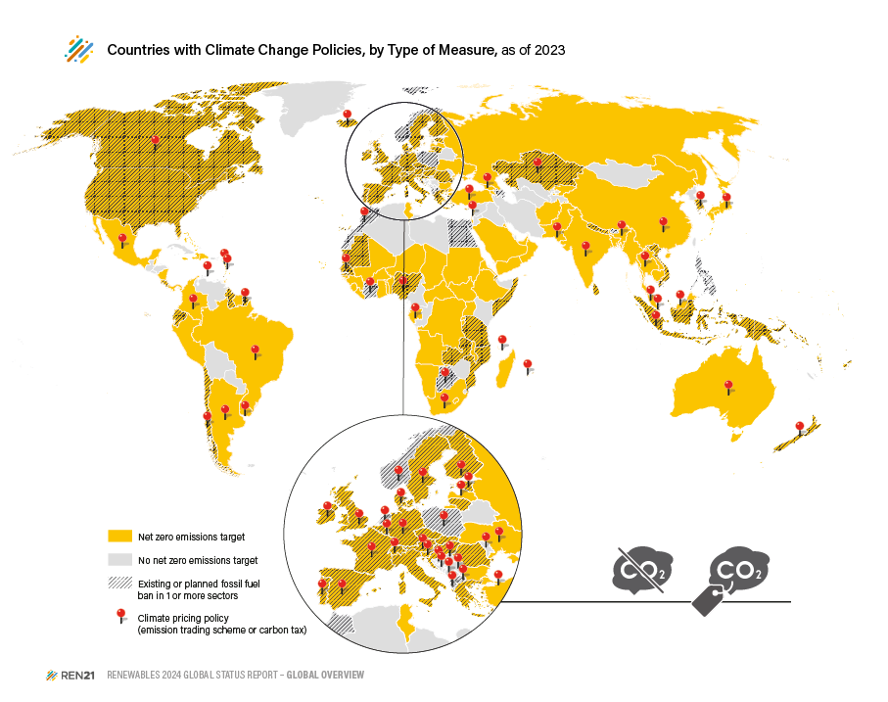
Jurisdiction Type | Jurisdiction | Policy Type | Year implemented (Carbon Tax) | Status (Carbon Tax) | Year implemented (ETS) | Status (ETS) | Net zero emissions target | Fossil fuel ban in H=heat | Fossil fuel ban in T=transport | Fossil fuel ban in P=power
 |  |  |  |  |  |  |  | Total: 54 | Total: 6 | Total: 36
National | Afghanistan |  |  |  |  |  | x
National | Aruba |  |  |  |  |  |  |  |  | x
National | Bhutan |  |  |  |  |  |  |  |  | x
National | Cook Islands |  |  |  |  |  |  |  |  | x
National | Albania | ETS |  |  |  | Under consideration |  | x
National | Andorra |  |  |  |  |  | x
National | Angola |  |  |  |  |  | x
National | Antigua and Barbuda |  |  |  |  |  | x |  | x | x
National | Argentina | Carbon tax | 2018 | Implemented |  |  | x
National | Armenia |  |  |  |  |  | x
National | Australia | ETS |  |  | 2023 | Scheduled | x
National | Austria | ETS |  |  | 2022 | Implemented | x | x |  | x
National | Azerbaijan |  |  |  |  |  |  | x
National | Bahrain |  |  |  |  |  | x
National | Bangladesh |  |  |  |  |  | x
National | Barbados |  |  |  |  |  | x
National | Belgium |  |  |  |  |  | x | x |  | x
National | Belize |  |  |  |  |  | x
National | Benin |  |  |  |  |  | x
National | Bosnia and Herzegovina | ETS |  |  |  | Under consideration
National | Botswana | Carbon tax |  | Under consideration |  |  |  | x
National | Brazil | ETS |  |  |  | Under consideration | x
National | Brunei Darussalam |  |  |  |  |  |  | x
National | Bulgaria |  |  |  |  |  | x
National | Burkina Faso |  |  |  |  |  | x
National | Burundi |  |  |  |  |  | x
National | Cambodia |  |  |  |  |  | x
National | Canada | Carbon tax / ETS | 2019 | Implemented | 2019 | Implemented | x | x
National | Cape Verde |  |  |  |  |  | x
National | Central African Republic |  |  |  |  |  | x
National | Chad |  |  |  |  |  | x
National | Chile | Carbon tax / ETS | 2017 | Implemented |  | Under consideration | x | x |  | x
National | China | ETS |  |  | 2021 | Implemented | x
National | Colombia | Carbon tax / ETS | 2017 | Implemented |  | Under consideration | x
National | Comoros |  |  |  |  |  | x
National | Costa Rica |  |  |  |  |  | x | x |  | x
National | Cote d'Ivoire | Carbon tax |  | Under consideration |  |  |  | x
National | Croatia |  |  |  |  |  | x | x
National | Cyprus |  |  |  |  |  | x | x
National | Czech Republic |  |  |  |  |  | x | x
National | Dem. Rep. Congo |  |  |  |  |  | x
National | Denmark | Carbon tax | 1992 | Implemented |  |  | x | x |  | x
National | Djibouti |  |  |  |  |  | x |  |  | x
National | Dominica |  |  |  |  |  | x |  |  | x
National | Dominican Republic |  |  |  |  |  | x
National | Ecuador |  |  |  |  |  | x | x | x | x
National | Egypt |  |  |  |  |  |  | x
National | Eritrea |  |  |  |  |  | x
National | Estonia | Carbon tax | 2000 | Implemented |  |  | x |  |  | x
National | Ethiopia |  |  |  |  |  | x
National | European Union |  |  |  |  |  | x
National | Fiji |  |  |  |  |  | x |  |  | x
National | Finland | Carbon tax | 1990 | Implemented |  |  | x | x
National | France | Carbon tax | 2014 | Implemented |  |  | x | x
National | Gabon | ETS |  |  |  | Under consideration | x
National | Georgia | ETS |  |  |  | Under consideration | x
National | Germany | ETS |  |  | 2021 | Implemented | x | x |  | x
National | Ghana |  |  |  |  |  | x
National | Greece |  |  |  |  |  | x | x
National | Grenada |  |  |  |  |  | x |  |  | x
National | Guinea |  |  |  |  |  | x
National | Guinea-Bissau |  |  |  |  |  | x
National | Guyana |  |  |  |  |  | x |  |  | x
National | Haiti |  |  |  |  |  | x
National | Hungary |  |  |  |  |  | x | x
National | Iceland | Carbon tax | 2010 | Implemented |  |  | x |  | x | x
National | India | ETS |  |  |  | Under consideration | x
National | Indonesia | Carbon tax / ETS |  | Under consideration | 2023 | Implemented | x | x
National | Ireland | Carbon tax | 2010 | Implemented |  |  | x | x
National | Israel | Carbon tax |  | Under consideration |  |  | x
National | Italy |  |  |  |  |  | x | x
National | Jamaica |  |  |  |  |  | x
National | Japan | Carbon tax / ETS | 2012 | Implemented |  | Under consideration | x
National | Kazakhstan | ETS |  |  | 2013 | Implemented | x | x
National | Kiribati |  |  |  |  |  | x |  |  | x
National | Kuwait |  |  |  |  |  | x
National | Kyrgyzstan |  |  |  |  |  | x
National | Laos |  |  |  |  |  | x
National | Latvia | Carbon tax | 2004 | Implemented |  |  | x
National | Lebanon |  |  |  |  |  | x
National | Lesotho |  |  |  |  |  | x
National | Liberia |  |  |  |  |  | x
National | Liechtenstein | Carbon tax | 2008 | Implemented |  |  |  | x
National | Lithuania |  |  |  |  |  | x | x |  | x
National | Luxembourg | Carbon tax | 2021 | Implemented |  |  | x | x
National | Macedonia, North |  |  |  |  |  |  | x
National | Madagascar |  |  |  |  |  | x
National | Malawi |  |  |  |  |  | x
National | Malaysia | ETS |  |  |  | Under consideration | x
National | Maldives |  |  |  |  |  | x | x
National | Mali |  |  |  |  |  | x
National | Malta |  |  |  |  |  | x |  |  | x
National | Marshall Islands |  |  |  |  |  | x
National | Mauritania |  |  |  |  |  | x | x
National | Mauritius |  |  |  |  |  | x | x
National | Mexico | Carbon tax / ETS | 2014 | Implemented | 2020 | Implemented | x
National | Micronesia |  |  |  |  |  | x
National | Moldova | ETS |  |  |  | Under consideration
National | Monaco |  |  |  |  |  | x
National | Montenegro | ETS |  |  | 2022 | Implemented
National | Morocco | Carbon tax |  | Under consideration |  |  |  | x
National | Mozambique |  |  |  |  |  | x |  |  | x
National | Myanmar |  |  |  |  |  | x
National | Namibia |  |  |  |  |  | x
National | Nauru |  |  |  |  |  | x
National | Nepal |  |  |  |  |  | x | x |  | x
National | Netherlands | Carbon tax | 2021 | Implemented |  |  |  | x
National | New Zealand | Carbon tax / ETS |  | Under consideration | 2008 | Implemented | x | x |  | x
National | Nicaragua |  |  |  |  |  | x
National | Niger |  |  |  |  |  | x
National | Nigeria | ETS |  |  |  | Under consideration | x |  | x
National | Niue |  |  |  |  |  | x
National | North Macedonia | ETS |  |  |  | Under consideration
National | Norway | Carbon tax | 1991 | Implemented |  |  |  | x
National | Oman |  |  |  |  |  | x
National | Pakistan | ETS |  |  |  | Under consideration | x
National | Palau |  |  |  |  |  | x |  |  | x
National | Panama |  |  |  |  |  | x
National | Papua New Guinea |  |  |  |  |  | x |  |  | x
National | Peru |  |  |  |  |  | x
National | Philippines |  |  |  |  |  |  | x
National | Poland | Carbon tax | 1990 | Implemented |  |  |  | x
National | Portugal | Carbon tax | 2015 | Implemented |  |  | x | x | x
National | Romania |  |  |  |  |  | x | x
National | Russian Federation |  |  |  |  |  | x
National | Rwanda |  |  |  |  |  | x
National | Saint Kitts and Nevis |  |  |  |  |  | x
National | Saint Lucia |  |  |  |  |  | x
National | Saint Vincent and the Grenadines |  |  |  |  |  | x
National | Samoa |  |  |  |  |  | x |  |  | x
National | Sao Tome and Principe |  |  |  |  |  | x
National | Saudi Arabia |  |  |  |  |  | x
National | Senegal | Carbon tax |  | Under consideration |  |  | x | x
National | Serbia | ETS |  |  |  | Under consideration
National | Seychelles |  |  |  |  |  | x
National | Sierra Leone |  |  |  |  |  | x
National | Singapore | Carbon tax | 2019 | Implemented |  |  | x | x
National | Slovakia |  |  |  |  |  | x | x
National | Slovenia | Carbon tax | 1996 | Repealed |  |  | x | x
National | Solomon Islands |  |  |  |  |  | x |  |  | x
National | Somalia |  |  |  |  |  | x | x
National | South Africa | Carbon tax | 2019 | Implemented |  |  | x
National | South Korea | ETS |  |  | 2015 | Implemented | x | x
National | South Sudan |  |  |  |  |  | x
National | Spain | Carbon tax | 2014 | Implemented |  |  | x | x |  | x
National | Sri Lanka |  |  |  |  |  | x | x
National | Sudan |  |  |  |  |  | x
National | Suriname |  |  |  |  |  | x
National | Sweden | Carbon tax | 1991 | Implemented |  |  | x | x |  | x
National | Switzerland | Carbon tax / ETS | 2008 | Implemented | 2008 | Implemented | x |  |  | x
National | Tanzania |  |  |  |  |  | x | x
National | Thailand | ETS |  |  |  | Under consideration | x
National | The Bahamas |  |  |  |  |  | x
National | The Gambia |  |  |  |  |  | x
National | Timor-Leste |  |  |  |  |  | x
National | Togo |  |  |  |  |  | x
National | Tonga |  |  |  |  |  | x
National | Trinidad and Tobago |  |  |  |  |  | x
National | Tunisia |  |  |  |  |  | x
National | Turkey | ETS |  |  |  | Under consideration | x
National | Tuvalu |  |  |  |  |  | x |  |  | x
National | Uganda |  |  |  |  |  | x
National | Ukraine | Carbon tax / ETS | 2011 | Implemented |  | Under consideration | x
National | United Arab Emirates |  |  |  |  |  | x
National | United Kingdom | Carbon tax / ETS | 2013 | Implemented | 2021 | Implemented | x | x |  | x
National | United States of America |  |  |  |  |  | x |  |  | x
National | Uruguay | Carbon tax | 2022 | Implemented |  |  | x
National | Vanuatu |  |  |  |  |  | x |  |  | x
National | Viet Nam | ETS |  |  | 2023 | Scheduled | x | x
National | Yemen |  |  |  |  |  | x
National | Zambia |  |  |  |  |  | x | x

Fig 6
Table of Contents | Figure 6: Weighted Average Cost of Capital for Onshore Wind Power and Solar PV, by Country Income Level, 2022
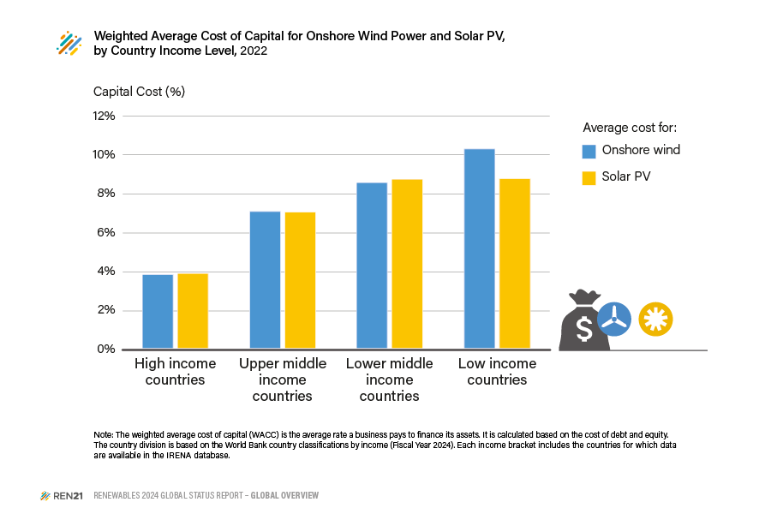
 | Average Onshore wind WACC - 2022 | Average Solar PV WACC - 2022
High income | 3.84% | 3.89%
Upper middle income | 7.08% | 7.05%
Lower middle income | 8.57% | 8.75%
Low income | 10.30% | 8.78%

 |  |  | Source: IRENA (2023), Renewable Power Generation Costs in 2022, International Renewable Energy Agency, Abu Dhabi.

Fig 7
Table of Contents | Figure 7: Share of Development Finance from Official and Private Donors for Renewable and Non-Renewable Energy Generation Projects, 2013-2022

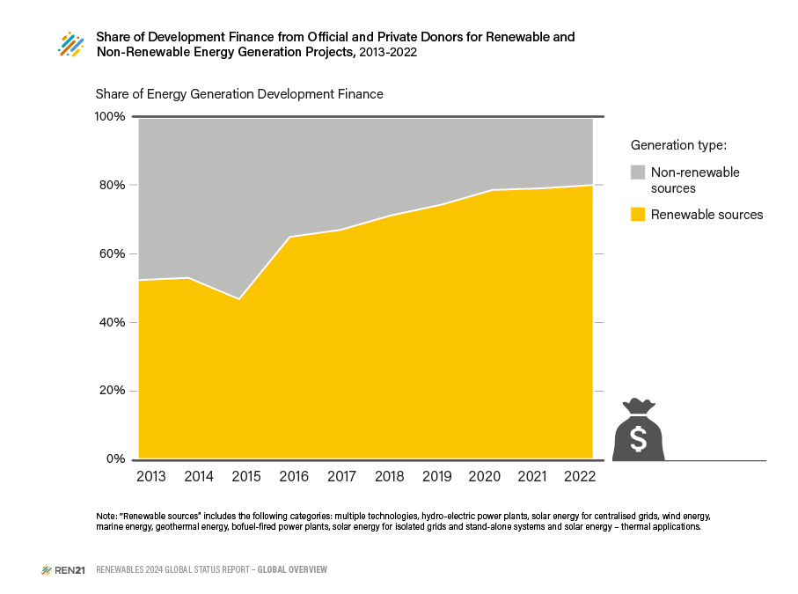
 | in USD million
Year | Energy generation, renewable sources | Energy generation, non-renewable sources
2013 | 3513.1 | 3183.3
2014 | 3813.8 | 3366.2
2015 | 4285 | 4846.8
2016 | 6384.8 | 3433.1
2017 | 6410.8 | 3146.1
2018 | 6612.3 | 2661
2019 | 6998 | 2401.2
2020 | 6834.8 | 1848.5
2021 | 6269.3 | 1645.5
2022 | 7850.5 | 1942.3

 | in %
Year | Energy generation, renewable sources | Energy generation, non-renewable sources
2013 | 52.46% | 47.54%
2014 | 53.12% | 46.88%
2015 | 46.92% | 53.08% | Source: OECD-DAC Creditor Reporting System (CRS) Database
2016 | 65.03% | 34.97%
2017 | 67.08% | 32.92%
2018 | 71.30% | 28.70%
2019 | 74.45% | 25.55%
2020 | 78.71% | 21.29%
2021 | 79.21% | 20.79%
2022 | 80.17% | 19.83%

Fig 8
Table of Contents | Figure 8: Development Finance for Renewable Energy Generation by Donor and Recipient Region, 2022
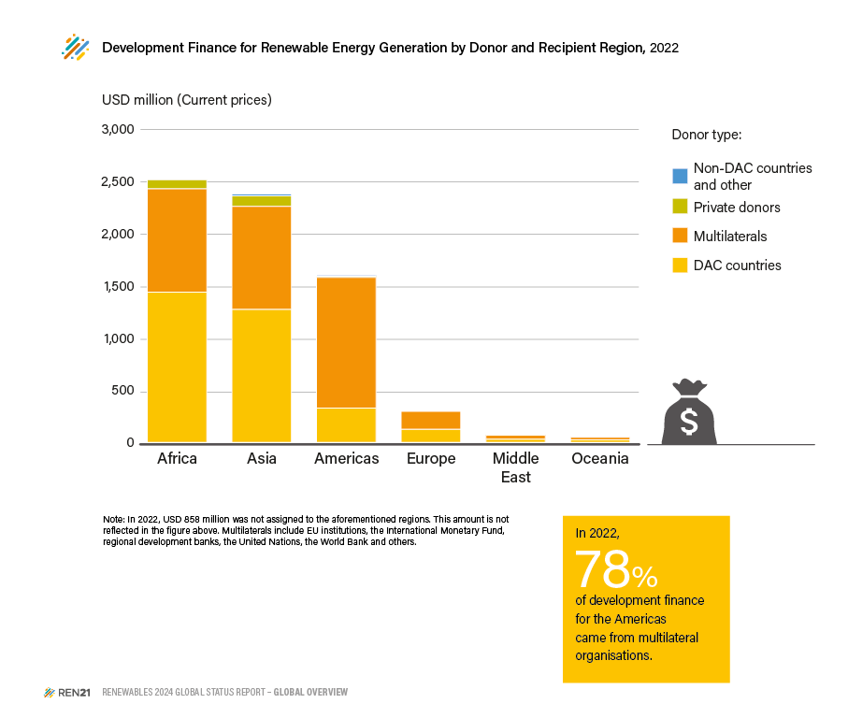
 | DAC Countries | Multilaterals | Non-DAC Countries | Private Donors | Other | Grand Total
Africa | 1456.5 | 994.9 | 2.5 | 87.9 |  | 2541.8
Asia | 1289.6 | 992.8 | 18.1 | 101.7 |  | 2402.1
America | 337.9 | 1259.6 | 8.9 | 10.3 |  | 1616.7
Europe | 133.1 | 173.1 | 0.1 |  |  | 306.4
Middle East | 39.8 | 38.2 | 1.8 |  |  | 79.7
Oceania | 32.2 | 23.9 |  | 0.0 |  | 56.1
Other/Not assigned | 544.9 | 148.5 |  | 98.8 | 55.5 | 847.8
Grand Total | 3289.1 | 3482.4 | 31.3 | 199.9 | 55.5 | 7850.5

 |  |  |  |  |  |  | Source: OECD-DAC Creditor Reporting System (CRS) Database

Fig 9
Table of Contents | Figure 9: Development Finance for Renewable Energy Generation by Channel, 2013, 2017 and 2022
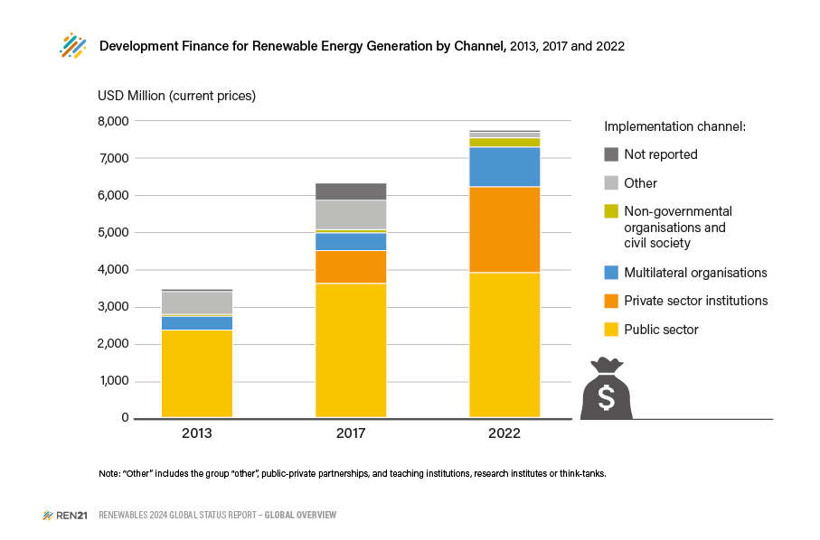
 | Public Sector | Private Sector Institutions | Multilateral Organisations | NGOs & Civil Society | Other | Not reported
2013 | 2386.03 | 0.00 | 376.66 | 52.57 | 621.91 | 75.89
2017 | 3663.55 | 896.10 | 482.68 | 87.32 | 806.96 | 474.18
2022 | 3958.75 | 2347.29 | 1086.73 | 253.35 | 148.90 | 55.52
Grand Total | 10008.33 | 3243.38 | 1946.07 | 393.24 | 1577.77 | 605.60

 |  |  |  |  |  |  | Source: OECD-DAC Creditor Reporting System (CRS) Database

Fig 10
Table of Contents | Figure 10: Sustainable Finance Taxonomies Worldwide, in Place and Under Development, 2023

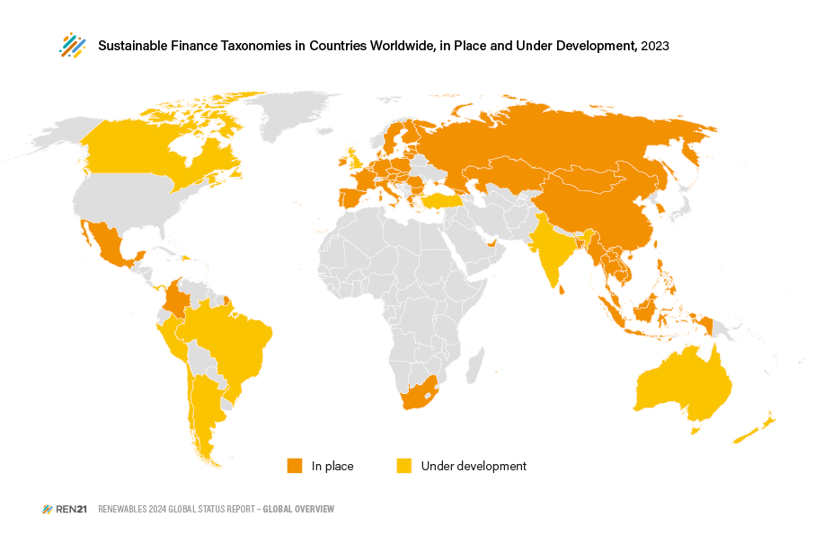
Country | Status 2023
Argentina | Under development
Australia | Under Development
Austria | In place
Bangladesh | In place
Belgium | In place
Brazil | Under development
Brunei | In place
Bulgaria | In place
Cambodia | In place
Canada | Under development
Chile | Under development
China | In place
Colombia | In place
Croatia | In place
Czech Republic | In place
Denmark | In place
Dominican Republic | Under development
Estonia | In place
Finland | In place
France | In place
France | In place
Georgia | In place
Germany | In place | Source: REN21 Policy Database
Greece | In place
Hong Kong | Under development
Hungary | In place
India | Under development
Indonesia | In place
Ireland | In place
Italy | In place
Kazahstan | In place
Lao PDR | In place
Latvia | In place
Lithuania | In place
Luxembourg | In place
Malaysia | In place
Malta | In place
Mexico | In place
Mongolia | In place
Myanmar | In place
Netherlands | In place
New Zealand | Under development
Panama | Under development
Peru | Under development
Philippines | In place
Poland | In place
Portugal | In place
Republic of Cyprus | In place
Romania | In place
Russian Federation | In place
Singapore | In place
Slovakia | In place
Slovenia | In place
South Africa | In place
South Korea | In place
Spain | In place
Sri Lanka | In place
Sweden | In place
Taiwan | In place
Thailand | In place
Turkey | Under development
United Arab Emirates | In place
United Kingdom | Under development
Vietnam | In place

Fig 11
Table of Contents | Figure 11: Estimated Share of Mitigation Finance by Sector, 2019-2022
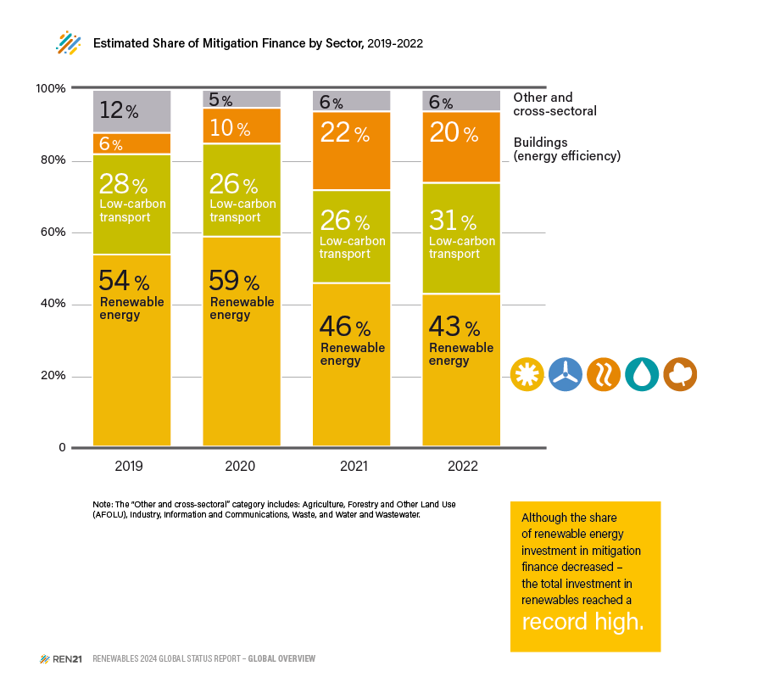

Sector/year | 2019 | 2020 | 2021 | 2022
Renewable energy | 54% | 59% | 46% | 43%
Low-carbon transport | 28% | 26% | 26% | 31%
Buildings (Energy Efficiency) | 6% | 10% | 22% | 20%
Other & Cross-Sectoral | 12% | 5% | 6% | 6%

 |  |  |  |  | Source: Climate Policy Initiative, “Global Landscape of Climate Finance 2023”, 2023, https://www.climatepolicyinitiative.org/ wp-content/uploads/2023/11/Global-Landscape-of-Climate- Finance-2023.pdf.

Fig 12
Table of Contents | Figure 12: Range of Annual Renewable Energy Investment Needed in Climate Change Mitigation Scenarios, Compared to Recent Investments
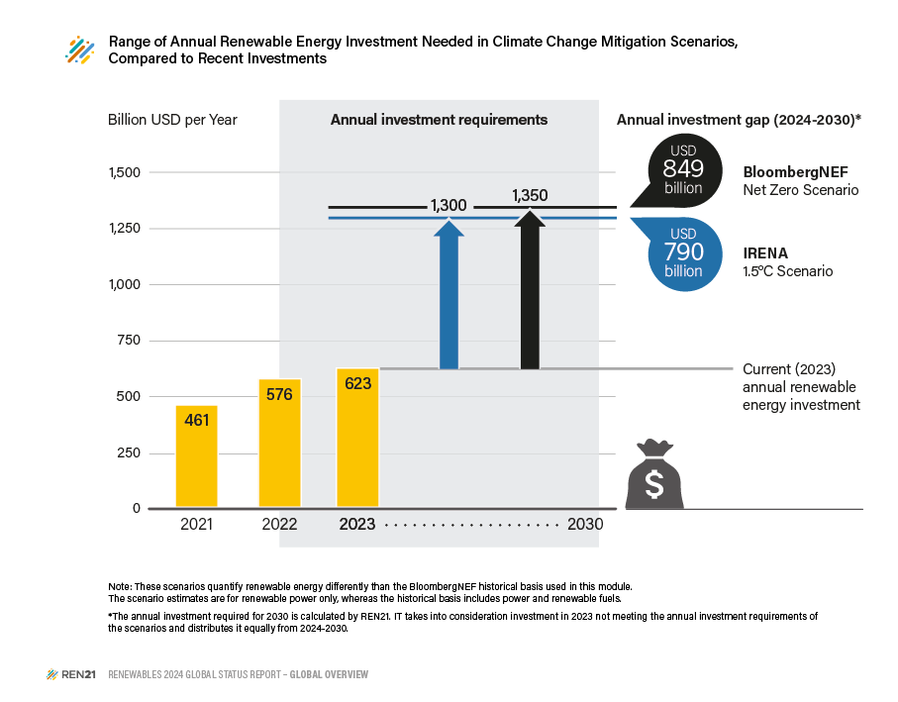

 | Declaration/ pledge | Proposed / in discussion | Total, 2023
Renewable Energy Investment (USD billion) | 461 | 576 | 623

 | IRENA | BNEF
Annual Investment Requirements by 2030 (USD billion) | 1300 | 1350
Adjusted Annual Renewable Energy Investment Gap by 2030 (USD billion) | 790 | 848

 |  |  |  | Source: BloombergNEF “Tripling Global Renewables by 2030”, 21 November 2023, https://assets.bbhub.io/professional/sites/24/BNEF_2023-11-21_triplingrenewables_Final.pdf; IRENA 1.5 Scenario from IRENA, “World Energy Transitions Outlook 2023”, 2023, https://www.irena.org/Digital-Report/World-Energy-Transitions-Outlook-2023; Bloomberg Net Zero Scenario from “Tripling Global Renewables by 2030”, 21 November 2023, https://assets.bbhub.io/professional/sites/24/BNEF_2023-11-21_triplingrenewables_Final.pdf.

