Figure H2
 | Figure H-2 Hydropower Capacity and Additions, Top 11 Countries for Capacity Added, 2024

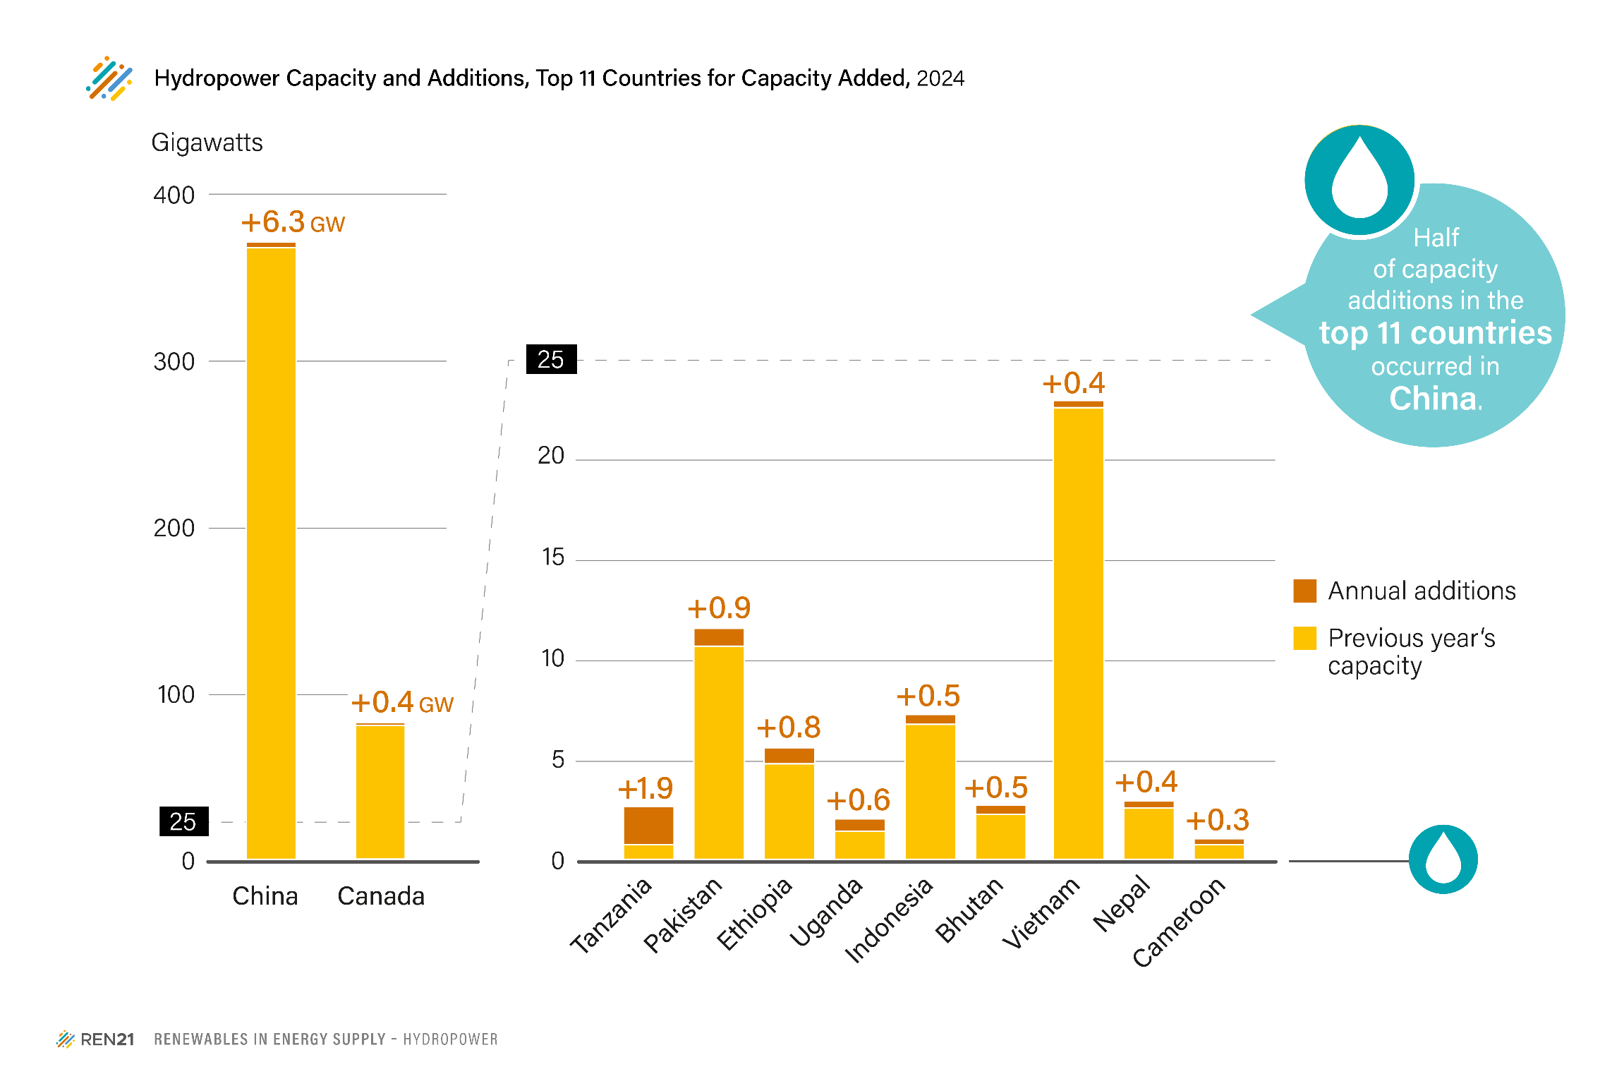
 | Unit: Gigawatts | 2023 total | Added in 2024
1 | China | 370.6 | 6.660
2 | Tanzania | 0.8 | 1.880
3 | Pakistan | 10.6 | 0.884
4 | Ethiopia | 4.8 | 0.800
5 | Uganda | 1.5 | 0.600
6 | Indonesia | 6.8 | 0.486
7 | Bhutan | 2.3 | 0.458
8 | Canada | 83.3 | 0.360
9 | Vietnam | 22.9 | 0.360
10 | Nepal | 2.6 | 0.350
11 | Cameroon | 0.8 | 0.300

 | Source: See endnote 8 for the Hydropower section

Fig. HydroX: Hydropower Global Capacity Additions, Shares of Top Six Countries, 2013
 | 1 | 1

