Figure H1
Figure H1 - Global hydropower capacity, Shares of Top 8 Countries and Rest of World, 2024

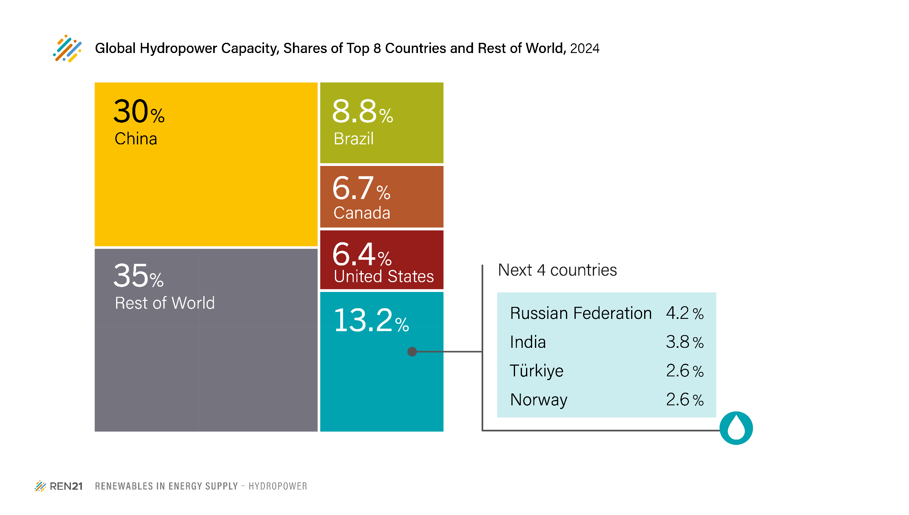
 | Unit: Gigawatts | 2024 | Share of Total (%)
1 | China | 377.3 | 30.1%
2 | Brazil | 110.0 | 8.8%
3 | Canada | 84.1 | 6.7%
4 | United States | 79.8 | 6.4%
5 | Russian Federation | 52.9 | 4.2%
6 | India | 47.3 | 3.8%
7 | Turkey | 32.8 | 2.6%
8 | Norway | 32.5 | 2.6%
9 | Rest of World | 437.28 | 34.9%
 |  | 1254.0

 | Source: See endnote 4 for the Hydropower section

Fig. HydroX: Hydropower Global Capacity Additions, Shares of Top Six Countries, 2013
 | 1 | 1

