Sheet1
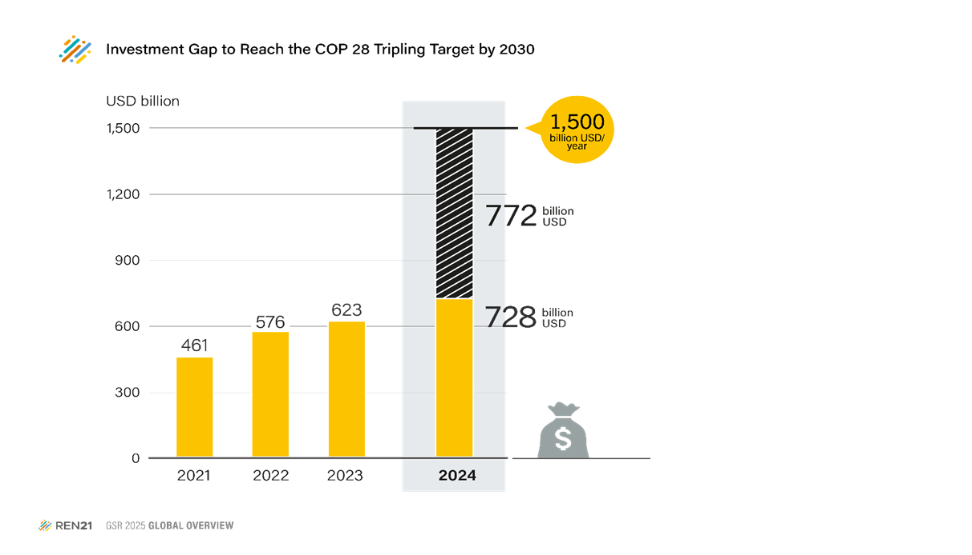
Figure 3: Investment Gap to Reach the COP 28 Tripling Power Target by 2030

 | 2021 | 2022 | 2023 | 2024 | 2030
Renewable Energy Investment | 461 | 576 | 623 | 728 | 1500
Investment Gap - Trippling Target | 1039 | 924 | 877 | 772 | -
Units: USD billion

Source:Historical investments from Bloomberg NEF, Energy Transition Investment Trends 2025 ; Tripling Power Target, IRENA 2024, https://www.irena.org/News/pressreleases/2024/Oct/Global-Goal-of-Tripling-Renewables-Needs-USD-1-point-5-Trillion-Investment-Per-Year.

